Equity
Scheme Name | BARODA BNP PARIBAS LARGE CAP FUND |  |  |  |  |  |  |  |  |  |  |  | Baroda BNP Paribas Mid Cap Fund |  |  |  |  |  |  |  |  |  |  |  | Baroda BNP Paribas Large and Mid Cap fund |  |  |  |  |  |  |  |  |  |  |  | Baroda BNP Paribas Flexi Cap Fund |  |  |  |  |  |  |  |  |  |  |  | Baroda BNP Paribas Focused Fund |  |  |  |  |  |  |  |  |  |  |  | Baroda BNP Paribas Multi Cap Fund |  |  |  |  |  |  |  |  |  |  |  | Baroda BNP Paribas ELSS Tax Saver Fund |  |  |  |  |  |  |  |  |  |  |  | Baroda BNP Paribas India Consumption Fund |  |  |  |  |  |  |  |  |  |  |  | Baroda BNP Paribas Business Cycle Fund |  |  |  |  |  |  |  |  |  |  |  | Baroda BNP Paribas Banking and Financial Services Fund |  |  |  |  |  |  |  |  |  |  |  | Baroda BNP Paribas Value Fund |  |  |  |  |  |  |  |  |  |  |  | Baroda BNP Paribas Small Cap Fund |  |  |  |  |  |  |  |  |  |  |  | Baroda BNP Paribas Innovation Fund |  |  |  |  |  |  |  |  |  |  |  | Baroda BNP Paribas Manufacturing Fund |  |  |  |  |  |  |  |  |  |  |  | Baroda BNP Paribas Dividend Yield Fund |  |  |  |  |  |  |  |  |  |  |  | Baroda BNP Paribas Energy Opportunities Fund |  |  |  |  |  |  |  |  |  |  |  | Baroda BNP Paribas Health & Wellness Fund |  |  |  |  |  |  |  |  |  |  |  |  |  | Baroda BNP Paribas Business Conglomerates Fund
Scheme Type | An Open ended Equity Scheme predominantly investing in large cap stocks |  |  |  |  |  |  |  |  |  |  |  | An Open ended Equity Scheme predominantly investing in mid cap stocks |  |  |  |  |  |  |  |  |  |  |  | An open ended scheme investing in both large cap and mid cap stocks. |  |  |  |  |  |  |  |  |  |  |  | An Open-ended dynamic equity scheme investing across large cap, mid cap, small cap companies |  |  |  |  |  |  |  |  |  |  |  | An Open ended Equity Scheme investing in maximum 25 stocks across market capitalization (i.e. multi cap stocks) |  |  |  |  |  |  |  |  |  |  |  | An open ended equity scheme investing across large cap, mid-cap and small cap stocks |  |  |  |  |  |  |  |  |  |  |  | An Open ended Equity Linked Saving Scheme with a statutory lock in of 3 years and tax benefit. |  |  |  |  |  |  |  |  |  |  |  | An open ended equity scheme following consumption theme |  |  |  |  |  |  |  |  |  |  |  | An open-ended equity scheme following the Business Cycles theme |  |  |  |  |  |  |  |  |  |  |  | An open ended equity scheme investing in the Banking and Financial Services sector |  |  |  |  |  |  |  |  |  |  |  | An open ended equity scheme following a value investment strategy |  |  |  |  |  |  |  |  |  |  |  | An open-ended equity scheme predominantly investing in small cap stocks |  |  |  |  |  |  |  |  |  |  |  | An open-ended equity scheme investing in innovation theme. |  |  |  |  |  |  |  |  |  |  |  | An open-ended equity scheme predominantly investing in Manufacturing theme |  |  |  |  |  |  |  |  |  |  |  | An open-ended equity scheme predominantly investing in Dividend Yielding Stocks |  |  |  |  |  |  |  |  |  |  |  | An open-ended equity scheme predominantly investing in Energy companies. |  |  |  |  |  |  |  |  |  |  |  | An open ended equity scheme investing in Pharma and Healthcare sector. |  |  |  |  |  |  |  |  |  |  |  |  |  | An open ended equity scheme investing in equity and equity related securities of companies that are part of business conglomerates in India
Potential Risk Class (as on date) | N.A |  |  |  |  |  |  |  |  |  |  |  | N.A |  |  |  |  |  |  |  |  |  |  |  | N.A |  |  |  |  |  |  |  |  |  |  |  | N.A. |  |  |  |  |  |  |  |  |  |  |  | N.A |  |  |  |  |  |  |  |  |  |  |  | N.A |  |  |  |  |  |  |  |  |  |  |  | N.A |  |  |  |  |  |  |  |  |  |  |  | N.A |  |  |  |  |  |  |  |  |  |  |  | N.A |  |  |  |  |  |  |  |  |  |  |  | N.A |  |  |  |  |  |  |  |  |  |  |  | N.A |  |  |  |  |  |  |  |  |  |  |  | N.A |  |  |  |  |  |  |  |  |  |  |  | N.A |  |  |  |  |  |  |  |  |  |  |  | - |  |  |  |  |  |  |  |  |  |  |  | - |  |  |  |  |  |  |  |  |  |  |  | - |  |  |  |  |  |  |  |  |  |  |  | - |  |  |  |  |  |  |  |  |  |  |  |  |  | -
Objective of the scheme | The investment objective of the Scheme is to generate long-term capital growth from a diversified and actively managed portfolio of equity and equity related securities by predominantly investing in large market capitalization companies. However, there is no assurance that the investment objective of the Scheme will be achieved. |  |  |  |  |  |  |  |  |  |  |  | The investment objective of the Scheme seeks to generate long-term capital appreciation by investing primarily in companies with high growth opportunities in the mid capitalization segment. The fund will emphasize on companies that appear to offer opportunities for long-term growth and will be inclined towards companies that are driven by dynamic style of management and entrepreneurial flair. However, there can be no assurance that the investment objectives of the Scheme will be realized. The Scheme does not guarantee/indicate any returns. |  |  |  |  |  |  |  |  |  |  |  | The primary objective of the Scheme is to seek long term capital growth through investments in both large cap and mid cap stocks. However, there is no assurance that the investment objective of the Scheme will be achieved. |  |  |  |  |  |  |  |  |  |  |  | The Scheme seeks to generate long term capital appreciation by investing in a dynamic mix of equity and equity related instruments across market capitalizations. However, there can be no assurance that the investment objectives of the Scheme will be realized. The Scheme does not guarantee/indicate any returns. |  |  |  |  |  |  |  |  |  |  |  | The Scheme seeks to generate long-term capital growth by investing in a concentrated portfolio of equity & equity related instruments of up to 25 companies across market capitalization. However, there is no assurance that the investment objective of the Scheme will be achieved.The Scheme does not guarantee/indicate any returns |  |  |  |  |  |  |  |  |  |  |  | The investment objective is to generate long term capital appreciation from an actively managed portfolio of equity & equity related instruments. However, there is no assurance that the investment objective of the Scheme will be achieved. |  |  |  |  |  |  |  |  |  |  |  | The investment objective of the Scheme is to generate long-term capital growth from a diversified and actively managed portfolio of equity and equity related securities along with income tax rebate, as may be prevalent from time to time. However, there is no assurance that the investment objective of the Scheme will be achieved. |  |  |  |  |  |  |  |  |  |  |  | The investment objective of the scheme is to seek long term capital appreciation by investing in equity/equity related instruments of the companies that: 1. are likely to benefit directly or indirectly from the domestic consumption led demand; or 2. are related to selling of products or rendering of services that go directly to the consumer; or 3. have products orservices which have distinct brand identity, thereby enabling choice. However, there is no assurance that the investment objective of the Scheme will be achieved |  |  |  |  |  |  |  |  |  |  |  | The investment objective of the Scheme is to generate long term capital appreciation for investors by investing predominantly in equity and equity related securities with a focus on riding business cycles through dynamic allocation between various sectors. However, there is no assurance that the investment objective of the Scheme will be achieved. |  |  |  |  |  |  |  |  |  |  |  | The investment objective is to generate long term capital appreciation for unit holders from a portfolio invested predominantly in equity and equity related securities of companies engaged in the Banking & Financial Services Sector. However, there is no assurance that the investment objective of the Scheme will be achieved. |  |  |  |  |  |  |  |  |  |  |  | The investment objective of the scheme is to generate long-term capital appreciation from a diversified portfolio of predominantly equity and equity related instruments by following a value investment strategy. However, there is no assurance that the investment objective of the Scheme will be achieved. |  |  |  |  |  |  |  |  |  |  |  | The Scheme seeks to generate long-term capital appreciation by investing predominantly in equity and equity related securities of small cap companies. However, there can be no assurance that the investment objectives of the Scheme will be realized. The Scheme does not guarantee/indicate any returns. |  |  |  |  |  |  |  |  |  |  |  | The investment objective of the scheme is to seek long term capital appreciation by investing atleast 80% of its net assets in equity/equity related instruments of companies focusing and benefitting from innovation. However, there is no assurance that the investment objective of the Scheme will be achieved. |  |  |  |  |  |  |  |  |  |  |  | The investment objective is to generate long-term capital appreciation from a portfolio invested predominantly in equity and equity related securities of companies engaged in Manufacturing. The Scheme does not guarantee/indicate any returns. There is no assurance that the investment objective of the Scheme will be achieved. |  |  |  |  |  |  |  |  |  |  |  | The investment objective is to provide medium to long term appreciation by predominantly investing in a well-diversified portfolio of equity and equity related instruments of dividend yielding companies. However, there is no assurance that the investment objective of the Scheme will be achieved. |  |  |  |  |  |  |  |  |  |  |  | The investment objective of the Scheme is to provide investors with opportunities for long term capital appreciation by investing in equity and equity related instruments of companies engaging in activities such as exploration, production, distribution, transportation and processing of traditional & new energy including but not limited to industries/sectors such as oil & gas, utilities and power. However, there is no assurance that the investment objective of the Scheme will be achieved. |  |  |  |  |  |  |  |  |  |  |  | The primary objective of the Scheme is to provide long-term capital appreciation by investing predominantly in equity and equity related instruments of Pharma and Healthcare companies. The Scheme does not guarantee/indicate any returns However, there is no assurance that the investment objective of the Scheme will be achieved. |  |  |  |  |  |  |  |  |  |  |  |  |  | The investment objective of the Scheme is to achieve long term capital appreciation by investing in equity and equity related securities of companies that are part of business conglomerates in India. The Scheme does not guarantee/indicate any returns. However, there can be no assurance that the investment objective of the Scheme will be realized
Allotment Date | 23-Sep-2004 |  |  |  |  |  |  |  |  |  |  |  | 02-May-2006 |  |  |  |  |  |  |  |  |  |  |  | 04-Sep-2020 |  |  |  |  |  |  |  |  |  |  |  | 17 Aug 2022 |  |  |  |  |  |  |  |  |  |  |  | 06-Oct-2017 |  |  |  |  |  |  |  |  |  |  |  | 12-Sep-2003 |  |  |  |  |  |  |  |  |  |  |  | 05-Jan-2006 |  |  |  |  |  |  |  |  |  |  |  | 07-Sep-2018 |  |  |  |  |  |  |  |  |  |  |  | 15-Sep-2021 |  |  |  |  |  |  |  |  |  |  |  | 22-Jun-2012 |  |  |  |  |  |  |  |  |  |  |  | 7-Jun-23 |  |  |  |  |  |  |  |  |  |  |  | 30-Oct-23 |  |  |  |  |  |  |  |  |  |  |  | 5-Mar-24 |  |  |  |  |  |  |  |  |  |  |  | 2024-06-28 |  |  |  |  |  |  |  |  |  |  |  | 2025-05-27 |  |  |  |  |  |  |  |  |  |  |  | 2025-02-10 |  |  |  |  |  |  |  |  |  |  |  | 2025-02-10 |  |  |  |  |  |  |  |  |  |  |  |  |  | 2025-09-22
Benchmark (Tier 1) | Nifty 100 TRI |  |  |  |  |  |  |  |  |  |  |  | Nifty Midcap 150 TRI |  |  |  |  |  |  |  |  |  |  |  | S&P BSE 250 Large Midcap TRI |  |  |  |  |  |  |  |  |  |  |  | Nifty 500 Total Return Index |  |  |  |  |  |  |  |  |  |  |  | Nifty 500 Total Return Index (TRI) |  |  |  |  |  |  |  |  |  |  |  | Nifty 500 Multicap 50:25:25 TRI |  |  |  |  |  |  |  |  |  |  |  | Nifty 500 Total Return Index (TRI) |  |  |  |  |  |  |  |  |  |  |  | Nifty India Consumption Total Return Index (TRI) |  |  |  |  |  |  |  |  |  |  |  | BSE 500 TRI |  |  |  |  |  |  |  |  |  |  |  | Nifty Financial services Index TRI |  |  |  |  |  |  |  |  |  |  |  | Nifty 500 TRI |  |  |  |  |  |  |  |  |  |  |  | Nifty Small Cap 250 TRI |  |  |  |  |  |  |  |  |  |  |  | Nifty 500 TRI |  |  |  |  |  |  |  |  |  |  |  | Nifty India Manufacturing TRI |  |  |  |  |  |  |  |  |  |  |  | Nifty 500 Total Return Index (TRI) |  |  |  |  |  |  |  |  |  |  |  | Nifty Energy TRI |  |  |  |  |  |  |  |  |  |  |  | BSE Healthcare TRI |  |  |  |  |  |  |  |  |  |  |  |  |  | BSE Select Business Groups Total Returns Index
Scheme Codes | BBNP/O/E/LCF/04/07/0006 |  |  |  |  |  |  |  |  |  |  |  | BBNP/O/E/MIF/06/01/0009 |  |  |  |  |  |  |  |  |  |  |  | BBNP/O/E/LMF/19/11/0025 |  |  |  |  |  |  |  |  |  |  |  | BNPP/O/E/FCF/22/05/0029 |  |  |  |  |  |  |  |  |  |  |  | BBNP/O/E/FOC/17/06/0017 |  |  |  |  |  |  |  |  |  |  |  | BBNP/O/E/MCF/03/02/0003 |  |  |  |  |  |  |  |  |  |  |  | N.A. |  |  |  |  |  |  |  |  |  |  |  | BBNP/O/E/THE/18/04/0018 |  |  |  |  |  |  |  |  |  |  |  | BBNP/O/E/THE/21/07/0028 |  |  |  |  |  |  |  |  |  |  |  | BBNP/O/E/SEC/11/12/0012 |  |  |  |  |  |  |  |  |  |  |  | BBNP/O/E/SEC/11/12/0012 |  |  |  |  |  |  |  |  |  |  |  | BBNP/O/E/SCF/23/08/0036 |  |  |  |  |  |  |  |  |  |  |  | BBNP/O/E/THE/23/12/0039 |  |  |  |  |  |  |  |  |  |  |  | BBNP/O/E/THE/24/03/0041 |  |  |  |  |  |  |  |  |  |  |  | BBNP/O/E/DYF/24/03/0043 |  |  |  |  |  |  |  |  |  |  |  | BBNP/O/E/THE/24/09/0047 |  |  |  |  |  |  |  |  |  |  |  | BBNP/O/E/THE/24/12/0050 |  |  |  |  |  |  |  |  |  |  |  |  |  | BBNP/O/E/THE/25/05/0052
Fund Manager From Date | Mr. Jitendra Sriram (Managing Since June 16, 2022) & Mr. Kushant Arora (Managing Since October 21, 2024) |  |  |  |  |  |  |  |  |  |  |  | Mr. Pratish Krishnan (Managing Since November 29, 2025) & Mr. Himanshu Singh (Managing Since October 21, 2024) |  |  |  |  |  |  |  |  |  |  |  | Mr. Sanjay Chawla (Managing Since September 04, 2020) & Mr. Kirtan Mehta (Managing Since Jan 01, 2025) |  |  |  |  |  |  |  |  |  |  |  | Mr. Sanjay Chawla (Managing Since August 17, 2022) & Mr. Kirtan Mehta (Managing Since Jan 01, 2025) |  |  |  |  |  |  |  |  |  |  |  | Mr. Sanjay Chawla (Managing Since March 14, 2022) & Mr. Kirtan Mehta (Managing Since Jan 01, 2025) |  |  |  |  |  |  |  |  |  |  |  | Mr. Sanjay Chawla (Managing Since November 01, 2015) and Mr. Kirtan Mehta (Managing Since November 29, 2025) |  |  |  |  |  |  |  |  |  |  |  | Mr. Sanjay Chawla (Managing Since March 14, 2022) and Mr. Pratish Krishnan (Managing Since March 14, 2022) |  |  |  |  |  |  |  |  |  |  |  | Mr. Pratish Krishnan (Managing Since November 29, 2025) & Mr. Himanshu Singh (Managing Since October 21, 2024) |  |  |  |  |  |  |  |  |  |  |  | Mr. jitendra Sriram (Managing Since November 01, 2023) Mr. Kushant Arora (Managing Since October 21, 2024) |  |  |  |  |  |  |  |  |  |  |  | Mr. Sanjay Chawla (Managing Since November 29, 2025) & Mr. Yash Mehta (Managing Since November 29, 2025) |  |  |  |  |  |  |  |  |  |  |  | Mr. Jitendra Sriram (Managing Since November 29, 2025) & Mr. Himanshu Singh (Managing Since October 21, 2024) |  |  |  |  |  |  |  |  |  |  |  | Mr. Sanjay Chawla (Managing Since November 29, 2025 ) & Mr. Himanshu Singh (Managing Since October 21, 2024) |  |  |  |  |  |  |  |  |  |  |  | Mr. Pratish Krishnan (Managing Since March 5, 2024) & Mr. Ankeet Pandya (Managing Since January 01, 2025) |  |  |  |  |  |  |  |  |  |  |  | Mr. Jitendra Sriram (managing since June 28, 2024) Mr. Kushant Arora (Managing Since October 21, 2024) |  |  |  |  |  |  |  |  |  |  |  | Mr. Jitendra Sriram (managing since November 29, 2025) Mr. Himanshu Singh (managing since October 21, 2024) |  |  |  |  |  |  |  |  |  |  |  | Mr. Sanjay Chawla (Managing Since February 10, 2025) and Mr. Kirtan Mehta (Managing Since November 29, 2025) |  |  |  |  |  |  |  |  |  |  |  | Mr. Sanjay Chawla (Managing Since June 27, 2025) |  |  |  |  |  |  |  |  |  |  |  |  |  | Mr. Jitendra Sriram (Managing Since September 22, 2025) & Mr. Kushant Arora (Managing Since September 22, 2025)
Scheme AUM (Rs in crores) | 2,638.64 |  |  |  |  |  |  |  |  |  |  |  | 2,340.60 |  |  |  |  |  |  |  |  |  |  |  | 1,726.34 |  |  |  |  |  |  |  |  |  |  |  | 1,226.44 |  |  |  |  |  |  |  |  |  |  |  | 674.97 |  |  |  |  |  |  |  |  |  |  |  | 3,095.99 |  |  |  |  |  |  |  |  |  |  |  | 906.22 |  |  |  |  |  |  |  |  |  |  |  | 1,455.46 |  |  |  |  |  |  |  |  |  |  |  | 567.58 |  |  |  |  |  |  |  |  |  |  |  | 396.53 |  |  |  |  |  |  |  |  |  |  |  | 1,109.17 |  |  |  |  |  |  |  |  |  |  |  | 1,152.69 |  |  |  |  |  |  |  |  |  |  |  | 865.46 |  |  |  |  |  |  |  |  |  |  |  | 907.24 |  |  |  |  |  |  |  |  |  |  |  | 693.11 |  |  |  |  |  |  |  |  |  |  |  | 714.77 |  |  |  |  |  |  |  |  |  |  |  | 564.85 |  |  |  |  |  |  |  |  |  |  |  |  |  | 713.90
Expense ratio | Regular Plan (%) :1.98%, Direct Plan (%) : 0.82% |  |  |  |  |  |  |  |  |  |  |  | Regular Plan (%) :1.97%, Direct Plan (%) : 0.53% |  |  |  |  |  |  |  |  |  |  |  | Regular Plan (%) :2.09%, Direct Plan (%) : 0.84% |  |  |  |  |  |  |  |  |  |  |  | Regular Plan (%) : 2.18%, Direct Plan (%) : 1.01% |  |  |  |  |  |  |  |  |  |  |  | Regular Plan (%) : 2.28%, Direct Plan (%) : 0.47% |  |  |  |  |  |  |  |  |  |  |  | Regular Plan (%) :1.96%, Direct Plan (%) : 0.90% |  |  |  |  |  |  |  |  |  |  |  | Regular Plan (%) : 2.22%, Direct Plan (%) : 1.00% |  |  |  |  |  |  |  |  |  |  |  | Regular Plan (%) : 2.08%, Direct Plan (%) : 0.64% |  |  |  |  |  |  |  |  |  |  |  | Regular Plan (%) : 2.39%, Direct Plan (%) : 0.93% |  |  |  |  |  |  |  |  |  |  |  | Regular Plan (%) : 2.40%, Direct Plan (%) : 0.76% |  |  |  |  |  |  |  |  |  |  |  | Regular Plan (%) : 2.23%, Direct Plan (%) : 1.17% |  |  |  |  |  |  |  |  |  |  |  | Regular Plan (%) : 2.18%, Direct Plan (%) : 0.95% |  |  |  |  |  |  |  |  |  |  |  | Regular Plan (%) : 2.27%, Direct Plan (%) : 1.01% |  |  |  |  |  |  |  |  |  |  |  | Regular Plan (%) : 2.26%, Direct Plan (%) : 1.14% |  |  |  |  |  |  |  |  |  |  |  | Regular Plan (%) : 2.35%, Direct Plan (%) : 1.14% |  |  |  |  |  |  |  |  |  |  |  | Regular Plan (%) : 2.36%, Direct Plan (%) : 1.01% |  |  |  |  |  |  |  |  |  |  |  | Regular Plan (%) : 2.33%, Direct Plan (%) : 0.60% |  |  |  |  |  |  |  |  |  |  |  |  |  | Regular Plan (%) : 2.28%, Direct Plan (%) : 0.60%
Performance as on February 28, 2026 | BARODA BNP PARIBAS LARGE CAP FUND~ | Last 1 Year |  | Last 3 years |  | Last 5 years |  | Since Inception - Regular/Distributor |  | Since Inception - Direct |  | Date of Inception of the Scheme | Baroda BNP Paribas Mid Cap Fund~ | Last 1 Year |  | Last 3 years |  | Last 5 years |  | Since Inception - Regular/Distributor |  | Since Inception - Direct |  | Date of Inception of the Scheme | Baroda BNP Paribas Large and Mid Cap fund | Last 1 Year |  | Last 3 years |  | Last 5 years |  | Since Inception - Regular/Distributor |  | Since Inception - Direct |  | Date of Inception of the Scheme | Baroda BNP Paribas Flexi Cap Fund | Last 1 Year |  | Last 3 years |  | Last 5 years |  | Since Inception - Regular/Distributor |  | Since Inception - Direct |  | Date of Inception of the Scheme | Baroda BNP Paribas Focused Fund | Last 1 Year |  | Last 3 years |  | Last 5 years |  | Since Inception - Regular/Distributor |  | Since Inception - Direct |  | Date of Inception of the Scheme | Baroda BNP Paribas Multi Cap Fund~ | Last 1 Year |  | Last 3 years |  | Last 5 years |  | Since Inception - Regular/Distributor |  | Since Inception - Direct |  | Date of Inception of the Scheme | Baroda BNP Paribas ELSS Fund~ | Last 1 Year |  | Last 3 years |  | Last 5 years |  | Since Inception - Regular/Distributor |  | Since Inception - Direct |  | Date of Inception of the Scheme | Baroda BNP Paribas India Consumption Fund~ | Last 1 Year |  | Last 3 years |  | Last 5 years |  | Since Inception - Regular/Distributor |  | Since Inception - Direct |  | Date of Inception of the Scheme | Baroda BNP Paribas Business Cycle Fund | Last 1 Year |  | Last 3 years |  | Last 5 years |  | Since Inception - Regular/Distributor |  | Since Inception - Direct |  | Date of Inception of the Scheme | Baroda BNP Paribas Banking and Financial Services Fund | Last 1 Year |  | Last 3 years |  | Last 5 years |  | Since Inception - Regular/Distributor |  | Since Inception - Direct |  | Date of Inception of the Scheme | Baroda BNP Paribas Value Fund | Last 1 Year |  | Last 3 years |  | Last 5 years |  | Since Inception - Regular/Distributor |  | Since Inception - Direct |  | Date of Inception of the Scheme | Baroda BNP Paribas Small Cap Fund | Last 1 Year |  | Last 3 years |  | Last 5 years |  | Since Inception - Regular/Distributor |  | Since Inception - Direct |  | Date of Inception of the Scheme | Baroda BNP Paribas Innovation Fund | Last 1 Year |  | Last 3 years |  | Last 5 years |  | Since Inception - Regular/Distributor |  | Since Inception - Direct |  | Date of Inception of the Scheme | Baroda BNP Paribas Manufacturing Fund | Last 1 Year |  | Last 3 years |  | Last 5 years |  | Since Inception - Regular/Distributor |  | Since Inception - Direct |  | Date of Inception of the Scheme | Baroda BNP Paribas Dividend Yield Fund | Last 1 Year |  | Last 3 years |  | Last 5 years |  | Since Inception - Regular/Distributor |  | Since Inception - Direct |  | Date of Inception of the Scheme | Baroda BNP Paribas Dividend Yield Fund | Last 1 Year |  | Last 3 years |  | Last 5 years |  | Since Inception - Regular/Distributor |  | Since Inception - Direct |  | Date of Inception of the Scheme | Baroda BNP Paribas Dividend Yield Fund | Last 6 months |  | Last 1 Year |  | Last 3 years |  | Last 5 years |  | Since Inception - Regular/Distributor |  | Since Inception - Direct |  | Date of Inception of the Scheme | Baroda BNP Paribas Dividend Yield Fund | Last 1 Year |  | Last 3 years |  | Last 5 years |  | Since Inception - Regular/Distributor |  | Since Inception - Direct |  | Date of Inception of the Scheme
 |  | Returns In INR* | CAGR | Returns In INR* | CAGR | Returns In INR* | CAGR | Returns In INR* | CAGR | Returns In INR* | CAGR |  |  | Returns In INR* | CAGR | Returns In INR* | CAGR | Returns In INR* | CAGR | Returns In INR* | CAGR | Returns In INR* | CAGR |  |  | Returns In INR* | CAGR | Returns In INR* | CAGR | Returns In INR* | CAGR | Returns In INR* | CAGR | Returns In INR* | CAGR |  |  | Returns In INR* | CAGR | Returns In INR* | CAGR | Returns In INR* | CAGR | Returns In INR* | CAGR | Returns In INR* | CAGR |  |  | Returns In INR* | CAGR | Returns In INR* | CAGR | Returns In INR* | CAGR | Returns In INR* | CAGR | Returns In INR* | CAGR |  |  | Returns In INR* | CAGR | Returns In INR* | CAGR | Returns In INR* | CAGR | Returns In INR* | CAGR | Returns In INR* | CAGR |  |  | Returns In INR* | CAGR | Returns In INR* | CAGR | Returns In INR* | CAGR | Returns In INR* | CAGR | Returns In INR* | CAGR |  |  | Returns In INR* | CAGR | Returns In INR* | CAGR | Returns In INR* | CAGR | Returns In INR* | CAGR | Returns In INR* | CAGR |  |  | Returns In INR* | CAGR | Returns In INR* | CAGR | Returns In INR* | CAGR | Returns In INR* | CAGR | Returns In INR* | CAGR |  |  | Returns In INR* | CAGR | Returns In INR* | CAGR | Returns In INR* | CAGR | Returns In INR* | CAGR | Returns In INR* | CAGR |  |  | Returns In INR* | CAGR | Returns In INR* | CAGR | Returns In INR* | CAGR | Returns In INR* | CAGR | Returns In INR* | CAGR |  |  | Returns In INR* | CAGR | Returns In INR* | CAGR | Returns In INR* | CAGR | Returns In INR* | CAGR | Returns In INR* | CAGR |  |  | Returns In INR* | CAGR | Returns In INR* | CAGR | Returns In INR* | CAGR | Returns In INR* | CAGR | Returns In INR* | CAGR |  |  | Returns In INR* | CAGR | Returns In INR* | CAGR | Returns In INR* | CAGR | Returns In INR* | CAGR | Returns In INR* | CAGR |  |  | Returns In INR* | CAGR | Returns In INR* | CAGR | Returns In INR* | CAGR | Returns In INR* | CAGR | Returns In INR* | CAGR |  |  | Returns In INR* | CAGR | Returns In INR* | CAGR | Returns In INR* | CAGR | Returns In INR* | CAGR | Returns In INR* | CAGR |  |  |  |  | Returns In INR* | CAGR | Returns In INR* | CAGR | Returns In INR* | CAGR | Returns In INR* | CAGR | Returns In INR* | CAGR |  |  | Returns In INR* | CAGR | Returns In INR* | CAGR | Returns In INR* | CAGR | Returns In INR* | CAGR | Returns In INR* | CAGR
 | Distributor Plan | 11526.76 | 15.41 | 15995.57 | 16.95 | 18983.00 | 13.66 | 222386.36 | 15.56 | - | - | 23-Sep-04 | Regular Plan | 12185.80 | 22.06 | 18253.21 | 22.21 | 23140.19 | 18.25 | 105931.80 | 12.63 | - | - | 2-May-06 | Regular Plan | 11582.40 | 15.97 | 16696.64 | 18.63 | 21215.62 | 16.21 | 26911.70 | 19.78 | - | - | 4-Sep-20 | Regular Plan | 11735.02 | 17.51 | 15892.45 | 16.70 | N.A. | N.A. | 15496.80 | 13.20 | - | - | 17-Aug-22 | Regular Plan | 11577.47 | 15.92 | 14830.66 | 14.04 | 17617.83 | 11.98 | 21363.90 | 9.46 | - | - | 6-Oct-17 | Distributor Plan | 11376.81 | 13.89 | 16621.83 | 18.46 | 21352.72 | 16.36 | 225170.25 | 14.86 | - | - | 12-Sep-03 | Distributor Plan | 11851.12 | 18.68 | 17174.31 | 19.75 | 19650.06 | 14.45 | 91335.31 | 11.60 | - | - | 5-Jan-06 | Regular Plan | 10887.02 | 8.95 | 15568.29 | 15.90 | 18815.43 | 13.46 | 30293.80 | 15.97 | - | - | 7-Sep-18 | Regular Plan | 11610.29 | 16.25 | 16129.50 | 17.28 | N.A. | N.A. | 15736.00 | 10.71 | - | - | 15-Sep-21 | Regular Plan | 12281.89 | 23.03 | 16890.05 | 19.09 | 17796.53 | 12.21 | 50384.10 | 12.54 | - | - | 22-Jun-12 | Regular Plan | 11364.37 | 13.77 | N.A. | N.A. | N.A. | N.A. | 14019.20 | 13.18 | - | - | 7-Jun-23 | Regular Plan | 11497.85 | 15.11 | N.A. | N.A. | N.A. | N.A. | 12434.70 | 9.80 | - | - | 30-Oct-23 | Regular Plan | 11979.53 | 19.98 | N.A. | N.A. | N.A. | N.A. | 12350.90 | 11.23 | - | - | 5-Mar-24 | Regular Plan | 12965.61 | 29.94 | N.A. | N.A. | N.A. | N.A. | 10414.28 | 2.46 | - | - | 28-Jun-24 | Regular Plan | 11670.50 | 16.86 | N.A. | N.A. | N.A. | N.A. | 9665.54 | -2.32 | - | - | 16-Sep-24 | Regular Plan | 12398.21 | 24.21 | N.A. | N.A. | N.A. | N.A. | 12049.70 | 19.50 | - | - | 10-Feb-25 | Regular Plan | 9886.39 | -2.28 | N.A. | N.A. | N.A. | N.A. | N.A. | N.A. | 9567.79 | -6.37 | - | - | 27-Jun-25 | Since the scheme has not completed 6 months. Hence performance has not been shown
 | Direct Plan | 11663.90 | 16.79 | 16573.60 | 18.34 | 20152.23 | 15.03 | - | - | 64599.04 | 15.23 | 2-Jan-13 | Direct Plan | 12361.37 | 23.83 | 19066.57 | 24.00 | 24922.49 | 20.01 | - | - | 102681.93 | 19.35 | 1-Jan-13 | Direct Plan | 11729.48 | 17.45 | 17352.08 | 20.17 | 22739.10 | 17.84 | - | - | 29138.60 | 21.53 | 4-Sep-20 | Direct Plan | 11876.20 | 18.93 | 16532.43 | 18.24 | N.A. | N.A. | - | - | 16277.40 | 14.78 | 17-Aug-22 | Direct Plan | 11787.38 | 18.04 | 15661.08 | 16.13 | 19243.51 | 13.97 | - | - | 24461.40 | 11.24 | 6-Oct-17 | Direct Plan | 11495.95 | 15.09 | 17145.79 | 19.69 | 22498.80 | 17.59 | - | - | 66719.72 | 15.51 | 1-Jan-13 | Direct Plan | 11995.01 | 20.13 | 17805.48 | 21.20 | 20876.82 | 15.84 | - | - | 64492.85 | 15.21 | 1-Jan-13 | Direct Plan | 11044.48 | 10.54 | 16261.69 | 17.59 | 20247.53 | 15.13 | - | - | 33851.10 | 17.71 | 7-Sep-18 | Direct Plan | 11782.80 | 17.99 | 16806.82 | 18.89 | N.A. | N.A. | - | - | 16792.50 | 12.34 | 15-Sep-21 | Direct Plan | 12482.72 | 25.06 | 17613.06 | 20.77 | 18891.53 | 13.55 | - | - | 47228.28 | 12.52 | 1-Jan-13 | Direct Plan | 11486.25 | 15.00 | N.A. | N.A. | N.A. | N.A. | - | - | 14532.40 | 14.68 | 7-Jun-23 | Direct Plan | 11640.52 | 16.55 | N.A. | N.A. | N.A. | N.A. | - | - | 12853.70 | 11.37 | 30-Oct-23 | Direct Plan | 12127.36 | 21.47 | N.A. | N.A. | N.A. | N.A. | - | - | 12721.60 | 12.90 | 5-Mar-24 | Direct Plan | 13138.45 | 31.69 | N.A. | N.A. | N.A. | N.A. | - | - | 10664.30 | 3.93 | 28-Jun-24 | Direct Plan | 11848.51 | 18.65 | N.A. | N.A. | N.A. | N.A. | - | - | 9885.52 | -0.79 | 16-Sep-24 | Direct Plan | 12590.52 | 26.15 | N.A. | N.A. | N.A. | N.A. | - | - | 12246.80 | 21.37 | 10-Feb-25 | Direct Plan | 9975.29 | -0.50 | N.A. | N.A. | N.A. | N.A. | N.A. | N.A. | - | - | 9687.50 | -4.62 | 27-Jun-25
 | Nifty 100 TRI | 11643.97 | 16.59 | 15678.10 | 16.17 | 18670.50 | 13.28 | 200436.92 | 15.00 | 51147.60 | 13.20 |  | Nifty Midcap 150 TRI | 12386.83 | 24.09 | 19532.30 | 25.00 | 25706.84 | 20.76 | 147480.68 | 14.53 | 91985.81 | 18.36 |  | S&P BSE 250 Large & Midcap TRI | 11760.40 | 17.76 | 16247.65 | 17.56 | 19731.58 | 14.54 | 25631.58 | 18.72 | 25631.58 | 18.72 |  | Nifty 500 TRI | 11762.45 | 17.79 | 16442.37 | 18.03 | N.A. | N.A. | 15548.28 | 13.30 | 15548.28 | 13.30 |  | Nifty 500 TRI | 11762.45 | 17.79 | 16442.37 | 18.03 | 20013.25 | 14.87 | 28805.06 | 13.42 | 28805.06 | 13.42 |  | Nifty 500 Multicap 50:25:25 TRI | 11802.76 | 18.19 | 17279.80 | 20.00 | 21698.62 | 16.74 | N.A. | N.A. | 64843.72 | 15.26 |  | Nifty 500 TRI | 11762.45 | 17.79 | 16442.37 | 18.03 | 20013.25 | 14.87 | 115703.51 | 12.91 | 55913.32 | 13.97 |  | NIFTY India Consumption TRI | 11454.85 | 14.68 | 16684.46 | 18.61 | 21006.51 | 15.98 | 23945.42 | 12.38 | 23945.42 | 12.38 |  | S&P BSE 500 TRI | 11730.20 | 17.46 | 16314.56 | 17.72 | N.A. | N.A. | 16026.25 | 11.17 | 16026.25 | 11.17 |  | Nifty Financial Services TRI | 12220.89 | 22.41 | 15979.98 | 16.91 | 18104.74 | 12.59 | 77306.86 | 16.11 | 60288.38 | 14.62 |  | Nifty 500 TRI | 11762.45 | 17.79 | N.A. | N.A. | N.A. | N.A. | 14851.04 | 15.60 | 14851.04 | 15.60 |  | Nifty Small Cap 250 TRI | 11535.90 | 15.50 | N.A. | N.A. | N.A. | N.A. | 13377.48 | 13.29 | 13377.48 | 13.29 |  | Nifty 500 TRI | 11762.45 | 17.79 | N.A. | N.A. | N.A. | N.A. | 11584.40 | 7.70 | 11584.40 | 7.70 |  | Nifty India Manufacturing TRI | 13104.54 | 31.34 | N.A. | N.A. | N.A. | N.A. | 10815.36 | 4.81 | 10815.36 | 4.81 |  | Nifty 500 TRI | 11762.45 | 17.79 | N.A. | N.A. | N.A. | N.A. | 9788.31 | -1.47 | 9788.31 | -1.47 |  | Nifty Energy TRI | 12489.54 | 25.13 | N.A. | N.A. | N.A. | N.A. | 11685.40 | 16.05 | 11685.40 | 16.05 |  | BSE Healthcare TRI | 10086.99 | 1.74 | N.A. | N.A. | N.A. | N.A. | N.A. | N.A. | 10022.51 | 0.34 | 10022.51 | 0.34
 | Additional Benchmark Nifty 50 TRI Index | 11507.37 | 15.21 | 15083.51 | 14.68 | 18385.26 | 12.94 | 189887.35 | 14.72 | 49243.22 | 12.88 |  | Additional Benchmark Nifty 50 TRI Index | 11507.37 | 15.21 | 15083.51 | 14.68 | 18385.26 | 12.94 | 88849.40 | 11.64 | 49594.25 | 12.93 |  | Additional Benchmark Nifty 50 TRI | 11507.37 | 15.21 | 15083.51 | 14.68 | 18385.26 | 12.94 | 23658.50 | 17.00 | 23658.50 | 17.00 |  | Additional Benchmark Nifty 50 TRI | 11507.37 | 15.21 | 15083.51 | 14.68 | N.A. | N.A. | 14573.61 | 11.25 | 14573.61 | 11.25 |  | Additional Benchmark Nifty 50 TRI | 11507.37 | 15.21 | 15083.51 | 14.68 | 18385.26 | 12.94 | 27873.87 | 12.98 | 27873.87 | 12.98 |  | Additional Benchmark Nifty 50 TRI Index | 11507.37 | 15.21 | 15083.51 | 14.68 | 18385.26 | 12.94 | 243415.90 | 15.26 | 49594.25 | 12.93 |  | Additional Benchmark Nifty 50 TRI Index | 11507.37 | 15.21 | 15083.51 | 14.68 | 18385.26 | 12.94 | 110681.03 | 12.67 | 49594.25 | 12.93 |  | Additional Benchmark Nifty 50 TRI | 11507.37 | 15.21 | 15083.51 | 14.68 | 18385.26 | 12.94 | 23685.42 | 12.22 | 23685.42 | 12.22 |  | Additional Benchmark Nifty 50 TRI | 11507.37 | 15.21 | 15083.51 | 14.68 | N.A. | N.A. | 15121.08 | 9.73 | 15121.08 | 9.73 |  | Additional Benchmark Nifty 50 TRI | 11507.37 | 15.21 | 15083.51 | 14.68 | 18385.26 | 12.94 | 57683.56 | 13.65 | 49594.25 | 12.93 |  | Additional Benchmark Nifty 50 TRI | 11507.37 | 15.21 | N.A. | N.A. | N.A. | N.A. | 13867.36 | 12.73 | 13867.36 | 12.73 |  | Additional Benchmark Nifty 50 TRI | 11507.37 | 15.21 | N.A. | N.A. | N.A. | N.A. | 13499.52 | 13.74 | 13499.52 | 13.74 |  | Additional Benchmark Nifty 50 TRI | 11507.37 | 15.21 | N.A. | N.A. | N.A. | N.A. | 11529.50 | 7.44 | 11529.50 | 7.44 |  | Additional Benchmark BSE SENSEX TRI | 11230.20 | 12.41 | N.A. | N.A. | N.A. | N.A. | 10463.49 | 2.75 | 10463.49 | 2.75 |  | Additional Benchmark Nifty 50 TRI | 11507.37 | 15.21 | N.A. | N.A. | N.A. | N.A. | 10069.64 | 0.48 | 10069.64 | 0.48 |  | Additional Benchmark Nifty 50 TRI | 11507.37 | 15.21 | N.A. | N.A. | N.A. | N.A. | 10895.25 | 8.54 | 10895.25 | 8.54 |  | Additional Benchmark Nifty 50 TRI | 10336.34 | 6.75 | N.A. | N.A. | N.A. | N.A. | N.A. | N.A. | 9881.27 | -1.76 | 9881.27 | -1.76
Portfolio details | Click Here |  |  |  |  |  |  |  |  |  |  |  | Click Here |  |  |  |  |  |  |  |  |  |  |  | Click Here |  |  |  |  |  |  |  |  |  |  |  | Click Here |  |  |  |  |  |  |  |  |  |  |  | Click Here |  |  |  |  |  |  |  |  |  |  |  | Click Here |  |  |  |  |  |  |  |  |  |  |  | Click Here |  |  |  |  |  |  |  |  |  |  |  | Click Here |  |  |  |  |  |  |  |  |  |  |  | Click Here |  |  |  |  |  |  |  |  |  |  |  | Click Here |  |  |  |  |  |  |  |  |  |  |  | Click Here |  |  |  |  |  |  |  |  |  |  |  | Click Here |  |  |  |  |  |  |  |  |  |  |  | Click Here |  |  |  |  |  |  |  |  |  |  |  | Click Here |  |  |  |  |  |  |  |  |  |  |  | Click Here |  |  |  |  |  |  |  |  |  |  |  | Click Here |  |  |  |  |  |  |  |  |  |  |  | Click Here |  |  |  |  |  |  |  |  |  |  |  |  |  | Click Here
Riskometer (as on Date) | Very High |  |  |  |  |  |  |  |  |  |  |  | Very High |  |  |  |  |  |  |  |  |  |  |  | Very High |  |  |  |  |  |  |  |  |  |  |  | Very High |  |  |  |  |  |  |  |  |  |  |  | Very High |  |  |  |  |  |  |  |  |  |  |  | Very High |  |  |  |  |  |  |  |  |  |  |  | Very High |  |  |  |  |  |  |  |  |  |  |  | Very High |  |  |  |  |  |  |  |  |  |  |  | Very High |  |  |  |  |  |  |  |  |  |  |  | Very High |  |  |  |  |  |  |  |  |  |  |  | Very High |  |  |  |  |  |  |  |  |  |  |  | Very High |  |  |  |  |  |  |  |  |  |  |  | Very High |  |  |  |  |  |  |  |  |  |  |  | Very High |  |  |  |  |  |  |  |  |  |  |  | Very High |  |  |  |  |  |  |  |  |  |  |  | Very High |  |  |  |  |  |  |  |  |  |  |  | Very High |  |  |  |  |  |  |  |  |  |  |  |  |  | Very High
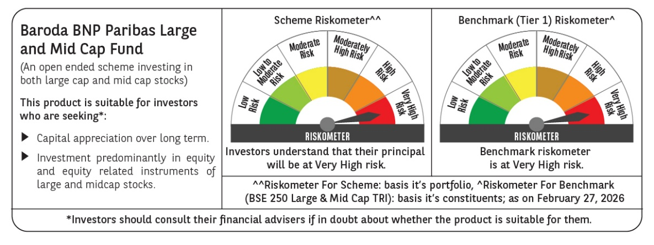
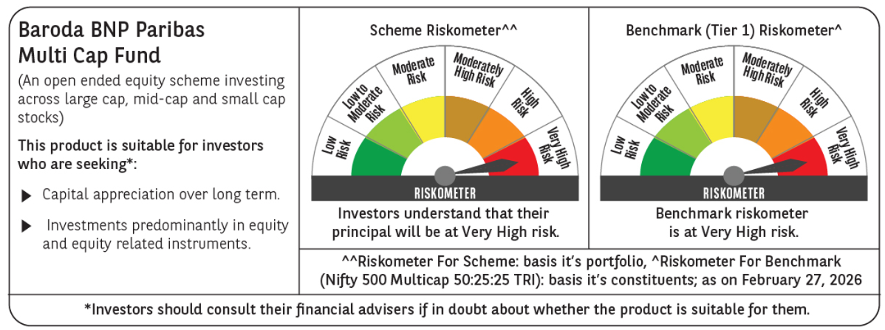
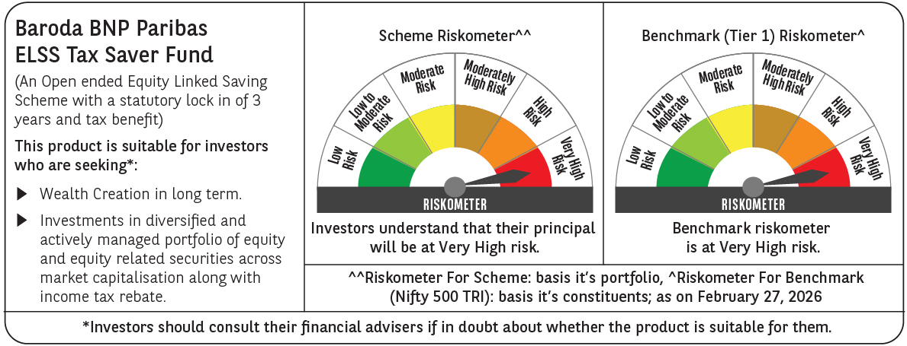
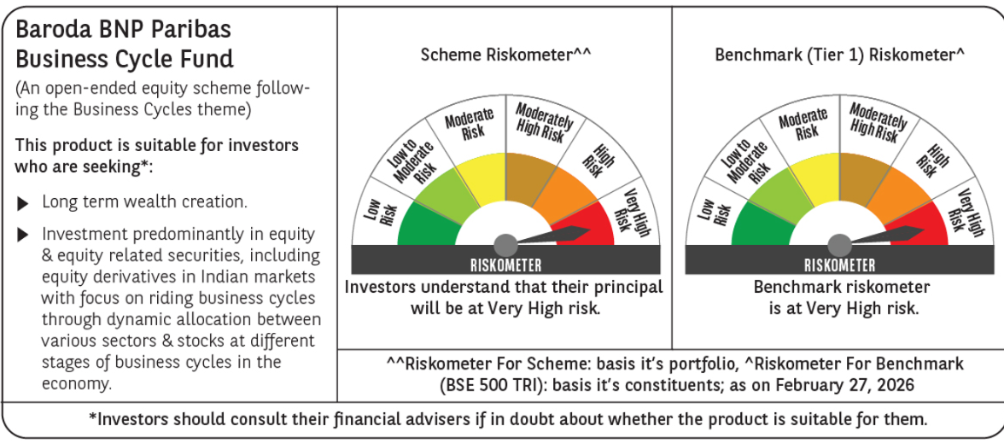
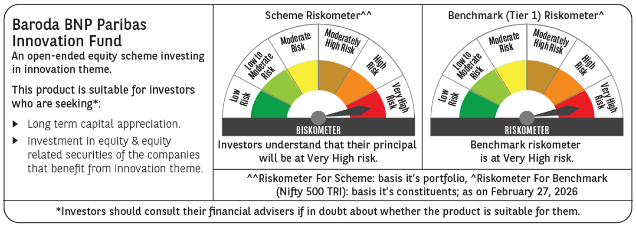
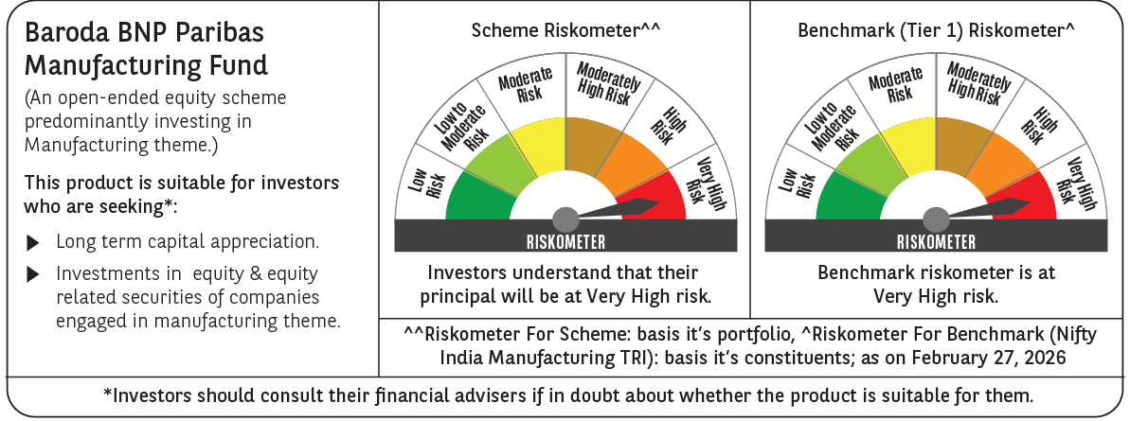
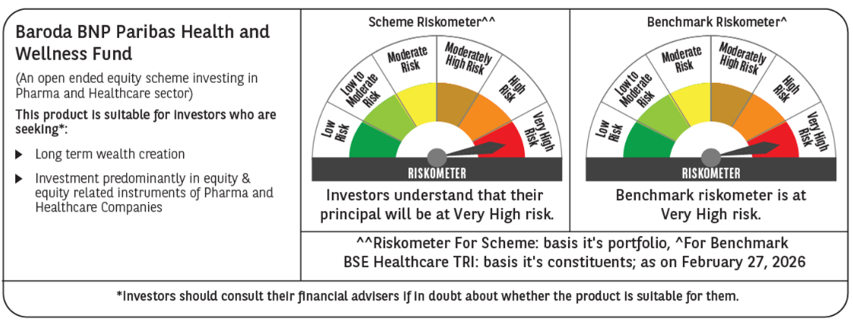
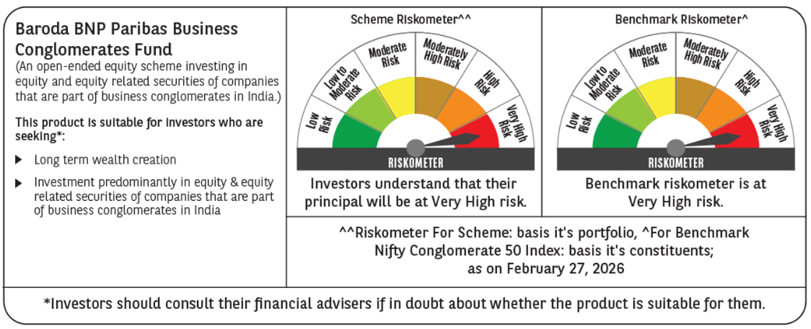
 |  |  |  |  |  |  |  |  |  |  |  |  |  |  |  |  |  |  |  |  |  |  |  |  |  |  |  |  |  |  |  |  |  |  |  |  |  |  |  |  |  |  |  |  |  |  |  |  |  |  |  |  |  |  |  |  |  |  |  |  |  |  |  |  |  |  |  |  |  |  |  |  |  |  |  |  |  |  |  |  |  |  |  |  |  |  |  |  |  |  |  |  |  |  |  |  |  |  |  |  |  |  |  |  |  |  |  |  |  |  |  |  |  |  |  |  |  |  |  |  | 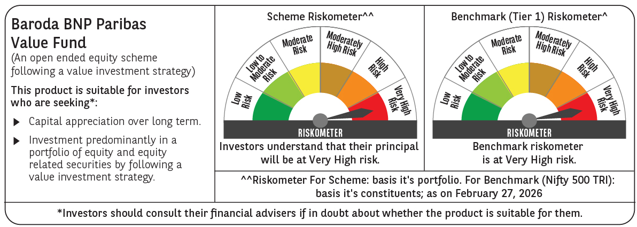
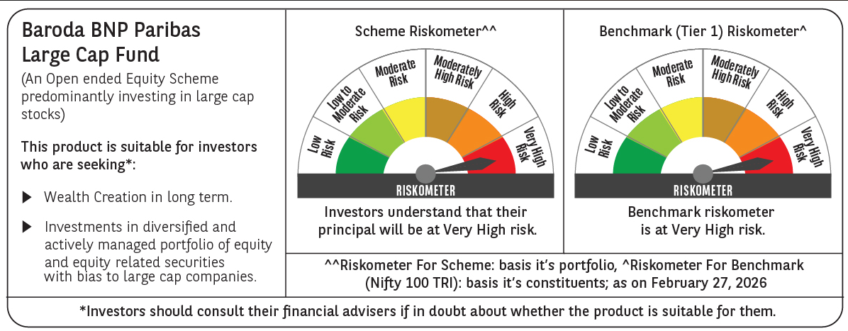
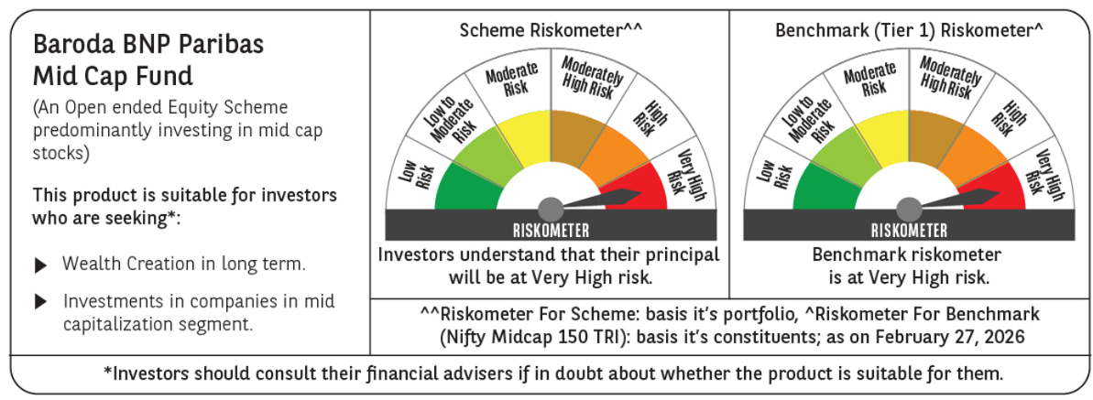
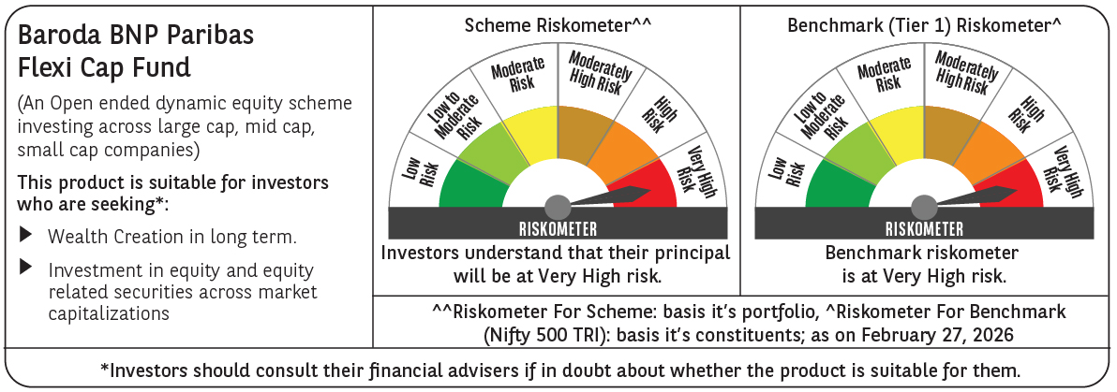
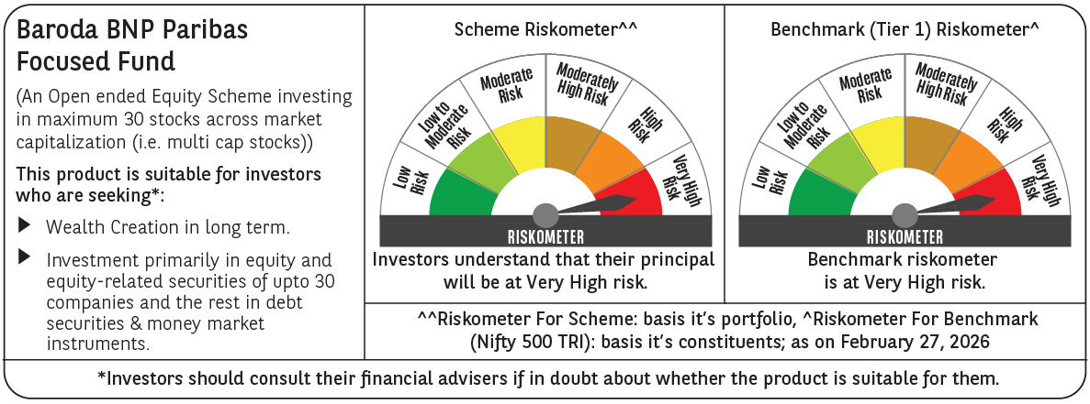
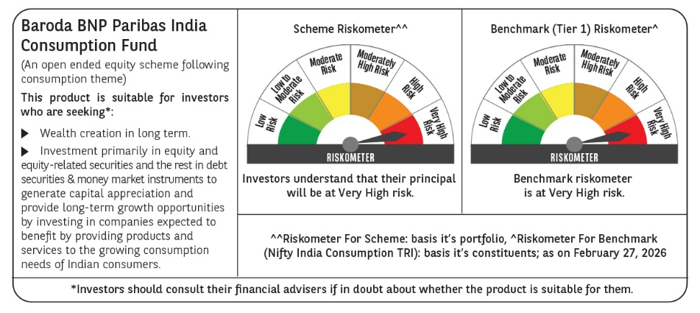
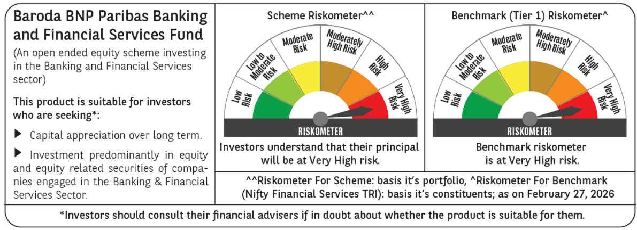
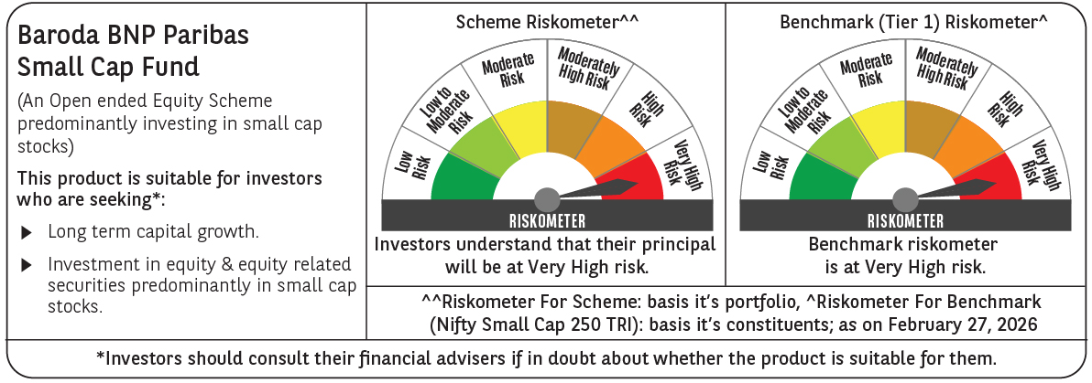
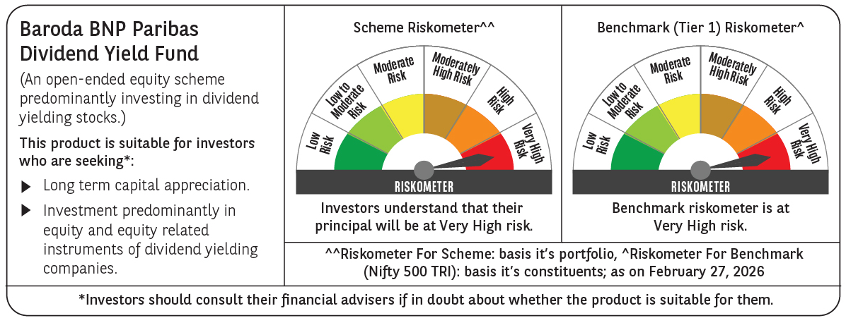
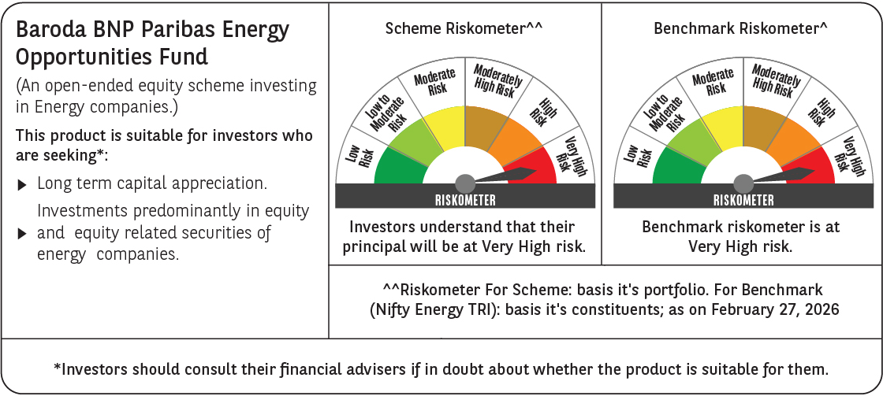

 | Past performance may or may not be sustained in future and should not be used as a basis of comparison with other investments. Returns do not take into account the load and taxes, if any. Returns are for growth option. Different plans shall have a different expense structure. Where scheme performance for last 3 and 5 years is not available, the same has not been shown. Returns in INR show the value of 10,000/- invested for last 1 year, last 3 years, last 5 years and since inception respectively ~The scheme is a ‘Transferee Scheme’, and accordingly, the performance is being provided in accordance with provisions of the SEBI Circular No- SEBI/HO/IMD/DF3/CIR/P/2018/69 dated April 12, 2018 whereby the weighted average performance of both the Transferor Scheme and Transferee Scheme has been considered

Hybrid & FOF
Scheme Name | Baroda BNP Paribas Balanced Advantage Fund |  |  |  |  |  |  |  |  |  |  |  | BARODA BNP PARIBAS AGGRESSIVE HYBRID FUND |  |  |  |  |  |  |  |  |  |  |  | Baroda BNP Paribas Equity Savings Fund |  |  |  |  |  |  |  |  |  |  |  | BARODA BNP PARIBAS CONSERVATIVE HYBRID FUND |  |  |  |  |  |  |  |  |  |  |  | BARODA BNP PARIBAS ARBITRAGE FUND |  |  |  |  |  |  |  |  |  |  |  | Baroda BNP Paribas Aqua Fund of Fund |  |  |  |  |  |  |  |  |  |  |  | Baroda BNP Paribas Multi Asset Fund |  |  |  |  |  |  |  |  |  |  |  | Baroda BNP Paribas Income Plus Arbitrage Active Fund of Fund |  |  |  |  |  |  |  |  |  |  |  |  |  | Baroda BNP Paribas Multi Asset Active Fund of Funds |  |  |  |  |  |  |  |  |  |  |  |  |  | Baroda BNP Paribas Gold ETF Fund of Funds
Scheme Type | An open ended balanced advantage fund. |  |  |  |  |  |  |  |  |  |  |  | An Open ended Hybrid Scheme investing predominantly in equity and equity related instruments |  |  |  |  |  |  |  |  |  |  |  | An open ended scheme investing in equity, arbitrage and debt instruments. |  |  |  |  |  |  |  |  |  |  |  | An Open ended Hybrid Scheme investing predominantly in debt instruments. |  |  |  |  |  |  |  |  |  |  |  | An Open ended Scheme investing in arbitrage opportunities. |  |  |  |  |  |  |  |  |  |  |  | An Open Ended Fund of Fund scheme investing in BNP Paribas Funds Aqua (Lux) |  |  |  |  |  |  |  |  |  |  |  | An open ended scheme investing in Equity, Debt and Gold ETF |  |  |  |  |  |  |  |  |  |  |  | An open-ended fund of fund scheme predominantly investing in arbitrage and debt oriented schemes of Baroda BNP Paribas Mutual Fund |  |  |  |  |  |  |  |  |  |  |  |  |  | An open ended fund of fund scheme predominantly investing in debt, equity and gold oriented schemes of Baroda BNP Paribas Mutual Fund |  |  |  |  |  |  |  |  |  |  |  |  |  | An open-ended fund of fund scheme investing in Baroda BNP Paribas Gold ETF
Potential Risk Class (as on date) | N.A |  |  |  |  |  |  |  |  |  |  |  | N.A |  |  |  |  |  |  |  |  |  |  |  | N.A |  |  |  |  |  |  |  |  |  |  |  | N.A |  |  |  |  |  |  |  |  |  |  |  | N.A |  |  |  |  |  |  |  |  |  |  |  | N.A |  |  |  |  |  |  |  |  |  |  |  | N.A |  |  |  |  |  |  |  |  |  |  |  | N.A |  |  |  |  |  |  |  |  |  |  |  |  |  | N.A |  |  |  |  |  |  |  |  |  |  |  |  |  | N.A
Objective of the scheme | The primary objective of the Scheme is to generate capital appreciation by investing in a portfolio of equity or equity linked securities while the secondary objective is to generate income through investments in debt and money market instruments. . It also aims to manage risk through active asset allocation. However, there is no assurance that the investment objective of the Scheme will be achieved. The Scheme does not guarantee/ indicate any returns. |  |  |  |  |  |  |  |  |  |  |  | The Scheme seeks to generate income and capital appreciation by investing in a diversified portfolio of equity and equity related instruments and fixed income instruments.However, there is no assurance that the investment objective of the Scheme will be achieved. |  |  |  |  |  |  |  |  |  |  |  | The primary objective of the Scheme is to generate capital appreciation and income by using arbitrage opportunities, investment in equity / equity related instruments and debt/ money market instruments.However, there is no assurance that the investment objective of the Scheme will be achieved. |  |  |  |  |  |  |  |  |  |  |  | The primary objective of the Scheme is to generate regular returns through investments primarily in Debt and Money Market Instruments. The secondary objective of the Scheme is to generate long-term capital appreciation by investing a portion of the Scheme's assets in equity and equity related securities. There is no assurance that the investment objective of the Scheme will be achieved. The Scheme does not guarantee/ indicate any return |  |  |  |  |  |  |  |  |  |  |  | The primary investment objective of the scheme is to generate income and capital appreciation by investing in a combination of diversified portfolio of equity and equity related instruments, including use of equity derivatives strategies and arbitrage opportunities with exposure in debt and fixed income instruments. However, there can be no assurance that the investment objective of the Scheme will be achieved. The Scheme does not guarantee/indicate any returns |  |  |  |  |  |  |  |  |  |  |  | The primary investment objective of the Scheme is to seek capital appreciation by investing predominantly in units of BNP Paribas Funds Aqua (Lux). |  |  |  |  |  |  |  |  |  |  |  | The Scheme seeks to generate long term capital growth by investing in equity and equity related securities, debt & money market instruments, InVITs and Gold ETF. However, there can be no assurance that the investment objectives of the Scheme will be realized. The Scheme does not guarantee/indicate any returns. |  |  |  |  |  |  |  |  |  |  |  | The primary objective of the Scheme is to offer regular income and capital appreciation through diversification of investments across debt and arbitrage schemes. The Scheme does not guarantee / indicate any returns. There is no assurance that the investment objective of the Scheme will be achieved |  |  |  |  |  |  |  |  |  |  |  |  |  | The primary objective of the Scheme is to offer capital appreciation and income over long term through diversification of investments across debt, equity and gold schemes. However, there is no assurance that the investment objective of the Scheme will be achieved. |  |  |  |  |  |  |  |  |  |  |  |  |  | The investment objective of the Scheme is to seek to provide returns that are in line with the returns provided by Baroda BNP Paribas Gold Exchange Traded Fund. However, there is no assurance or guarantee that the objective of the Scheme will be achieved.
Allotment Date | 14-Nov-2018 |  |  |  |  |  |  |  |  |  |  |  | 07-Apr-2017 |  |  |  |  |  |  |  |  |  |  |  | 25-Jul-2019 |  |  |  |  |  |  |  |  |  |  |  | 23-Sep-2004 |  |  |  |  |  |  |  |  |  |  |  | 28-Dec-2016 |  |  |  |  |  |  |  |  |  |  |  | 07-May-2021 |  |  |  |  |  |  |  |  |  |  |  | 19-Dec-22 |  |  |  |  |  |  |  |  |  |  |  | 23-May-25 |  |  |  |  |  |  |  |  |  |  |  |  |  | 15-May-25 |  |  |  |  |  |  |  |  |  |  |  |  |  | 20-Aug-25
Benchmark (Tier 1) | NIFTY 50 Hybrid Composite debt 50:50 Index |  |  |  |  |  |  |  |  |  |  |  | CRISIL Hybrid 35+65 - Aggressive Index |  |  |  |  |  |  |  |  |  |  |  | Nifty Equity Savings Index TRI |  |  |  |  |  |  |  |  |  |  |  | CRISIL Hybrid 85+15 - Conservative Index |  |  |  |  |  |  |  |  |  |  |  | Nifty 50 Arbitrage Index |  |  |  |  |  |  |  |  |  |  |  | MSCI World Index (Total Return Index) |  |  |  |  |  |  |  |  |  |  |  | 65% of Nifty 500 TRI + 20% of NIFTY Composite Debt Index + 15% of INR Price of Gold |  |  |  |  |  |  |  |  |  |  |  | Nifty Composite Debt Index 60% + Nifty Arbitrage Index 40% Total Return Index |  |  |  |  |  |  |  |  |  |  |  |  |  | 65% of NIFTY Composite Debt Index TRI + 15% Nifty 500 TRI + 15% of INR Price of Gold |  |  |  |  |  |  |  |  |  |  |  |  |  | Domestic Price of Gold
Scheme Codes | BBNP/O/H/BAF/18/07/0020 |  |  |  |  |  |  |  |  |  |  |  | BBNP/O/H/AHF/17/01/0016 |  |  |  |  |  |  |  |  |  |  |  | BBNP/O/H/ESF/19/02/0022 |  |  |  |  |  |  |  |  |  |  |  | BBNP/O/H/CHF/04/07/0004 |  |  |  |  |  |  |  |  |  |  |  | BBNP/O/H/ARB/16/08/0015 |  |  |  |  |  |  |  |  |  |  |  | BBNP/O/O/FOO/21/02/0027 |  |  |  |  |  |  |  |  |  |  |  | BBNP/O/E/MAA/22/09/0030 |  |  |  |  |  |  |  |  |  |  |  | BBNP/O/H/FOD/25/04/0049 |  |  |  |  |  |  |  |  |  |  |  |  |  | BBNP/O/H/FOD/25/04/0048 |  |  |  |  |  |  |  |  |  |  |  |  |  | BBNP/O/O/FOD/25/04/0051
Fund Manager From Date | Mr. Sanjay Chawla (Equity Portfolio) (Managing Since November 14, 2018), Mr. Pratish Krishnan (Equity portfolio) (Managing Since August 05, 2021), Mr. Neeraj Saxena (Equity Portfolio) (Managing Since October 21, 2024) Mr. Gurvinder Singh Wasan (Fixed Income Portfolio) (Managing Since October 21, 2024) |  |  |  |  |  |  |  |  |  |  |  | Mr. Jitendra Sriram (Equity Portfolio) (Managing Since June 16, 2022), Mr. Pratish Krishnan (Equity Portfolio) (Managing Since March 14, 2022), Mr. Gurvinder Singh Wasan (Fixed Income Portfolio) (Managing Since October 21, 2024) |  |  |  |  |  |  |  |  |  |  |  | Mr. Pratish Krishnan (For Equity Portfolio) (Managing Since September 05, 2019), Mr. Neeraj Saxena (For Equity Portfolio) (Managing Since October 21, 2024), Mr. Gurvinder Singh Wasan (Fixed Income Portfolio) (Managing Since October 21, 2024) & Mr. Ankeet Pandya (Equity Portfolio) (Managing Since January 01, 2025) |  |  |  |  |  |  |  |  |  |  |  | Mr. Pratish Krishnan (For Equity Portfolio) (Managing Since March 14, 2022) Mr. Prashant Pimple (For Fixed Income Portfolio) (Managing Since October 21, 2022) Mr. Gurvinder Singh Wasan (For Fixed Income Portfolio) (Managing Since October 21, 2024) & Mr. Ankeet Pandya (Equity Portfolio) (Managing Since January 01, 2025) |  |  |  |  |  |  |  |  |  |  |  | Mr. Neeraj Saxena (For equity Portion) (Managing Since March 14, 2022), Mr. Vikram Pamnani (For Debt portion) (Managing Since March 16, 2022) |  |  |  |  |  |  |  |  |  |  |  | Ms. Swapna Shelar (Managing Since October 21, 2024) |  |  |  |  |  |  |  |  |  |  |  | Mr. Jitendra Sriram (Equity Portion) (Managing Since December 19, 2022) Mr. Vikram Pamnani (Debt Portion) (Managing Since December 19, 2022) & Mr. Pratish Krishnan (Equity Portfolio) (Managing since October 21, 2024) |  |  |  |  |  |  |  |  |  |  |  | Mr. Vikram Pamnani (Managing since June 05, 2025) & Mr. Neeraj Saxena (Managing since May 23, 2025) |  |  |  |  |  |  |  |  |  |  |  |  |  | Mr. Prashant Pimple (Managing since May 15, 2025) & Mr. Pratish Krishnan (Managing since May 15, 2025) |  |  |  |  |  |  |  |  |  |  |  |  |  | Mr. Gurvinder Wasan (Managing since Aug 20, 2025) Mr Madhav Vyas ( Managing since Aug 20, 2025) Mr. Swapna shelkar (Managing since Aug 20, 2025)
Scheme AUM (in Crores) | 4,766.56 |  |  |  |  |  |  |  |  |  |  |  | 1,249.90 |  |  |  |  |  |  |  |  |  |  |  | 281.85 |  |  |  |  |  |  |  |  |  |  |  | 816.78 |  |  |  |  |  |  |  |  |  |  |  | 1,361.87 |  |  |  |  |  |  |  |  |  |  |  | 35.68 |  |  |  |  |  |  |  |  |  |  |  | 1,403.04 |  |  |  |  |  |  |  |  |  |  |  | 80.07 |  |  |  |  |  |  |  |  |  |  |  |  |  | 129.48 |  |  |  |  |  |  |  |  |  |  |  |  |  | 199.42
Expense ratio | Regular Plan (%) : 1.88%, Direct Plan (%) : 0.75% |  |  |  |  |  |  |  |  |  |  |  | Regular Plan (%) : 2.11%, Direct Plan (%) : 0.52% |  |  |  |  |  |  |  |  |  |  |  | Regular Plan (%) : 2.50%, Direct Plan (%) : 1.40% |  |  |  |  |  |  |  |  |  |  |  | Regular Plan (%) : 1.99%, Direct Plan (%) : 0.51% |  |  |  |  |  |  |  |  |  |  |  | Regular Plan (%) : 1.11%, Direct Plan (%) : 0.31% |  |  |  |  |  |  |  |  |  |  |  | Regular Plan (%) : 1.58%, Direct Plan (%) : 0.61% |  |  |  |  |  |  |  |  |  |  |  | Regular Plan (%) : 2.05%, Direct Plan (%) : 0.89% |  |  |  |  |  |  |  |  |  |  |  | Regular Plan (%) : 0.25%, Direct Plan (%) : 0.05% |  |  |  |  |  |  |  |  |  |  |  |  |  | Regular Plan (%) : 0.99%, Direct Plan (%) : 0.09% |  |  |  |  |  |  |  |  |  |  |  |  |  | Regular Plan (%) :0.55%, Direct Plan (%) : 0.15%
Performance as on February 28, 2026 | Baroda BNP Paribas Balanced Advantage Fund | Last 1 Year |  | Last 3 years |  | Last 5 years |  | Since Inception - Regular/Distributor |  | Since Inception - Direct |  | Date of Inception of the Scheme | BARODA BNP PARIBAS AGGRESSIVE HYBRID FUND | Last 1 Year |  | Last 3 years |  | Last 5 years |  | Since Inception - Regular/Distributor |  | Since Inception - Direct |  | Date of Inception of the Scheme | Baroda BNP Paribas Equity Savings Fund | Last 1 Year |  | Last 3 years |  | Last 5 years |  | Since Inception - Regular/Distributor |  | Since Inception - Direct |  | Date of Inception of the Scheme | BARODA BNP PARIBAS CONSERVATIVE HYBRID FUND~ | Last 1 Year |  | Last 3 years |  | Last 5 years |  | Since Inception - Regular/Distributor |  | Since Inception - Direct |  | Date of Inception of the Scheme | BARODA BNP PARIBAS ARBITRAGE FUND | Last 1 Year |  | Last 3 years |  | Last 5 years |  | Since Inception - Regular/Distributor |  | Since Inception - Direct |  | Date of Inception of the Scheme | Baroda BNP Paribas Funds Aqua Fund of Fund | Last 1 Year |  | Last 3 years |  | Last 5 years |  | Since Inception - Regular/Distributor |  | Since Inception - Direct |  | Date of Inception of the Scheme | Baroda BNP Paribas Multi Asset Fund | Last 1 Year |  | Last 3 years |  | Last 5 years |  | Since Inception - Regular/Distributor |  | Since Inception - Direct |  | Date of Inception of the Scheme | Baroda BNP Paribas Income Plus Arbitrage Active Fund of Fund | Last 6 Months |  | Last 1 Year |  | Last 3 years |  | Last 5 years |  | Since Inception - Regular/Distributor |  | Since Inception - Direct |  | Date of Inception of the Scheme | Baroda BNP Paribas Multi Asset Active Fund of Fund | Last 6 Months |  | Last 1 Year |  | Last 3 years |  | Last 5 years |  | Since Inception - Regular/Distributor |  | Since Inception - Direct |  | Date of Inception of the Scheme | Baroda BNP Paribas Multi Asset Active Fund of Fund | Last 6 Months |  | Last 1 Year |  | Last 3 years |  | Last 5 years |  | Since Inception - Regular/Distributor |  | Since Inception - Direct |  | Date of Inception of the Scheme
 |  | Returns In INR* | CAGR | Returns In INR* | CAGR | Returns In INR* | CAGR | Returns In INR* | CAGR | Returns In INR* | CAGR |  |  | Returns In INR* | CAGR | Returns In INR* | CAGR | Returns In INR* | CAGR | Returns In INR* | CAGR | Returns In INR* | CAGR |  |  | Returns In INR* | CAGR | Returns In INR* | CAGR | Returns In INR* | CAGR | Returns In INR* | CAGR | Returns In INR* | CAGR |  |  | Returns In INR* | CAGR | Returns In INR* | CAGR | Returns In INR* | CAGR | Returns In INR* | CAGR | Returns In INR* | CAGR |  |  | Returns In INR* | CAGR | Returns In INR* | CAGR | Returns In INR* | CAGR | Returns In INR* | CAGR | Returns In INR* | CAGR |  |  | Returns In INR* | CAGR | Returns In INR* | CAGR | Returns In INR* | CAGR | Returns In INR* | CAGR | Returns In INR* | CAGR |  |  | Returns In INR* | CAGR | Returns In INR* | CAGR | Returns In INR* | CAGR | Returns In INR* | CAGR | Returns In INR* | CAGR |  |  | Returns In INR* | CAGR | Returns In INR* | CAGR | Returns In INR* | CAGR | Returns In INR* | CAGR | Returns In INR* | CAGR | Returns In INR* | CAGR |  |  | Returns In INR* | CAGR | Returns In INR* | CAGR | Returns In INR* | CAGR | Returns In INR* | CAGR | Returns In INR* | CAGR | Returns In INR* | CAGR |  |  | Returns In INR* | CAGR | Returns In INR* | CAGR | Returns In INR* | CAGR | Returns In INR* | CAGR | Returns In INR* | CAGR | Returns In INR* | CAGR
 | Distributor Plan | 11782.38 | 17.99 | 15140.23 | 14.83 | 17500.97 | 11.83 | 25123.80 | 13.46 | - | - | 14-Nov-18 | Regular Plan | 11228.79 | 12.40 | 15179.61 | 14.93 | 17658.85 | 12.03 | 27984.40 | 12.26 | - | - | 7-Apr-17 | Regular Plan | 11068.38 | 10.78 | 13409.92 | 10.27 | 14577.34 | 7.82 | 16950.00 | 8.32 | - | - | 25-Jul-19 | Distributor Plan | 10786.80 | 7.94 | 12822.06 | 8.64 | 13851.06 | 6.72 | 44185.32 | 7.17 | - | - | 23-Sep-04 | Regular Plan | 10605.37 | 6.11 | 12213.45 | 6.89 | 13203.87 | 5.71 | 16662.10 | 5.72 | - | - | 28-Dec-16 | Regular Plan | 12658.53 | 26.84 | 15019.22 | 14.52 | N.A. | N.A. | 15631.00 | 9.72 | - | - | 7-May-21 | Regular Plan | 12330.66 | 23.52 | 16577.07 | 18.35 | N.A. | N.A. | 16272.40 | 16.46 | - | - | 19-Dec-22 | Regular Plan | 10300.48 | 6.03 | N.A. | N.A. | N.A. | N.A. | N.A. | N.A. | 10411.75 | 5.40 | - | - | 23-May-25 | Regular Plan | 11225.04 | 24.57 | N.A. | N.A. | N.A. | N.A. | N.A. | N.A. | 11335.68 | 18.25 | - | - | 30-May-25 | Regular Plan | 15184.94 | 103.98 | N.A. | N.A. | N.A. | N.A. | N.A. | N.A. | 14747.26 | 110.09 | - | - | 2025-08-20
 | Direct Plan | 11916.59 | 19.34 | 15678.38 | 16.17 | 18633.48 | 13.24 | - | - | 27642.80 | 14.96 | 14-Nov-18 | Direct Plan | 11408.61 | 14.21 | 15936.86 | 16.81 | 19181.79 | 13.90 | - | - | 32304.40 | 14.09 | 7-Apr-17 | Direct Plan | 11193.40 | 12.04 | 13858.67 | 11.49 | 15397.59 | 9.01 | - | - | 18211.10 | 9.51 | 25-Jul-19 | Direct Plan | 10947.15 | 9.55 | 13418.49 | 10.30 | 14961.63 | 8.38 | - | - | 32417.80 | 9.35 | 1-Jan-13 | Direct Plan | 10690.42 | 6.96 | 12489.30 | 7.69 | 13681.02 | 6.46 | - | - | 17693.40 | 6.42 | 28-Dec-16 | Direct Plan | 12788.02 | 28.14 | 15491.11 | 15.71 | N.A. | N.A. | - | - | 16452.30 | 10.90 | 7-May-21 | Direct Plan | 12475.96 | 24.99 | 17268.87 | 19.97 | N.A. | N.A. | - | - | 17010.60 | 18.09 | 19-Dec-22 | Direct Plan | 10310.70 | 6.23 | N.A. | N.A. | N.A. | N.A. | N.A. | N.A. | - | - | 10427.55 | 5.61 | 23-May-25 | Direct Plan | 11275.57 | 25.58 | N.A. | N.A. | N.A. | N.A. | N.A. | N.A. | - | - | 11408.65 | 19.27 | 30-May-25 | Direct Plan | 15200.38 | 104.29 | N.A. | N.A. | N.A. | N.A. | N.A. | N.A. | - | - | 14759.68 | 110.43 | 2025-08-20
 | NIFTY 50 Hybrid Composite Debt 50:50 Index | 11021.87 | 10.31 | 13701.07 | 11.07 | 15878.13 | 9.68 | 21612.81 | 11.15 | 21612.81 | 11.15 |  | CRISIL Hybrid 35+65 - Aggressive Index | 11359.04 | 13.71 | 14878.50 | 14.16 | 17445.54 | 11.76 | 27216.98 | 11.91 | 27216.98 | 11.91 |  | NIFTY Equity Savings Index TRI | 11017.84 | 10.27 | 13424.98 | 10.32 | 15306.55 | 8.88 | 18181.91 | 9.48 | 18181.91 | 9.48 |  | CRISIL Hybrid 85+15 - Conservative Index | 10825.06 | 8.32 | 13029.21 | 9.22 | 14448.65 | 7.63 | 57986.09 | 8.54 | 30533.65 | 8.85 |  | Nifty 50 Arbitrage Index | 10751.99 | 7.59 | 12514.70 | 7.76 | 13645.63 | 6.41 | 16339.39 | 5.50 | 16339.39 | 5.50 |  | MSCI World Index | 12626.66 | 26.51 | 19320.10 | 24.55 | N.A. | N.A. | 20229.06 | 15.76 | 20229.06 | 15.76 |  | 65% of Nifty 500 TRI + 20% of NIFTY Composite Debt Index + 15% of INR Price of Gold | 12407.08 | 24.30 | 17092.09 | 19.56 | N.A. | N.A. | 16278.40 | 16.48 | 16278.40 | 16.48 |  | Nifty Composite Debt Index 60% + Nifty Arbitrage Index 40% Total Return Index | 10266.74 | 5.35 | N.A. | N.A. | N.A. | N.A. | N.A. | N.A. | 10283.19 | 3.71 | 10283.19 | 3.71 |  | 60% of NIFTY Composite Debt Index TRI + 20% Nifty 500 TRI + 20% of INR Price of Gold | 11170.13 | 23.47 | N.A. | N.A. | N.A. | N.A. | N.A. | N.A. | 11225.46 | 16.71 | 11225.46 | 16.71 |  | Domestic Price of Gold | 15552.58 | 111.36 | N.A. | N.A. | N.A. | N.A. | N.A. | N.A. | 14998.85 | 116.99 | 14998.85 | 116.99
 | Additional Benchmark Nifty 50 TRI Index | 11507.37 | 15.21 | 15083.51 | 14.68 | 18385.26 | 12.94 | 25911.75 | 13.95 | 25911.75 | 13.95 |  | Additional Benchmark Nifty 50 TRI | 11507.37 | 15.21 | 15083.51 | 14.68 | 18385.26 | 12.94 | 30501.59 | 13.35 | 30501.59 | 13.35 |  | Additional Benchmark CRISIL 10 Year Gilt Index | 10555.25 | 5.60 | 12603.97 | 8.02 | 13095.62 | 5.54 | 14251.32 | 5.51 | 14251.32 | 5.51 |  | Additional Benchmark CRISIL 10 year Gilt Index | 10555.25 | 5.60 | 12603.97 | 8.02 | 13095.62 | 5.54 | 35272.52 | 6.05 | 22953.12 | 6.51 |  | Additional Benchmark CRISIL 1 Year T-Bill Index | 10568.47 | 5.73 | 12206.51 | 6.87 | 13181.50 | 5.67 | 17063.33 | 6.00 | 17063.33 | 6.00 |  | Additional Benchmark Nifty 50 TRI | 11507.37 | 15.21 | 15083.51 | 14.68 | N.A. | N.A. | 17996.21 | 12.98 | 17996.21 | 12.98 |  | Additional Benchmark Nifty 50 TRI | 11507.37 | 15.21 | 15083.51 | 14.68 | N.A. | N.A. | 14166.18 | 11.52 | 14166.18 | 11.52 |  |  | 10336.34 | 6.75 | N.A. | N.A. | N.A. | N.A. | N.A. | N.A. | 10234.97 | 3.07 | 10234.97 | 3.07 |  | Additional Benchmark Nifty 50 TRI | 10336.34 | 6.75 | N.A. | N.A. | N.A. | N.A. | N.A. | N.A. | 10261.53 | 3.51 | 10261.53 | 3.51 |  | Additional Benchmark Nifty 50 TRI | 10336.34 | 6.75 | N.A. | N.A. | N.A. | N.A. | N.A. | N.A. | 10079.74 | 1.53 | 10079.74 | 1.53
Portfolio details | Click Here |  |  |  |  |  |  |  |  |  |  |  | Click Here |  |  |  |  |  |  |  |  |  |  |  | Click Here |  |  |  |  |  |  |  |  |  |  |  | Click Here |  |  |  |  |  |  |  |  |  |  |  | Click Here |  |  |  |  |  |  |  |  |  |  |  | Click Here |  |  |  |  |  |  |  |  |  |  |  | Click Here |  |  |  |  |  |  |  |  |  |  |  | Click Here |  |  |  |  |  |  |  |  |  |  |  |  |  | Click Here |  |  |  |  |  |  |  |  |  |  |  |  |  | Click Here
Riskometer (as on Date) | Very High |  |  |  |  |  |  |  |  |  |  |  | Very High |  |  |  |  |  |  |  |  |  |  |  | Moderately High |  |  |  |  |  |  |  |  |  |  |  | Moderately High |  |  |  |  |  |  |  |  |  |  |  | Low |  |  |  |  |  |  |  |  |  |  |  | Very High |  |  |  |  |  |  |  |  |  |  |  | Click Here
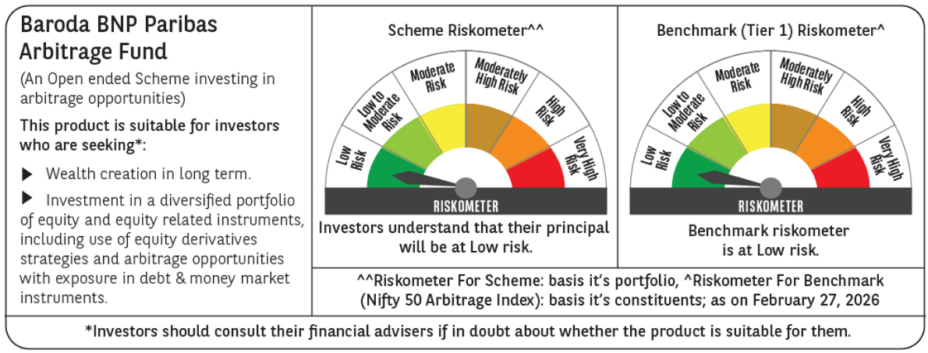
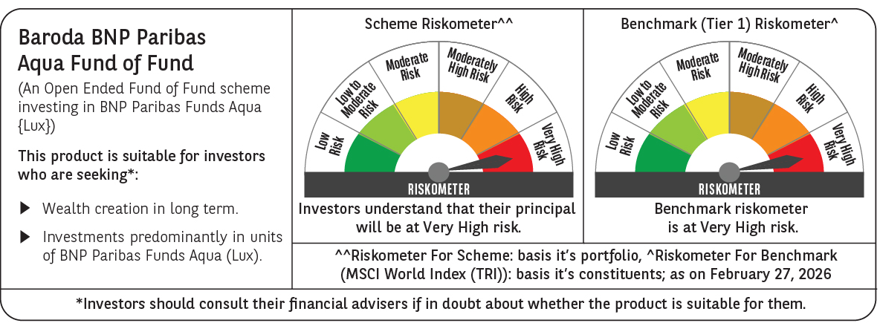
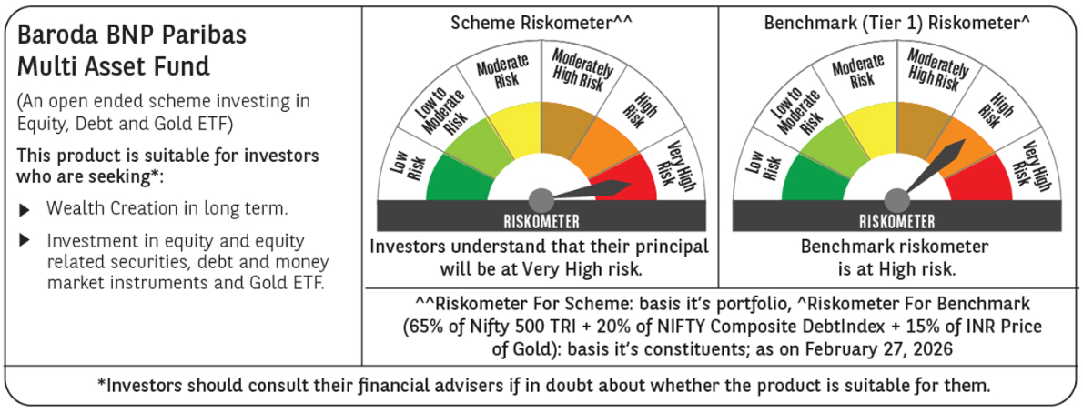
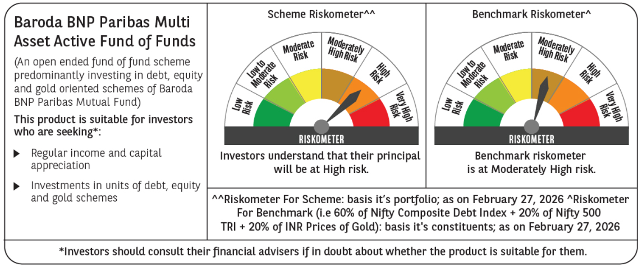
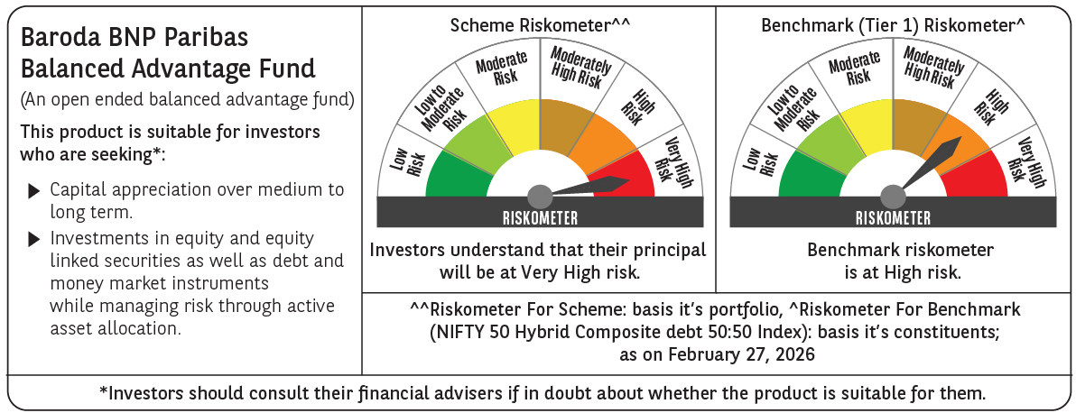
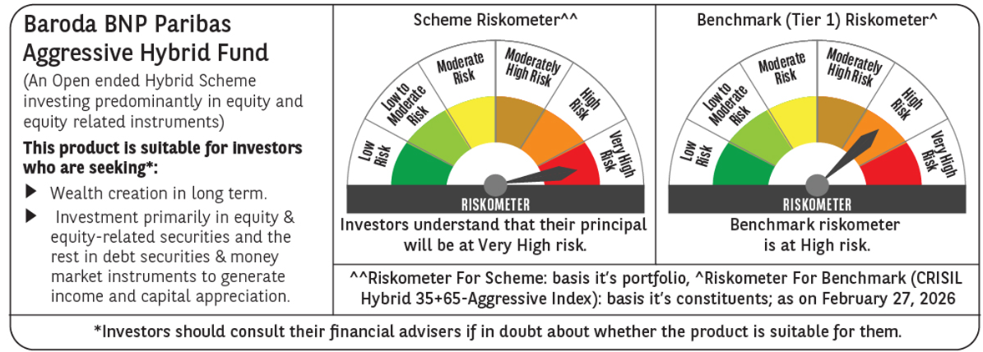
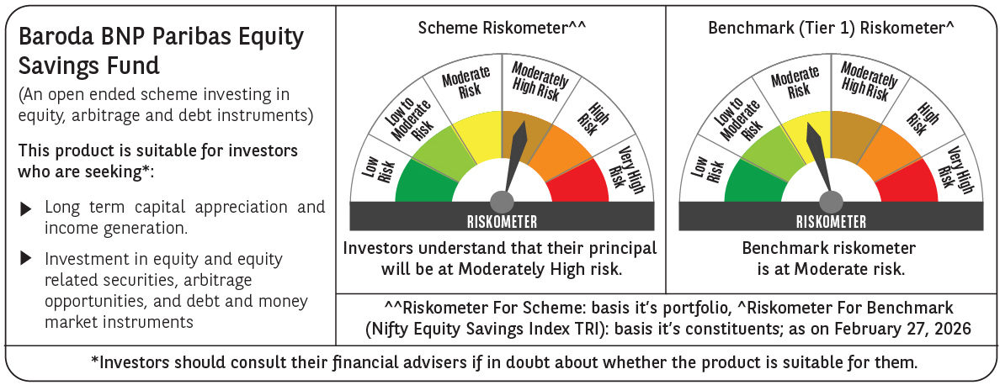
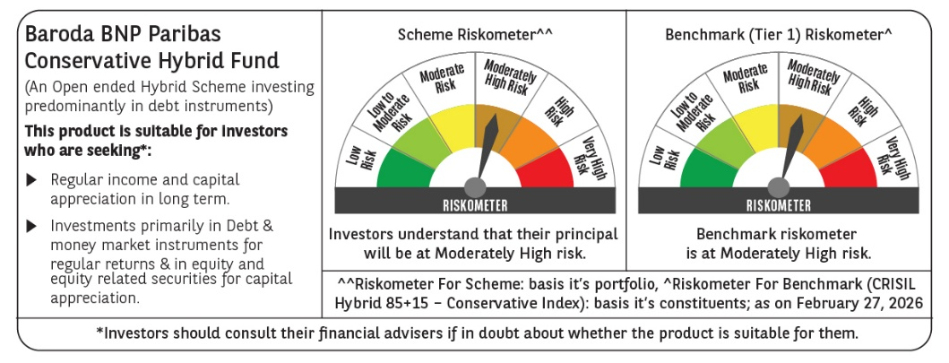
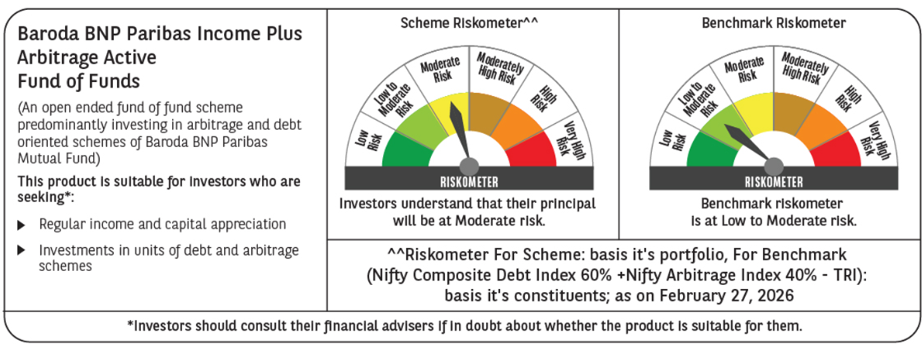
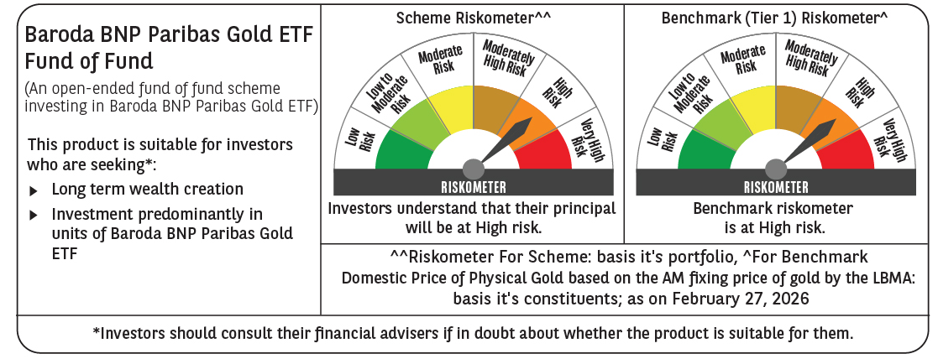

 | Past performance may or may not be sustained in future and should not be used as a basis of comparison with other investments. Returns do not take into account the load and taxes, if any. Returns are for growth option. Different plans shall have a different expense structure.
 | Where scheme performance for last 3 and 5 years is not available, the same has not been shown. Performance of Baroda BNP Paribas Flexi cap Fund is not provided as the scheme has not completed 6 months.
 | Returns in INR show the value of 10,000/- invested for last 1 year, last 3 years, last 5 years and since inception respectively
 | ~The scheme is a ‘Transferee Scheme’, and accordingly, the performance is being provided in accordance with provisions of the SEBI Circular No- SEBI/HO/IMD/DF3/CIR/P/2018/69 dated April 12, 2018 whereby the weighted average performance of both the Transferor Scheme and Transferee Scheme has been considered

Debt
Scheme Name | Baroda BNP Paribas Ultra Short Duration Fund |  |  |  |  |  |  |  |  |  |  |  | Baroda BNP Paribas Money Market Fund |  |  |  |  |  |  |  |  |  |  |  | Baroda BNP Paribas Overnight Fund |  |  |  |  |  |  |  |  |  |  |  | BARODA BNP PARIBAS LOW DURATION FUND |  |  |  |  |  |  |  |  |  |  |  | Baroda BNP Paribas Dynamic Bond Fund |  |  |  |  |  |  |  |  |  |  |  | BARODA BNP PARIBAS CORPORATE BOND FUND |  |  |  |  |  |  |  |  |  |  |  | Baroda BNP Paribas Short Duration Fund |  |  |  |  |  |  |  |  |  |  |  | BARODA BNP PARIBAS LIQUID FUND |  |  |  |  |  |  |  |  |  |  |  | BARODA BNP PARIBAS GILT FUND |  |  |  |  |  |  |  |  |  |  |  | Baroda BNP Paribas Credit Risk Fund (scheme has two segregated portfolios)
Scheme Type | An open ended ultra short term debt scheme investing in instruments such that the Macaulay duration of the portfolio is between 3 months and 6 months. A Relatively Low Interest Rate Risk and Moderate Credit |  |  |  |  |  |  |  |  |  |  |  | An open-ended debt scheme investing in money market instruments. A Relatively Low Interest Rate Risk and Moderate Credit Risk. |  |  |  |  |  |  |  |  |  |  |  | An open-ended debt scheme investing in overnight securities. A Relatively Low Interest Rate Risk and Relatively Low Credit Risk. |  |  |  |  |  |  |  |  |  |  |  | An Open ended Low Duration Debt Scheme investing in instruments such that Macaulay duration of portfolio is between 6 months and 12 months. A relatively low interest rate risk and moderate credit risk scheme. |  |  |  |  |  |  |  |  |  |  |  | An Open ended Dynamic Debt Scheme investing across duration. A Relatively High Interest Rate Risk and Moderate Credit Risk Scheme |  |  |  |  |  |  |  |  |  |  |  | An Open ended Debt Scheme predominantly investing in AA+ and above rated corporate bonds. A relatively high interest rate risk and moderate credit risk scheme. |  |  |  |  |  |  |  |  |  |  |  | An open-ended short term debt scheme investing in instruments such that the Macaulay duration of the portfolio is between 1 year and 3 years. A Moderate Interest Rate Risk and Moderate Credit Risk |  |  |  |  |  |  |  |  |  |  |  | An open-ended liquid scheme. A Relatively Low Interest Rate Risk and Moderate Credit Risk. |  |  |  |  |  |  |  |  |  |  |  | An open-ended debt scheme investing in government securities across maturity. A Relatively High Interest Rate Risk and Low Credit Risk. |  |  |  |  |  |  |  |  |  |  |  | An open-ended debt scheme predominantly investing in AA and below rated corporate bonds (excluding AA+ rated corporate bonds). A Relatively High Interest Rate Risk and High Credit Risk.
Potential Risk Class (as on date) | B-I |  |  |  |  |  |  |  |  |  |  |  | B-I |  |  |  |  |  |  |  |  |  |  |  | A-I |  |  |  |  |  |  |  |  |  |  |  | B-I |  |  |  |  |  |  |  |  |  |  |  | B-III |  |  |  |  |  |  |  |  |  |  |  | B-III |  |  |  |  |  |  |  |  |  |  |  | B-II |  |  |  |  |  |  |  |  |  |  |  | B-I |  |  |  |  |  |  |  |  |  |  |  | A-III |  |  |  |  |  |  |  |  |  |  |  | C-III
Objective of the scheme | The primary objective of the Scheme is to generate regular income by investing in a portfolio of debt and money market instruments such that the Macaulay duration of the portfolio is between 3 months 6 months.However there can be no assurance that the investment objective os the scheme will be realized. The scheme does not gurantee/indicate any returns |  |  |  |  |  |  |  |  |  |  |  | The primary objective of the Scheme is to provide reasonable returns, commensurate with low risk while providing a high level of liquidity, through investments made in money market instruments.However, there can be no assurance that the investment objectives of the Scheme will be realized. The Scheme does not guarantee/indicate any returns |  |  |  |  |  |  |  |  |  |  |  | The primary objective of the Scheme is to generate returns, commensurate with low risk and providing high level of liquidity, through investments made primarily in overnight securities having maturity of one business day. However, there can be no assurance that the investment objectives of the Scheme will be realized |  |  |  |  |  |  |  |  |  |  |  | The primary objective of the Scheme is to provide income consistent with the prudent risk from a portfolio comprising investment in Debt & Money Market instruments such that the Macaulay duration of the portfolio is between 6 months - 12 months.However, there can be no assurance that the investment objectives of the Scheme will be realized. The Scheme does not guarantee/indicate any returns. |  |  |  |  |  |  |  |  |  |  |  | The primary objective of the Scheme is to generate income through investments in a range of Debt and Money Market Instruments of various maturities with a view to maximising income while maintaining an optimum balance between yield, safety and liquidity.However, there can be no assurance that the investment objectives of the Scheme will be realized. The Scheme does not guarantee/indicate any returns |  |  |  |  |  |  |  |  |  |  |  | The primary objective of the Scheme is to generate income and capital gains through investments predominantly in AA+ and above rated corporate bonds.However, there can be no assurance that the investment objectives of the Scheme will be realized. The Scheme does not guarantee/indicate any returns. |  |  |  |  |  |  |  |  |  |  |  | The primary objective of the Scheme is to generate income and capital gains through investments in a portfolio of debt and money market instruments.However, there can be no assurance that the investment objectives of the Scheme will be realized. The Scheme does not guarantee/indicate any returns. |  |  |  |  |  |  |  |  |  |  |  | The primary objective of the Scheme is to generate income with a high level of liquidity by investing in a portfolio of money market and debt securities. There is no assurance that the investment objective of the Scheme will be realized. |  |  |  |  |  |  |  |  |  |  |  | The primary objective of the Scheme is to generate income by investing in a portfolio of government securities. However, there can be no assurance that the investment objectives of the Scheme will be realized. The Scheme does not guarantee/indicate any returns. |  |  |  |  |  |  |  |  |  |  |  | The primary objective of the Scheme is to generate returns by investing in debt and money market instruments across the credit spectrum. However, there can be no assurance that the investment objectives of the Scheme will be realized. The Scheme does not guarantee/indicate any returns.
Allotment Date | 01-Jun-2018 |  |  |  |  |  |  |  |  |  |  |  | 19-Jun-2019 |  |  |  |  |  |  |  |  |  |  |  | 25-Apr-2019 |  |  |  |  |  |  |  |  |  |  |  | 21-Oct-2005 |  |  |  |  |  |  |  |  |  |  |  | 23-Sep-2004 |  |  |  |  |  |  |  |  |  |  |  | 08-Nov-2008 |  |  |  |  |  |  |  |  |  |  |  | 30-Jun-2010 |  |  |  |  |  |  |  |  |  |  |  | 21-Feb-2002 |  |  |  |  |  |  |  |  |  |  |  | 21-Mar-2002 |  |  |  |  |  |  |  |  |  |  |  | 23-Jan-2015
Benchmark (Tier 1) | CRISIL Ultra Short Duration Debt A-I Index |  |  |  |  |  |  |  |  |  |  |  | CRISIL Money Market A-I Index |  |  |  |  |  |  |  |  |  |  |  | CRISIL Liquid Overnight Index |  |  |  |  |  |  |  |  |  |  |  | CRISIL Low Duration Debt A-I Index |  |  |  |  |  |  |  |  |  |  |  | CRISIL Dynamic Bond A-III Index |  |  |  |  |  |  |  |  |  |  |  | CRISIL Corporate Bond A-II Index |  |  |  |  |  |  |  |  |  |  |  | CRISIL Short Duration Debt A-II Index |  |  |  |  |  |  |  |  |  |  |  | CRISIL Liquid Debt A-I Index |  |  |  |  |  |  |  |  |  |  |  | CRISIL Dynamic Gilt Index |  |  |  |  |  |  |  |  |  |  |  | CRISIL Credit Risk Debt B-II Index
Scheme Codes | BBNP/O/D/USD/18/04/0019 |  |  |  |  |  |  |  |  |  |  |  | BBNP/O/D/MMF/19/03/0023 |  |  |  |  |  |  |  |  |  |  |  | BBNP/O/D/ONF/19/03/0024 |  |  |  |  |  |  |  |  |  |  |  | BBNP/O/D/LOW/05/08/0007 |  |  |  |  |  |  |  |  |  |  |  | BBNP/O/D/DBF/04/07/0005 |  |  |  |  |  |  |  |  |  |  |  | BBNP/O/D/CBF/08/07/0010 |  |  |  |  |  |  |  |  |  |  |  | BBNP/O/D/SDF/10/05/0011 |  |  |  |  |  |  |  |  |  |  |  | BBNP/O/D/LIF/02/01/0001 |  |  |  |  |  |  |  |  |  |  |  | BBNP/O/D/GIL/02/01/0002 |  |  |  |  |  |  |  |  |  |  |  | BBNP/O/D/CRF/14/07/0014
Fund Manager From Date | Mr. Gurvinder Singh Wasan (Managing Since October 21, 2024) & Mr. Vikram Pamnani (Managing Since March 14, 2022) |  |  |  |  |  |  |  |  |  |  |  | Mr. Vikram Pamnani (Managing Since March 14, 2022) & Mr. Gurvinder Singh Wasan (Managing Since October 21, 2024) |  |  |  |  |  |  |  |  |  |  |  | Mr. Vikram Pamnani (Managing Since March 14, 2022) & Mr. Gurvinder Singh Wasan (Managing Since October 21, 2024) |  |  |  |  |  |  |  |  |  |  |  | Mr. Gurvinder Singh Wasan (Managing Since October 21, 2024) & Mr. Vikram Pamnani (Managing Since December 27, 2017) |  |  |  |  |  |  |  |  |  |  |  | Mr. Prashant Pimple (Managing Since July 11, 2024) & Mr. Gurvinder Singh Wasan (Managing Since October 21, 2024) |  |  |  |  |  |  |  |  |  |  |  | Mr. Gurvinder Singh Wasan (Managing Since October 21, 2024) & Mr. Vikram Pamnani (Managing Since July 11, 2024) |  |  |  |  |  |  |  |  |  |  |  | Mr. Gurvinder Singh Wasan (Managing Since October 21, 2024) & Mr. Vikram Pamnani (Managing Since July 11, 2024) |  |  |  |  |  |  |  |  |  |  |  | Mr. Vikram Pamnani (Managing Since March 14, 2022) & Mr. Gurvinder Singh Wasan (Managing Since October 21, 2024) |  |  |  |  |  |  |  |  |  |  |  | Mr. Prashant Pimple (Managing Since July 11, 2024) & Mr. Gurvinder Singh Wasan (Managing Since October 21, 2024) |  |  |  |  |  |  |  |  |  |  |  | Mr. Gurvinder Singh Wasan (Managing Since October 21, 2024) & Mr. Vikram Pamnani (Managing Since July 11, 2024)
Scheme AUM (in crores) | 669.64 |  |  |  |  |  |  |  |  |  |  |  | 4,964.82 |  |  |  |  |  |  |  |  |  |  |  | 766.23 |  |  |  |  |  |  |  |  |  |  |  | 300.90 |  |  |  |  |  |  |  |  |  |  |  | 145.42 |  |  |  |  |  |  |  |  |  |  |  | 366.06 |  |  |  |  |  |  |  |  |  |  |  | 297.06 |  |  |  |  |  |  |  |  |  |  |  | 12,362.26 |  |  |  |  |  |  |  |  |  |  |  | 1,055.98 |  |  |  |  |  |  |  |  |  |  |  | 186.56
Expense ratio | Regular Plan (%) : 0.48%, Direct Plan (%) : 0.30% |  |  |  |  |  |  |  |  |  |  |  | Regular Plan (%) : 0.37%, Direct Plan (%) : 0.16% |  |  |  |  |  |  |  |  |  |  |  | Regular Plan (%) : 0.13%, Direct Plan (%) : 0.05% |  |  |  |  |  |  |  |  |  |  |  | Regular Plan (%) : 1.04%, Direct Plan (%) : 0.27% |  |  |  |  |  |  |  |  |  |  |  | Regular Plan (%) : 1.70%, Direct Plan (%) : 0.70% |  |  |  |  |  |  |  |  |  |  |  | Regular Plan (%) : 0.58%, Direct Plan (%) : 0.20% |  |  |  |  |  |  |  |  |  |  |  | Regular Plan (%) : 1.08%, Direct Plan (%) : 0.44% |  |  |  |  |  |  |  |  |  |  |  | Regular Plan (%) : 0.26%, Direct Plan (%) : 0.14% |  |  |  |  |  |  |  |  |  |  |  | Regular Plan (%) : 0.45%, Direct Plan (%) : 0.14% |  |  |  |  |  |  |  |  |  |  |  | Regular Plan (%) : 1.61%, Direct Plan (%) : 0.85%
Performance as on February 28, 2026 | Baroda BNP Paribas Ultra Short Duration Fund | Last 1 Year |  | Last 3 years |  | Last 5 years |  | Since Inception - Regular/Distributor |  | Since Inception - Direct |  | Date of Inception of the Scheme | Baroda BNP Paribas Money Market Fund | Last 1 Year |  | Last 3 years |  | Last 5 years |  | Since Inception - Regular/Distributor |  | Since Inception - Direct |  | Date of Inception of the Scheme | Baroda BNP Paribas Overnight Fund~ | Last 1 Year |  | Last 3 years |  | Last 5 years |  | Since Inception - Regular/Distributor |  | Since Inception - Direct |  | Date of Inception of the Scheme | BARODA BNP PARIBAS LOW DURATION FUND | Last 1 Year |  | Last 3 years |  | Last 5 years |  | Since Inception - Regular/Distributor |  | Since Inception - Direct |  | Date of Inception of the Scheme | Baroda BNP Paribas Dynamic Bond Fund~ | Last 1 Year |  | Last 3 years |  | Last 5 years |  | Since Inception - Regular/Distributor |  | Since Inception - Direct |  | Date of Inception of the Scheme | BARODA BNP PARIBAS CORPORATE BOND FUND | Last 1 Year |  | Last 3 years |  | Last 5 years |  | Since Inception - Regular/Distributor |  | Since Inception - Direct |  | Date of Inception of the Scheme^ | Baroda BNP Paribas Short Duration Fund~ | Last 1 Year |  | Last 3 years |  | Last 5 years |  | Since Inception - Regular/Distributor |  | Since Inception - Direct |  | Date of Inception of the Scheme | BARODA BNP PARIBAS LIQUID FUND~ | Last 1 Year |  | Last 3 years |  | Last 5 years |  | Since Inception - Regular/Distributor |  | Since Inception - Direct |  | Date of Inception of the Scheme | BARODA BNP PARIBAS GILT FUND | Last 1 Year |  | Last 3 years |  | Last 5 years |  | Since Inception - Regular/Distributor |  | Since Inception - Direct |  | Date of Inception of the Scheme | **Baroda BNP Paribas Credit Risk Fund (scheme has one segregated portfolio)) | Last 1 Year |  | Last 3 years |  | Last 5 years |  | Since Inception - Regular/Distributor |  | Since Inception - Direct |  | Date of Inception of the Scheme
 |  | Returns In INR* | CAGR | Returns In INR* | CAGR | Returns In INR* | CAGR | Returns In INR* | CAGR | Returns In INR* | CAGR |  |  | Returns In INR* | CAGR | Returns In INR* | CAGR | Returns In INR* | CAGR | Returns In INR* | CAGR | Returns In INR* | CAGR |  |  | Returns In INR* | CAGR | Returns In INR* | CAGR | Returns In INR* | CAGR | Returns In INR* | CAGR | Returns In INR* | CAGR |  |  | Returns In INR* | CAGR | Returns In INR* | CAGR | Returns In INR* | CAGR | Returns In INR* | CAGR | Returns In INR* | CAGR |  |  | Returns In INR* | CAGR | Returns In INR* | CAGR | Returns In INR* | CAGR | Returns In INR* | CAGR | Returns In INR* | CAGR |  |  | Returns In INR* | CAGR | Returns In INR* | CAGR | Returns In INR* | CAGR | Returns In INR* | CAGR | Returns In INR* | CAGR |  |  | Returns In INR* | CAGR | Returns In INR* | CAGR | Returns In INR* | CAGR | Returns In INR* | CAGR | Returns In INR* | CAGR |  |  | Returns In INR* | CAGR | Returns In INR* | CAGR | Returns In INR* | CAGR | Returns In INR* | CAGR | Returns In INR* | CAGR |  |  | Returns In INR* | CAGR | Returns In INR* | CAGR | Returns In INR* | CAGR | Returns In INR* | CAGR | Returns In INR* | CAGR |  |  | Returns In INR* | CAGR | Returns In INR* | CAGR | Returns In INR* | CAGR | Returns In INR* | CAGR | Returns In INR* | CAGR
 | Distributor Plan | 10668.27 | 6.74 | 12311.17 | 7.18 | 13471.70 | 6.14 | 16027.32 | 6.28 | - | - | 1-Jun-18 | Regular Plan | 10699.52 | 7.06 | 12306.12 | 7.16 | 13266.67 | 5.82 | 14351.90 | 5.54 | - | - | 19-Jun-19 | Distributor Plan | 10551.31 | 5.51 | 12003.34 | 6.27 | 13020.16 | 5.42 | 14013.67 | 5.05 | - | - | 25-Apr-19 | Distributor Plan | 10661.34 | 6.67 | 12194.25 | 6.84 | 13167.99 | 5.66 | 41580.70 | 7.25 | - | - | 21-Oct-05 | Distributor Plan | 10367.34 | 3.70 | 12059.05 | 6.44 | 12962.31 | 5.32 | 45435.72 | 7.31 | - | - | 23-Sep-04 | Regular Plan | 10797.33 | 8.04 | 12566.76 | 7.91 | 13265.53 | 5.81 | 28554.66 | 6.86 | - | - | 10-May-10 | Distributor Plan | 10707.11 | 7.13 | 12395.15 | 7.42 | 13359.20 | 5.96 | 30619.08 | 7.40 | - | - | 30-Jun-10 | Distributor Plan | 10624.19 | 6.24 | 12211.24 | 6.88 | 13304.22 | 5.87 | 31263.80 | 6.90 | - | - | 5-Feb-09 | Regular Plan | 10514.18 | 5.19 | 12454.06 | 7.59 | 13238.34 | 5.76 | 43268.80 | 6.31 | - | - | 21-Mar-02 | Regular Plan | 10776.89 | 7.84 | 12543.17 | 7.85 | 15577.38 | 9.26 | 23147.90 | 7.85 | - | - | 23-Jan-15
 | Direct Plan | 10687.48 | 6.93 | 12379.67 | 7.37 | 13593.53 | 6.33 | - | - | 16255.02 | 6.47 | 1-Jun-18 | Direct Plan | 10721.97 | 7.28 | 12379.00 | 7.37 | 13408.88 | 6.04 | - | - | 14581.16 | 5.79 | 19-Jun-19 | Direct Plan | 10559.76 | 5.60 | 12031.71 | 6.35 | 13066.69 | 5.49 | - | - | 14084.30 | 5.13 | 25-Apr-19 | Direct Plan | 10741.60 | 7.48 | 12474.45 | 7.65 | 13680.86 | 6.47 | - | - | 26221.18 | 7.60 | 1-Jan-13 | Direct Plan | 10464.56 | 4.69 | 12412.16 | 7.47 | 13633.74 | 6.39 | - | - | 26450.39 | 7.67 | 1-Jan-13 | Direct Plan | 10814.15 | 8.21 | 12681.69 | 8.24 | 13520.55 | 6.21 | - | - | 24466.52 | 7.03 | 1-Jan-13 | Direct Plan | 10775.70 | 7.82 | 12645.31 | 8.14 | 13818.73 | 6.68 | - | - | 27232.20 | 7.91 | 1-Jan-13 | Direct Plan | 10637.58 | 6.38 | 12257.00 | 7.01 | 13378.57 | 5.99 | - | - | 23978.47 | 6.87 | 1-Jan-13 | Direct Plan | 10546.74 | 5.51 | 12570.94 | 7.93 | 13565.76 | 6.28 | - | - | 27833.72 | 8.09 | 1-Jan-13 | Direct Plan | 10857.40 | 8.65 | 12840.18 | 8.69 | 16193.04 | 10.11 | - | - | 25606.20 | 8.84 | 23-Jan-15
 | CRISIL Ultra Short Duration Debt A-I Index | 10662.98 | 6.69 | 12351.99 | 7.29 | 13532.76 | 6.24 | 16248.84 | 6.47 | 16248.84 | 6.47 |  | CRISIL Money Market A-I Index | 10641.90 | 6.47 | 12290.07 | 7.12 | 13460.67 | 6.12 | 14754.75 | 5.98 | 14754.75 | 5.98 |  | CRISIL Liquid Overnight Index | 10556.71 | 5.57 | 12034.54 | 6.36 | 13090.54 | 5.53 | 14106.98 | 5.15 | 14106.98 | 5.15 |  | CRISIL Low Duration Debt A-I Index | 10687.23 | 6.93 | 12373.91 | 7.36 | 13530.16 | 6.23 | 41672.05 | 7.26 | 25716.51 | 7.44 |  | CRISIL Dynamic Bond A-III Index | 10649.32 | 6.55 | 12446.60 | 7.57 | 13555.85 | 6.27 | 48579.39 | 7.65 | 26774.82 | 7.77 |  | CRISIL Corporate Debt A-II Index | 10757.19 | 7.64 | 12489.84 | 7.69 | 13587.10 | 6.32 | 33982.77 | 8.04 | 27741.54 | 8.06 |  | CRISIL Short Duration Debt A-II Index | 10745.54 | 7.52 | 12470.70 | 7.64 | 13582.49 | 6.31 | 31523.63 | 7.60 | 26229.77 | 7.60 |  | CRISIL Liquid Debt A-I Index | 10619.77 | 6.20 | 12216.86 | 6.90 | 13342.17 | 5.93 | 30183.61 | 6.68 | 23538.83 | 6.72 |  | CRISIL Dynamic Gilt Index | 10633.54 | 6.39 | 12623.95 | 8.08 | 13657.92 | 6.43 | 55951.62 | 7.45 | 26064.67 | 7.55 |  | CRISIL Credit Risk Debt B-II Index | 10874.76 | 8.82 | 12756.32 | 8.45 | 14327.84 | 7.45 | 24066.44 | 8.23 | 24066.44 | 8.23
 | Additional Benchmark CRISIL 1 Year T-Bill Index | 10568.47 | 5.73 | 12206.51 | 6.87 | 13183.06 | 5.68 | 15742.58 | 6.03 | 15742.58 | 6.03 |  | Additional Benchmark CRISIL 1 Year T-Bill Index | 10568.47 | 5.73 | 12206.51 | 6.87 | 13183.06 | 5.68 | 14543.72 | 5.75 | 14543.72 | 5.75 |  | Additional Benchmark CRISIL 1 Year T-Bill Index | 10569.99 | 5.70 | 12203.72 | 6.86 | 13180.88 | 5.68 | 14724.61 | 5.81 | 14724.61 | 5.81 |  | Additional Benchmark CRISIL 1 Year T-Bill Index | 10568.47 | 5.73 | 12206.51 | 6.87 | 13183.06 | 5.68 | 33630.50 | 6.14 | 22754.27 | 6.44 |  | Additional Benchmark CRISIL 10 year Gilt Index | 10555.25 | 5.60 | 12603.97 | 8.02 | 13095.62 | 5.54 | 35272.52 | 6.05 | 22953.12 | 6.51 |  | Additional Benchmark CRISIL 10 year Gilt Index | 10555.25 | 5.60 | 12603.97 | 8.02 | 13095.62 | 5.54 | 26885.31 | 6.45 | 22953.12 | 6.51 |  | Additional Benchmark CRISIL 1 Year T-Bill Index | 10568.47 | 5.73 | 12206.51 | 6.87 | 13181.50 | 5.67 | 26622.75 | 6.45 | 22754.27 | 6.44 |  | Additional Benchmark CRISIL 1 Year T-Bill Index | 10569.99 | 5.70 | 12203.72 | 6.86 | 13180.88 | 5.68 | 27542.15 | 6.11 | 22757.53 | 6.44 |  | Additional Benchmark CRISIL 10 Year Gilt Index | 10555.25 | 5.60 | 12603.97 | 8.02 | 13095.62 | 5.54 | 44811.94 | 6.46 | 22953.12 | 6.51 |  | Additional Benchmark CRISIL 10 Year Gilt Index | 10555.25 | 5.60 | 12603.97 | 8.02 | 13095.62 | 5.54 | 20033.71 | 6.46 | 20033.71 | 6.46
Portfolio details | Click Here |  |  |  |  |  |  |  |  |  |  |  | Click Here |  |  |  |  |  |  |  |  |  |  |  | Click Here |  |  |  |  |  |  |  |  |  |  |  | Click Here |  |  |  |  |  |  |  |  |  |  |  | Click Here |  |  |  |  |  |  |  |  |  |  |  | Click Here |  |  |  |  |  |  |  |  |  |  |  | Click Here |  |  |  |  |  |  |  |  |  |  |  | Click Here |  |  |  |  |  |  |  |  |  |  |  | Click Here |  |  |  |  |  |  |  |  |  |  |  | Click Here
Riskometer (as on Date) | Low to Moderate |  |  |  |  |  |  |  |  |  |  |  | Low to Moderate |  |  |  |  |  |  |  |  |  |  |  | Low |  |  |  |  |  |  |  |  |  |  |  | Low to Moderate |  |  |  |  |  |  |  |  |  |  |  | Moderate |  |  |  |  |  |  |  |  |  |  |  | Moderate |  |  |  |  |  |  |  |  |  |  |  | Moderate |  |  |  |  |  |  |  |  |  |  |  | Low to Moderate |  |  |  |  |  |  |  |  |  |  |  | Moderately High |  |  |  |  |  |  |  |  |  |  |  | Moderately High
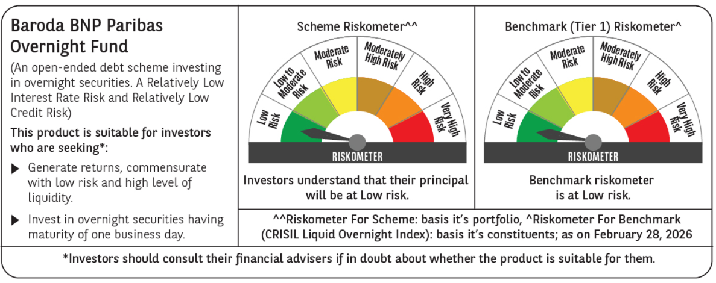
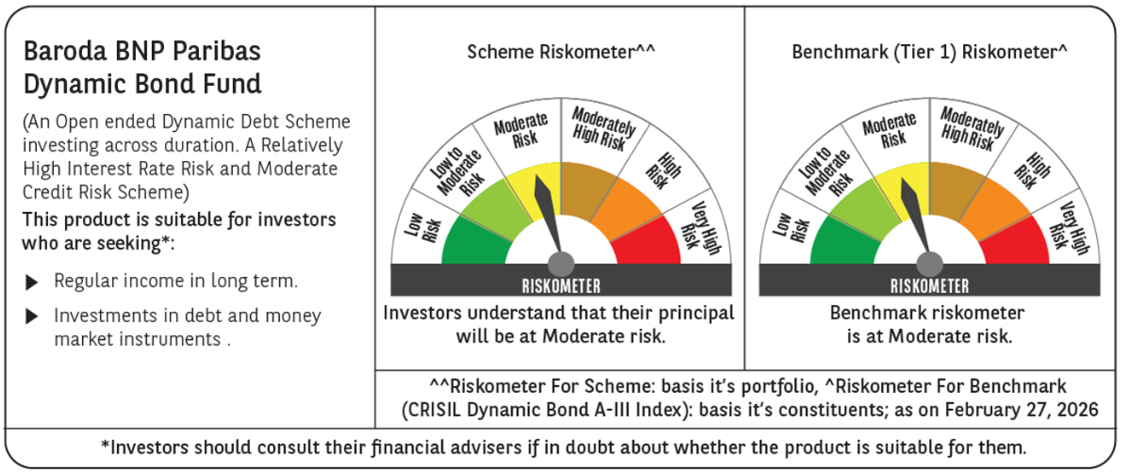
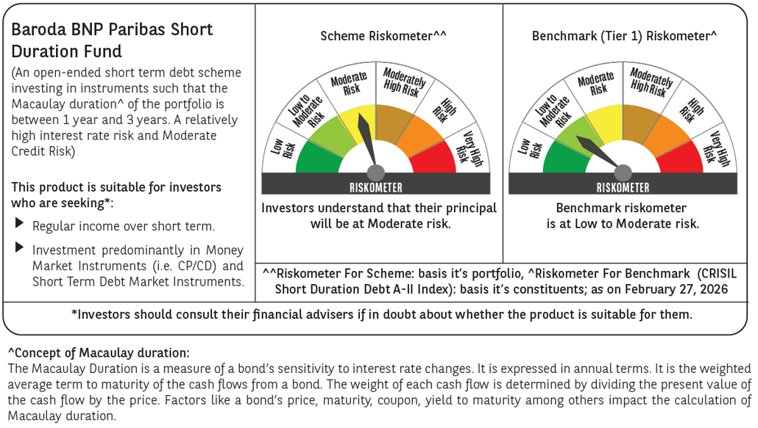
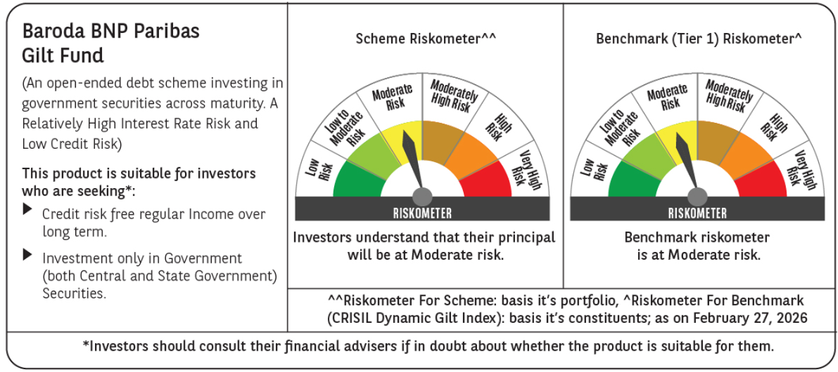
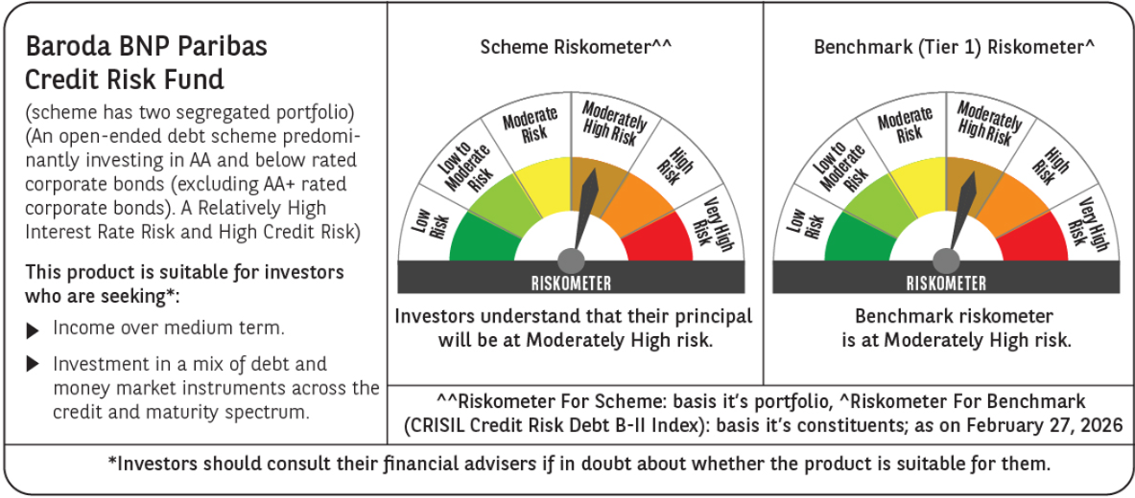
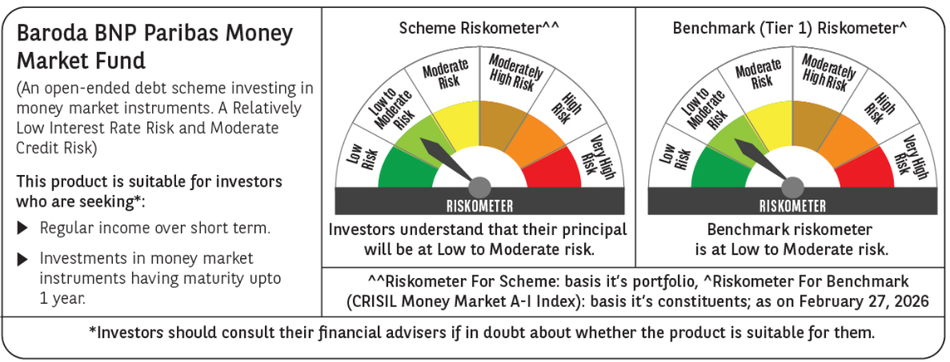
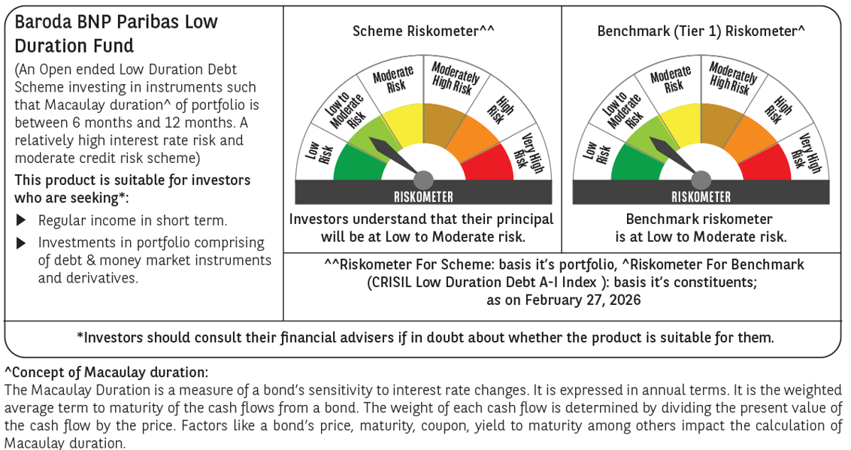
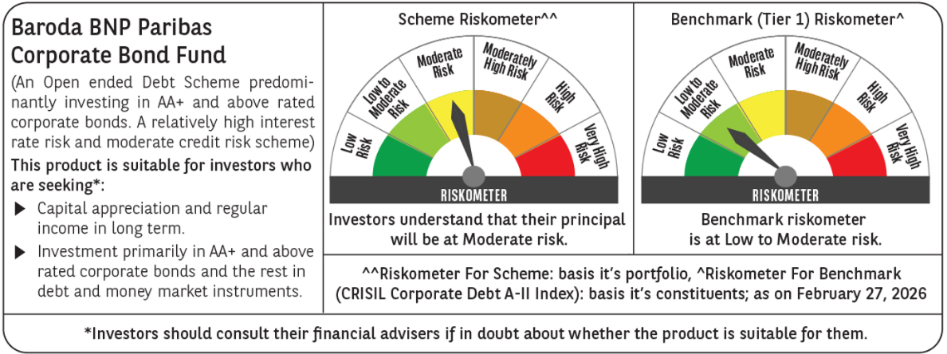
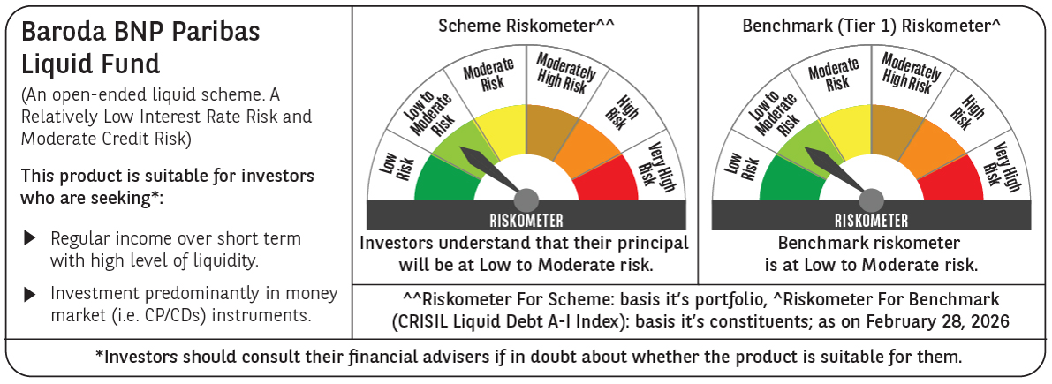

 | Potential Risk Class (PRC) matrix* |  |  |  |  |  |  |  |  |  |  |  | Potential Risk Class (PRC) matrix* |  |  |  |  |  |  |  |  |  |  |  | Potential Risk Class (PRC) matrix* |  |  |  |  |  |  |  |  |  |  |  | Potential Risk Class (PRC) matrix* |  |  |  |  |  |  |  |  |  |  |  | Potential Risk Class (PRC) matrix* |  |  |  |  |  |  |  |  |  |  |  | Potential Risk Class (PRC) matrix* |  |  |  |  |  |  |  |  |  |  |  | Potential Risk Class (PRC) matrix* |  |  |  |  |  |  |  |  |  |  |  | Potential Risk Class (PRC) matrix* |  |  |  |  |  |  |  |  |  |  |  | Potential Risk Class (PRC) matrix* |  |  |  |  |  |  |  |  |  |  |  | Potential Risk Class (PRC) matrix*
 | Credit Risk (Max)→ |  |  | Relatively Low: Class A (CRV>=12) |  |  | Moderate: Class B (CRV>=10) |  |  | Relatively High: Class C (CRV<10) |  |  | Credit Risk (Max)→ |  |  | Relatively Low: Class A (CRV>=12) |  |  | Moderate: Class B (CRV>=10) |  |  | Relatively High: Class C (CRV<10) |  |  | Credit Risk (Max)→ |  |  | Relatively Low: Class A (CRV>=12) |  |  | Moderate: Class B (CRV>=10) |  |  | Relatively High: Class C (CRV<10) |  |  | Credit Risk (Max)→ |  |  | Relatively Low: Class A (CRV>=12) |  |  | Moderate: Class B (CRV>=10) |  |  | Relatively High: Class C (CRV<10) |  |  | Credit Risk (Max)→ |  |  | Relatively Low: Class A (CRV>=12) |  |  | Moderate: Class B (CRV>=10) |  |  | Relatively High: Class C (CRV<10) |  |  | Credit Risk (Max)→ |  |  | Relatively Low: Class A (CRV>=12) |  |  | Moderate: Class B (CRV>=10) |  |  | Relatively High: Class C (CRV<10) |  |  | Credit Risk (Max)→ |  |  | Relatively Low: Class A (CRV>=12) |  |  | Moderate: Class B (CRV>=10) |  |  | Relatively High: Class C (CRV<10) |  |  | Credit Risk (Max)→ |  |  | Relatively Low: Class A (CRV>=12) |  |  | Moderate: Class B (CRV>=10) |  |  | Relatively High: Class C (CRV<10) |  |  | Credit Risk (Max)→ |  |  | Relatively Low: Class A (CRV>=12) |  |  | Moderate: Class B (CRV>=10) |  |  | Relatively High: Class C (CRV<10) |  |  | Credit Risk (Max)→ |  |  | Relatively Low: Class A (CRV>=12) |  |  | Moderate: Class B (CRV>=10) |  |  | Relatively High: Class C (CRV<10)
 | Interest Rate Risk (Max)↓ |  |  |  |  |  |  |  |  |  |  |  | Interest Rate Risk (Max)↓ |  |  |  |  |  |  |  |  |  |  |  | Interest Rate Risk (Max)↓ |  |  |  |  |  |  |  |  |  |  |  | Interest Rate Risk (Max)↓ |  |  |  |  |  |  |  |  |  |  |  | Interest Rate Risk (Max)↓ |  |  |  |  |  |  |  |  |  |  |  | Interest Rate Risk (Max)↓ |  |  |  |  |  |  |  |  |  |  |  | Interest Rate Risk (Max)↓ |  |  |  |  |  |  |  |  |  |  |  | Interest Rate Risk (Max)↓ |  |  |  |  |  |  |  |  |  |  |  | Interest Rate Risk (Max)↓ |  |  |  |  |  |  |  |  |  |  |  | Interest Rate Risk (Max)↓
 | Relatively Low: Class I (MD<=1 year) |  |  |  |  |  |  |  |  |  |  |  | Relatively Low: Class I (MD<=1 year) |  |  |  |  |  | B-I |  |  |  |  |  | Relatively Low: Class I (MD<=1 year) |  |  | A-1 |  |  |  |  |  |  |  |  | Relatively Low: Class I (MD<=1 year) |  |  |  |  |  |  |  |  |  |  |  | Relatively Low: Class I (MD<=1 year) |  |  |  |  |  |  |  |  |  |  |  | Relatively Low: Class I (MD<=1 year) |  |  |  |  |  |  |  |  |  |  |  | Relatively Low: Class I (MD<=1 year) |  |  |  |  |  |  |  |  |  |  |  | Relatively Low: Class I (MD<=1 year) |  |  |  |  |  | B-I |  |  |  |  |  | Relatively Low: Class I (MD<=1 year) |  |  |  |  |  |  |  |  |  |  |  | Relatively Low: Class I (MD<=1 year)
 | Moderate: Class II (MD<=3 year) |  |  |  |  |  | B-II |  |  |  |  |  | Moderate: Class II (MD<=3 year) |  |  |  |  |  |  |  |  |  |  |  | Moderate: Class II (MD<=3 year) |  |  |  |  |  |  |  |  |  |  |  | Moderate: Class II (MD<=3 year) |  |  |  |  |  |  |  |  |  |  |  | Moderate: Class II (MD<=3 year) |  |  |  |  |  |  |  |  |  |  |  | Moderate: Class II (MD<=3 year) |  |  |  |  |  |  |  |  |  |  |  | Moderate: Class II (MD<=3 year) |  |  |  |  |  |  |  |  |  |  |  | Moderate: Class II (MD<=3 year) |  |  |  |  |  |  |  |  |  |  |  | Moderate: Class II (MD<=3 year) |  |  |  |  |  |  |  |  |  |  |  | Moderate: Class II (MD<=3 year)

 | Relatively High: Class III (Any MD) |  |  |  |  |  |  |  |  |  |  |  | Relatively High: Class III (Any MD) |  |  |  |  |  |  |  |  |  |  |  | Relatively High: Class III (Any MD) |  |  |  |  |  |  |  |  |  |  |  | Relatively High: Class III (Any MD) |  |  |  |  |  | B-III |  |  |  |  |  | Relatively High: Class III (Any MD) |  |  |  |  |  | B-III |  |  |  |  |  | Relatively High: Class III (Any MD) |  |  |  |  |  | B-III |  |  |  |  |  | Relatively High: Class III (Any MD) |  |  |  |  |  | B-III |  |  |  |  |  | Relatively High: Class III (Any MD) |  |  |  |  |  |  |  |  |  |  |  | Relatively High: Class III (Any MD) |  |  | A-III |  |  |  |  |  |  |  |  | Relatively High: Class III (Any MD) |  |  |  |  |  |  |  |  | C-III

 | MD=Macaulay Duration, CRV=Credit Risk Value. |  |  |  |  |  |  |  |  |  |  |  | MD=Macaulay Duration, CRV=Credit Risk Value |  |  |  |  |  |  |  |  |  |  |  | *The PRC matrix denotes the maximum risk that the respective Scheme can take i.e. maximum interest rate risk (measured by MD of the Scheme) and maximum credit risk (measured by CRV of the Scheme) |  |  |  |  |  |  |  |  |  |  |  | MD=Macaulay Duration, CRV=Credit Risk Value. |  |  |  |  |  |  |  |  |  |  |  | MD=Macaulay Duration, CRV=Credit Risk Value. |  |  |  |  |  |  |  |  |  |  |  | MD=Macaulay Duration, CRV=Credit Risk Value. |  |  |  |  |  |  |  |  |  |  |  | *The PRC matrix denotes the maximum risk that the respective Scheme can take i.e. maximum interest rate risk (measured by MD of the Scheme) and maximum credit risk (measured by CRV of the Scheme) |  |  |  |  |  |  |  |  |  |  |  | *The PRC matrix denotes the maximum risk that the respective Scheme can take i.e. maximum interest rate risk (measured by MD of the Scheme) and maximum credit risk (measured by CRV of the Scheme) |  |  |  |  |  |  |  |  |  |  |  | *The PRC matrix denotes the maximum risk that the respective Scheme can take i.e. maximum interest rate risk (measured by MD of the Scheme) and maximum credit risk (measured by CRV of the Scheme) |  |  |  |  |  |  |  |  |  |  |  | MD=Macaulay Duration, CRV=Credit Risk Value.
 | *The PRC matrix denotes the maximum risk that the respective Scheme can take i.e. maximum interest rate risk (measured by MD of the Scheme) and maximum credit risk (measured by CRV of the Scheme) |  |  |  |  |  |  |  |  |  |  |  | *The PRC matrix denotes the maximum risk that the respective Scheme can take i.e. maximum interest rate risk (measured by MD of the Scheme) and maximum credit risk (measured by CRV of the Scheme) |  |  |  |  |  |  |  |  |  |  |  |  |  |  |  |  |  |  |  |  |  |  |  | *The PRC matrix denotes the maximum risk that the respective Scheme can take i.e. maximum interest rate risk (measured by MD of the Scheme) and maximum credit risk (measured by CRV of the Scheme) |  |  |  |  |  |  |  |  |  |  |  | *The PRC matrix denotes the maximum risk that the respective Scheme can take i.e. maximum interest rate risk (measured by MD of the Scheme) and maximum credit risk (measured by CRV of the Scheme) |  |  |  |  |  |  |  |  |  |  |  | *The PRC matrix denotes the maximum risk that the respective Scheme can take i.e. maximum interest rate risk (measured by MD of the Scheme) and maximum credit risk (measured by CRV of the Scheme) |  |  |  |  |  |  |  |  |  |  |  |  |  |  |  |  |  |  |  |  |  |  |  |  |  |  |  |  |  |  |  |  |  |  |  |  |  |  |  |  |  |  |  |  |  |  |  | *The PRC matrix denotes the maximum risk that the respective Scheme can take i.e. maximum interest rate risk (measured by MD of the Scheme) and maximum credit risk (measured by CRV of the Scheme)

 | Past performance may or may not be sustained in future and should not be used as a basis of comparison with other investments. Returns do not take into account the load and taxes, if any. Returns are for growth option. Different plans shall have a different expense structure.
 | Where scheme performance for last 3 and 5 years is not available, the same has not been shown. Performance of Baroda BNP Paribas Flexi cap Fund is not provided as the scheme has not completed 6 months.
 | Returns in INR show the value of 10,000/- invested for last 1 year, last 3 years, last 5 years and since inception respectively
 | ^The inception date of Baroda BNP Paribas Corporate Bond Fund is November 8, 2008. However, since there was no continuous NAV history available for this plan prior to May 10, 2010, the point to point return from since inception may not be the true representation of the performance of the scheme. Hence the returns since May 10, 2010 have been considered for calculating performance for the since inception.
 | ~The scheme is a ‘Transferee Scheme’, and accordingly, the performance is being provided in accordance with provisions of the SEBI Circular No- SEBI/HO/IMD/DF3/CIR/P/2018/69 dated April 12, 2018 whereby the weighted average performance of both the Transferor Scheme and Transferee Scheme has been considered
 | *Impact of segregation Fall in NAV - Mar 6, 2020 v/s Mar 5, 2020 : -21.82%
 | ** Impact of segregation Fall in NAV - Mar 6, 2020 v/s Mar 5, 2020 : -2.24%

Other Funds
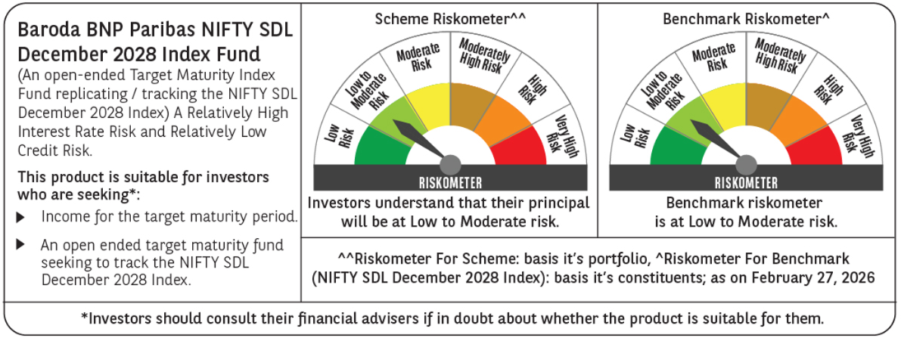
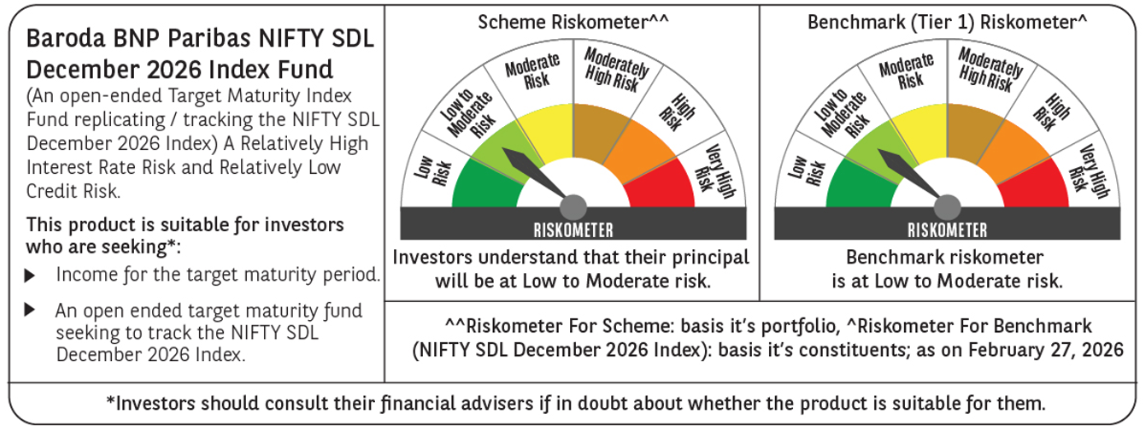
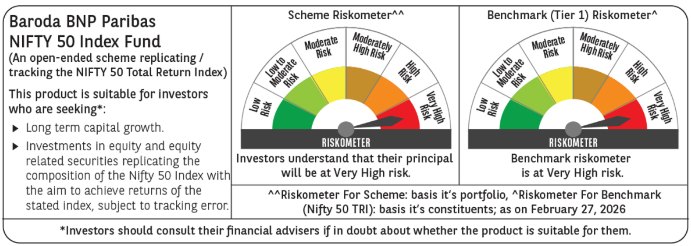
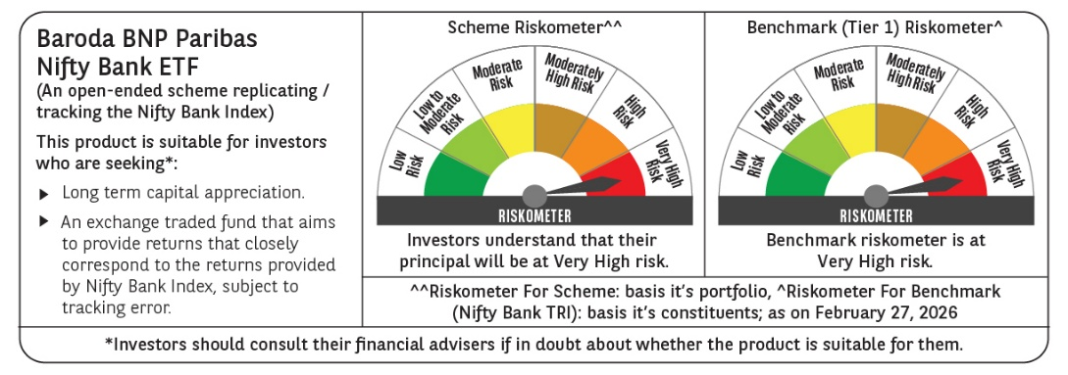
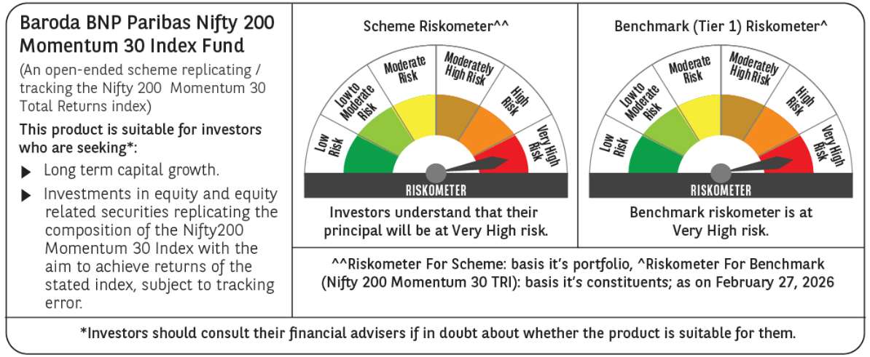
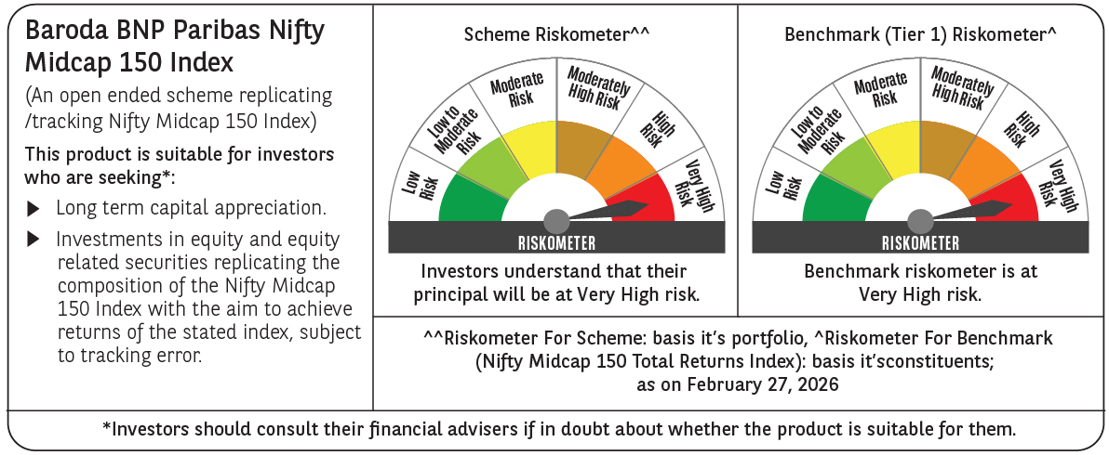
Scheme Name | Baroda BNP Paribas Nifty SDL December 2028 Index Fund |  |  |  |  |  |  |  |  |  |  |  | Baroda BNP Paribas Nifty SDL December 2026 Index Fund |  |  |  |  |  |  |  |  |  |  |  | Baroda BNP Paribas Gold ETF |  |  |  |  |  |  |  |  |  |  |  | Baroda BNP Paribas Nifty 50 Index Fund |  |  |  |  |  |  |  |  |  |  |  | Baroda BNP Paribas Nifty Bank ETF |  |  |  |  |  |  |  |  |  |  |  | Baroda BNP Paribas NIFTY 200 Momentum 30 INDEX Fund |  |  |  |  |  |  |  |  |  |  |  | Baroda BNP Paribas NIFTY Midcap 150 Index Fund
Scheme Type | An open-ended Target Maturity Index Fund replicating / tracking the NIFTY SDL December 2028 Index A Relatively High Interest Rate Risk and Relatively Low Credit Risk. |  |  |  |  |  |  |  |  |  |  |  | An open-ended Target Maturity Index Fund replicating / tracking the NIFTY SDL December 2026 Index. A Relatively High Interest Rate Risk and Relatively Low Credit Risk. |  |  |  |  |  |  |  |  |  |  |  | An open-ended scheme replicating/tracking domestic price of Gold |  |  |  |  |  |  |  |  |  |  |  | An open-ended scheme replicating / tracking the NIFTY 50 Total Return Index |  |  |  |  |  |  |  |  |  |  |  | An open-ended scheme replicating / tracking the Nifty Bank Total Returns Index |  |  |  |  |  |  |  |  |  |  |  | (An open-ended scheme replicating / tracking the Nifty200 Momentum 30 Total Returns Index) |  |  |  |  |  |  |  |  |  |  |  | (An open-ended scheme replicating / tracking the Nifty Midcap 150 Total Returns Index)
Potential Risk Class (as on date) | A-III |  |  |  |  |  |  |  |  |  |  |  | A-III |  |  |  |  |  |  |  |  |  |  |  | - |  |  |  |  |  |  |  |  |  |  |  | - |  |  |  |  |  |  |  |  |  |  |  | - |  |  |  |  |  |  |  |  |  |  |  | - |  |  |  |  |  |  |  |  |  |  |  | -
Objective of the scheme | The investment objective of the scheme is to provide investment returns closely corresponding to the total returns of the securities as represented by the Nifty SDL December 2028 Index before expenses, subject to tracking errors, fees and expenses. However, there is no assurance that the objective of the Scheme will be realised and the Scheme does not assure or guarantee any returns. |  |  |  |  |  |  |  |  |  |  |  | The investment objective of the scheme is to provide investment returns closely corresponding to the total returns of the securities as represented by the Nifty SDL December 2026 Index before expenses, subject to tracking errors, fees and expenses. However, there is no assurance that the objective of the Scheme will be realised and the Scheme does not assure or guarantee any returns. |  |  |  |  |  |  |  |  |  |  |  | The investment objective of the scheme is to provide investment returns closely corresponding to the Domestic Price of Gold before expenses, subject to tracking errors, fees and expenses by investing in physical gold. However, there is no assurance that the objective of the Scheme will be realized, and the Scheme does not assure or guarantee any returns. |  |  |  |  |  |  |  |  |  |  |  | The investment objective of the scheme is to provide investment returns closely corresponding to the total returns of the securities as represented by the Nifty 50 Total Returns Index before expenses, subject to tracking errors, fees and expenses. However, there is no assurance that the objective of the Scheme will be realized, and the Scheme does not assure or guarantee any returns. |  |  |  |  |  |  |  |  |  |  |  | The investment objective of the scheme is to provide investment returns closely corresponding to the total returns of the securities as represented by the Nifty Bank Total Returns Index before expenses, subject to tracking errors, fees and expenses. However, there is no assurance that the objective of the Scheme will be realized, and the Scheme does not assure or guarantee any returns. |  |  |  |  |  |  |  |  |  |  |  | The investment objective of the scheme is to provide investment returns closely corresponding to the total returns of the securities as represented by the Nifty 200 Momentum 30 Total Returns Index before expenses, subject to tracking errors, fees and expenses. However, there is no assurance that the objective of the Scheme will be realized, and the Scheme does not assure or guarantee any returns. |  |  |  |  |  |  |  |  |  |  |  | The investment objective of the scheme is to provide investment returns closely corresponding to the total returns of the securities as represented by the Nifty Midcap 150 Total Returns Index before expenses, subject to tracking errors, fees, and expenses. However, there is no assurance that the objective of the Scheme will be realized, and the Scheme does not assure or guarantee any returns.
Allotment Date | 24-Mar-23 |  |  |  |  |  |  |  |  |  |  |  | 25-Jan-23 |  |  |  |  |  |  |  |  |  |  |  | 2023-12-13 |  |  |  |  |  |  |  |  |  |  |  | 2024-01-29 |  |  |  |  |  |  |  |  |  |  |  | 2024-06-18 |  |  |  |  |  |  |  |  |  |  |  | 2024-10-15 |  |  |  |  |  |  |  |  |  |  |  | 2024-11-04
Benchmark (Tier 1) | NIFTY SDL December 2028 Index |  |  |  |  |  |  |  |  |  |  |  | NIFTY SDL December 2026 Index |  |  |  |  |  |  |  |  |  |  |  | Domestic Price of Gold |  |  |  |  |  |  |  |  |  |  |  | Nifty 50 TRI |  |  |  |  |  |  |  |  |  |  |  | Nifty Bank Total Returns Index |  |  |  |  |  |  |  |  |  |  |  | Nifty 200 Momentum 30 TRI |  |  |  |  |  |  |  |  |  |  |  | Nifty Midcap 150 Total Returns Index
Scheme Codes | BBNP/O/O/DIN/23/02/0033 |  |  |  |  |  |  |  |  |  |  |  | BBNP/O/O/DIN/22/11/0031 |  |  |  |  |  |  |  |  |  |  |  | BBNP/O/O/GET/23/09/0037 |  |  |  |  |  |  |  |  |  |  |  | BBNP/O/O/EIN/23/10/0038 |  |  |  |  |  |  |  |  |  |  |  | BBNP/O/O/EET/23/12/0042 |  |  |  |  |  |  |  |  |  |  |  | BBNP/O/O/EIN/24/07/0044 |  |  |  |  |  |  |  |  |  |  |  | BBNP/O/O/EIN/24/07/0045
Fund Manager From Date | Mr. Gurvinder Singh Wasan (Managing Since October 21, 2024) & Mr. Vikram Pamnani (Managing Since July 11, 2024) |  |  |  |  |  |  |  |  |  |  |  | Mr. Gurvinder Singh Wasan (Managing Since October 21, 2024) & Mr. Vikram Pamnani (Managing Since July 11, 2024) |  |  |  |  |  |  |  |  |  |  |  | Mr. Gurvinder Singh Wasan (Managing Since October 21, 2024) & Mr. Madhav Vyas (Managing Since January 01, 2025) |  |  |  |  |  |  |  |  |  |  |  | Mr. Neeraj Saxena (managing since January 29, 2024) |  |  |  |  |  |  |  |  |  |  |  | Mr. Neeraj Saxena (managing since June 18, 2024) |  |  |  |  |  |  |  |  |  |  |  | Mr. Neeraj Saxena (managing since October 15, 2024) |  |  |  |  |  |  |  |  |  |  |  | Mr. Neeraj Saxena (managing since November 04, 2024)
Scheme AUM (in crores) | 29.33 |  |  |  |  |  |  |  |  |  |  |  | 114.12 |  |  |  |  |  |  |  |  |  |  |  | 349.17 |  |  |  |  |  |  |  |  |  |  |  | 63.02 |  |  |  |  |  |  |  |  |  |  |  | 3.87 |  |  |  |  |  |  |  |  |  |  |  | 23.47 |  |  |  |  |  |  |  |  |  |  |  | 9.17
Expense ratio | Regular Plan (%) : 0.49%, Direct Plan (%) : 0.19% |  |  |  |  |  |  |  |  |  |  |  | Regular Plan (%) : 0.49%, Direct Plan (%) : 0.19% |  |  |  |  |  |  |  |  |  |  |  | Regular Plan (%) : 0.59% |  |  |  |  |  |  |  |  |  |  |  | Regular Plan (%) : 0.56% Direct Plan: 0.16% |  |  |  |  |  |  |  |  |  |  |  | Regular Plan (%) : 0.09% |  |  |  |  |  |  |  |  |  |  |  | Regular Plan (%) : 1.10% Direct Plan: 0.47% |  |  |  |  |  |  |  |  |  |  |  | Regular Plan (%) : 1.08% Direct Plan: 0.39%
Performance as on February 28, 2026 | Baroda BNP Paribas Nifty SDL December 2028 Index Fund | Last 1 Year |  | Last 3 years |  | Last 5 years |  | Since Inception - Regular/Distributor |  | Since Inception - Direct |  | Date of Inception of the Scheme | Baroda BNP Paribas Nifty SDL December 2026 Index Fund Fund | Last 1 Year |  | Last 3 years |  | Last 5 years |  | Since Inception - Regular/Distributor |  | Since Inception - Direct |  | Date of Inception of the Scheme | Baroda BNP Paribas Gold ETF | Last 1 Year |  | Last 3 years |  | Last 5 years |  | Since Inception - Regular/Distributor |  | Since Inception - Direct |  | Date of Inception of the Scheme | Baroda BNP Paribas Nifty 50 Index Fund | Last 1 Year |  | Last 3 years |  | Last 5 years |  | Since Inception - Regular/Distributor |  | Since Inception - Direct |  | Date of Inception of the Scheme | Baroda BNP Paribas Nifty Bank ETF | Last 1 Year |  | Last 3 years |  | Last 5 years |  | Since Inception - Regular/Distributor |  | Since Inception - Direct |  | Date of Inception of the Scheme | Baroda BNP Paribas Nifty 200 Momentum 30 Index Fund | Last 1 Year |  | Last 3 years |  | Last 5 years |  | Since Inception - Regular/Distributor |  | Since Inception - Direct |  | Date of Inception of the Scheme | Baroda BNP Paribas Nifty Midcap 150 Index Fund | Last 1 Year |  | Last 3 years |  | Last 5 years |  | Since Inception - Regular/Distributor |  | Since Inception - Direct |  | Date of Inception of the Scheme
 |  | Returns In INR* | CAGR | Returns In INR* | CAGR | Returns In INR* | CAGR | Returns In INR* | CAGR | Returns In INR* | CAGR |  |  | Returns In INR* | CAGR | Returns In INR* | CAGR | Returns In INR* | CAGR | Returns In INR* | CAGR | Returns In INR* | CAGR |  |  | Returns In INR* | CAGR | Returns In INR* | CAGR | Returns In INR* | CAGR | Returns In INR* | CAGR | Returns In INR* | CAGR |  |  | Returns In INR* | CAGR | Returns In INR* | CAGR | Returns In INR* | CAGR | Returns In INR* | CAGR | Returns In INR* | CAGR |  |  | Returns In INR* | CAGR | Returns In INR* | CAGR | Returns In INR* | CAGR | Returns In INR* | CAGR | Returns In INR* | CAGR |  |  | Returns In INR* | CAGR | Returns In INR* | CAGR | Returns In INR* | CAGR | Returns In INR* | CAGR | Returns In INR* | CAGR |  |  | Returns In INR* | CAGR | Returns In INR* | CAGR | Returns In INR* | CAGR | Returns In INR* | CAGR | Returns In INR* | CAGR
 | Regular Plan | 10738.79 | 7.45 | N.A. | N.A. | N.A. | N.A. | 12529.70 | 7.99 | - | - | 24-Mar-23 | Regular Plan | 10695.01 | 7.01 | 12439.63 | 7.55 | N.A. | N.A. | 12416.80 | 7.25 | - | - | 25-Jan-23 | Regular Plan | 18353.23 | 84.47 | N.A. | N.A. | N.A. | N.A. | 25132.36 | 51.71 | - | - | 13-Dec-23 | Regular Plan | 11424.48 | 14.37 | N.A. | N.A. | N.A. | N.A. | 11719.00 | 7.92 | - | - | 29-Jan-24 | Regular Plan | 12588.60 | 26.13 | N.A. | N.A. | N.A. | N.A. | 12053.27 | 11.64 | - | - | 18-Jun-24 | Regular Plan | 11580.27 | 15.95 | N.A. | N.A. | N.A. | N.A. | 8223.50 | -13.31 | - | - | 15-Oct-24 | Regular Plan | 12218.70 | 22.39 | N.A. | N.A. | N.A. | N.A. | 10433.30 | 3.28 | - | - | 4-Nov-24
 | Direct Plan | 10771.07 | 7.78 | N.A. | N.A. | N.A. | N.A. | - | - | 12640.60 | 8.31 | 24-Mar-23 | Direct Plan | 10727.11 | 7.33 | 12552.54 | 7.87 | N.A. | N.A. | - | - | 12532.70 | 7.57 | 25-Jan-23 | Domestic Price of Gold | 18703.49 | 88.02 | N.A. | N.A. | N.A. | N.A. | 26023.99 | 54.12 | 26023.99 | 54.12 |  | Direct Plan | 11470.10 | 14.83 | N.A. | N.A. | N.A. | N.A. | - | - | 11816.50 | 8.35 | 29-Jan-24 | Nifty Bank TRI | 12619.74 | 26.44 | N.A. | N.A. | N.A. | N.A. | 12136.20 | 12.09 | 12136.20 | 12.09 |  | Nifty 200 Momentum 30 TRI | 11817.85 | 18.34 | N.A. | N.A. | N.A. | N.A. | 8425.57 | -11.76 | 8425.57 | -11.76 |  | Direct Plan | 12302.64 | 23.24 | N.A. | N.A. | N.A. | N.A. | - | - | 10528.60 | 3.99 | 4-Nov-24
 | NIFTY SDL December 2028 Index | 10797.49 | 8.04 | N.A. | N.A. | N.A. | N.A. | 12741.19 | 8.61 | 12741.19 | 8.61 |  | NIFTY SDL December 2026 Index | 10753.62 | 7.60 | 12657.09 | 8.17 | N.A. | N.A. | 12620.09 | 7.81 | 12620.09 | 7.81 |  | Click Here |  |  |  |  |  |  |  |  |  |  |  | Nifty 50 TRI | 11507.37 | 15.21 | N.A. | N.A. | N.A. | N.A. | 11873.33 | 8.60 | 11873.33 | 8.60 |  | Additional Benchmark Nifty 50 TRI | 11507.37 | 15.21 | N.A. | N.A. | N.A. | N.A. | 10888.57 | 5.15 | 10888.57 | 5.15 |  | Additional Benchmark Nifty 50 TRI | 11507.37 | 15.21 | N.A. | N.A. | N.A. | N.A. | 10200.82 | 1.46 | 10200.82 | 1.46 |  | Nifty Midcap 150 TRI | 12386.83 | 24.09 | N.A. | N.A. | N.A. | N.A. | 10603.35 | 4.56 | 10603.35 | 4.56
 | Additional Benchmark CRISIL 1 Year T-Bill Index | 10568.47 | 5.73 | N.A. | N.A. | N.A. | N.A. | 12126.80 | 6.79 | 12126.80 | 6.79 |  | Additional Benchmark CRISIL 1-year T-bill Index | 10568.47 | 5.73 | 12206.51 | 6.87 | N.A. | N.A. | 12229.05 | 6.72 | 12229.05 | 6.72 |  | High |  |  |  |  |  |  |  |  |  |  |  | Additional Benchmark BSE SENSEX TRI | 11230.20 | 12.41 | N.A. | N.A. | N.A. | N.A. | 11579.14 | 7.30 | 11579.14 | 7.30 |  |  |  |  |  |  |  |  |  |  |  |  |  |  |  |  |  |  |  |  |  |  |  |  |  | Additional Benchmark Nifty 50 TRI | 11507.37 | 15.21 | N.A. | N.A. | N.A. | N.A. | 10640.68 | 4.84 | 10640.68 | 4.84
Portfolio details | Click Here |  |  |  |  |  |  |  |  |  |  |  | Click Here |  |  |  |  |  |  |  |  |  |  |  |  |  |  |  |  |  |  |  |  |  |  |  | Click Here |  |  |  |  |  |  |  |  |  |  |  | Click Here |  |  |  |  |  |  |  |  |  |  |  | Click Here |  |  |  |  |  |  |  |  |  |  |  | Click Here
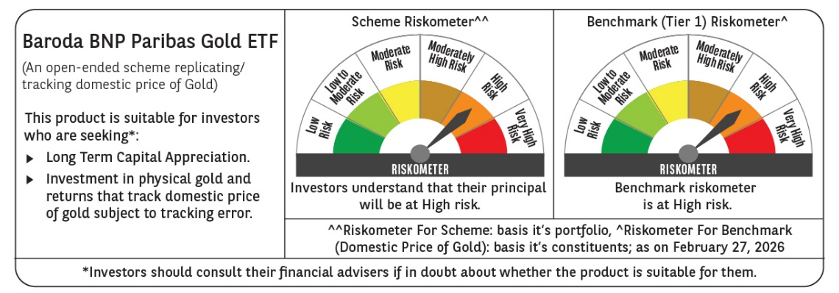
Riskometer (as on Date) | Moderate |  |  |  |  |  |  |  |  |  |  |  | Low To Moderate |  |  |  |  |  |  |  |  |  |  |  |  |  |  |  |  |  |  |  |  |  |  |  | Very High |  |  |  |  |  |  |  |  |  |  |  | Very High |  |  |  |  |  |  |  |  |  |  |  | Very High |  |  |  |  |  |  |  |  |  |  |  | Very High

Solution Oriented Fund
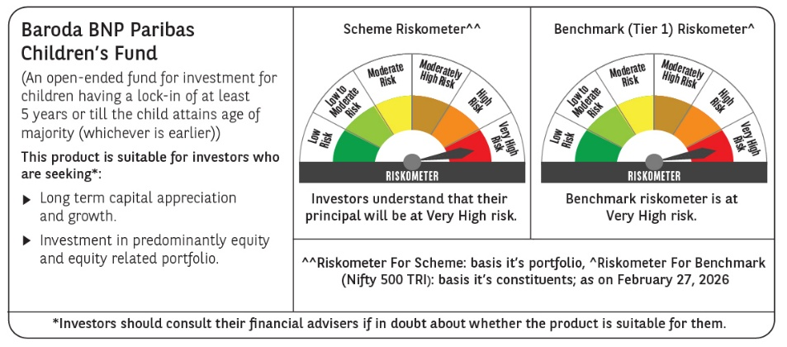
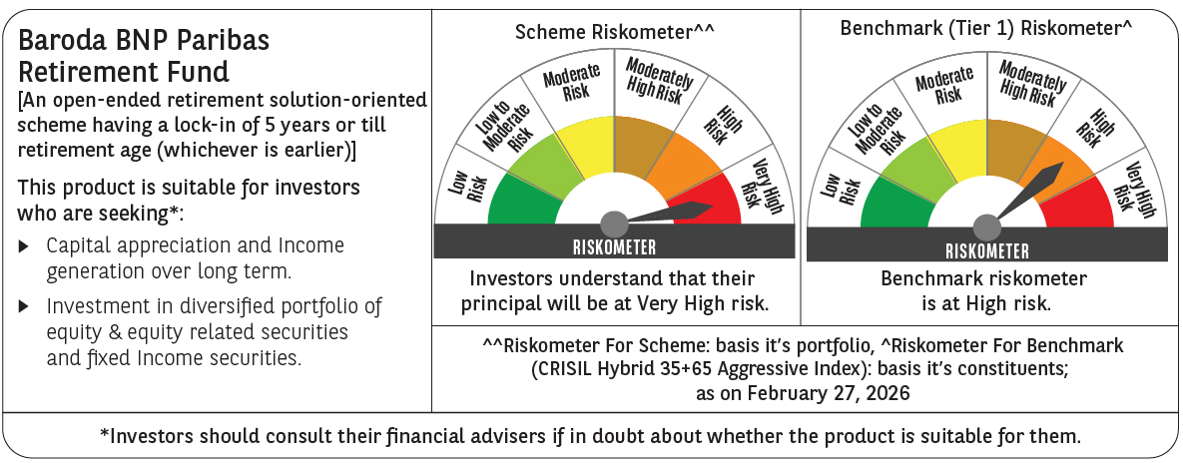
Scheme Name | Baroda BNP Paribas Retirement Fund |  |  |  |  |  |  |  |  |  |  |  | Baroda BNP Paribas Children's Fund
Scheme Type | An open-ended retirement solution-oriented scheme having a lock-in of 5 years or till retirement age (whichever is earlier) |  |  |  |  |  |  |  |  |  |  |  | An open-ended scheme for investment for children having a lock-in of at least 5 years or till the child attains age of majority (whichever is earlier)
Potential Risk Class (as on date) | N.A |  |  |  |  |  |  |  |  |  |  |  | N.A
Objective of the scheme | The primary investment objective of the Scheme is to generate income and capital appreciation by investing in a diversified portfolio of equity and equity related instruments and fixed income instruments with a view to provide a retirement solution to investors. However, there can be no assurance that the investment objective of the Scheme will be achieved. The Scheme does not guarantee/indicate any returns |  |  |  |  |  |  |  |  |  |  |  | The Primary investment objective of the Scheme is to generate income and capital appreciation by investing in a diversified portfolio of equity and equity related instruments and fixed income instruments with a view to provide a retirement solution to investors. Howeve there is no assurance or guarantee that the investment objective of the scheme will be achieved
Allotment Date | 2024-05-28 |  |  |  |  |  |  |  |  |  |  |  | 2024-12-27
Benchmark (Tier 1) | CRISIL Hybrid 35+65 Aggressive Index |  |  |  |  |  |  |  |  |  |  |  | Nifty 500 TRI
Scheme Codes | BBNP/O/S/RET/24/03/0040 |  |  |  |  |  |  |  |  |  |  |  | BBNP/O/S/CHI/24/09/0046
Fund Manager From Date | Pratish Krishnan (managing since May 28, 2024) Mr. Gurvinder Singh Wasan (Fixed Income Portfolio) (managing since October 21, 2024) & Mr. Ankeet Pandya (Equity Portfolio) (Managing Since January 01, 2025) |  |  |  |  |  |  |  |  |  |  |  | Pratish Krishnan (managing since December 27, 2024) & Mr. Ankeet Pandya (Managing Since January 01, 2025)
Scheme AUM (in crores) | 394.70 |  |  |  |  |  |  |  |  |  |  |  | 112.56
Expense ratio | Regular Plan (%) : 2.38% Direct Plan: 0.97% |  |  |  |  |  |  |  |  |  |  |  | Regular Plan (%) : 2.34% Direct Plan: 0.42%
Performance as on February 28, 2026 | Baroda BNP Paribas Retirement Fund | Last 1 Year |  | Last 3 years |  | Last 5 years |  | Since Inception - Regular/Distributor |  | Since Inception - Direct |  | Date of Inception of the Scheme | Baroda BNP Paribas Children's Fund | Last 1 Year |  | Last 3 years |  | Last 5 years |  | Since Inception - Regular/Distributor |  | Since Inception - Direct |  | Date of Inception of the Scheme
 |  | Returns In INR* | CAGR | Returns In INR* | CAGR | Returns In INR* | CAGR | Returns In INR* | CAGR | Returns In INR* | CAGR |  |  | Returns In INR* | CAGR | Returns In INR* | CAGR | Returns In INR* | CAGR | Returns In INR* | CAGR | Returns In INR* | CAGR
 | Regular Plan | 11517.39 | 15.31 | N.A. | N.A. | N.A. | N.A. | 11309.50 | 7.27 | - | - | 28-May-24 | Regular Plan | 12141.94 | 21.62 | N.A. | N.A. | N.A. | N.A. | 10964.90 | 8.19 | - | - | 27-Dec-24
 | Direct Plan | 11686.81 | 17.02 | N.A. | N.A. | N.A. | N.A. | - | - | 11653.50 | 9.12 | 28-May-24 | Direct Plan | 12380.85 | 24.03 | N.A. | N.A. | N.A. | N.A. | - | - | 11219.90 | 10.34 | 27-Dec-24
 | CRISIL Hybrid 35+65 - Aggressive Index | 11359.04 | 13.71 | N.A. | N.A. | N.A. | N.A. | 11189.54 | 6.62 | 11189.54 | 6.62 |  | Nifty 500 TRI | 11762.45 | 17.79 | N.A. | N.A. | N.A. | N.A. | 10437.61 | 3.73 | 10437.61 | 3.73
 | Additional Benchmark | 11507.37 | 15.21 | N.A. | N.A. | N.A. | N.A. | 11232.58 | 6.85 | 11232.58 | 6.85 |  | Additional Benchmark Nifty 50 TRI | 11507.37 | 15.21 | N.A. | N.A. | N.A. | N.A. | 10716.58 | 6.09 | 10716.58 | 6.09
Portfolio details | Click Here |  |  |  |  |  |  |  |  |  |  |  | Click Here
Riskometer (as on Date) | Very High |  |  |  |  |  |  |  |  |  |  |  | Very High

Product Labelling


