Equity
Scheme Name | BARODA BNP PARIBAS LARGE CAP FUND |  |  |  |  |  |  |  |  |  |  |  | Baroda BNP Paribas Mid Cap Fund |  |  |  |  |  |  |  |  |  |  |  | Baroda BNP Paribas Large and Mid Cap fund |  |  |  |  |  |  |  |  |  |  |  | Baroda BNP Paribas Flexi Cap Fund |  |  |  |  |  |  |  |  |  |  |  | Baroda BNP Paribas Focused Fund |  |  |  |  |  |  |  |  |  |  |  | Baroda BNP Paribas Multi Cap Fund |  |  |  |  |  |  |  |  |  |  |  | Baroda BNP Paribas ELSS Tax Saver Fund |  |  |  |  |  |  |  |  |  |  |  | Baroda BNP Paribas India Consumption Fund |  |  |  |  |  |  |  |  |  |  |  | Baroda BNP Paribas Business Cycle Fund |  |  |  |  |  |  |  |  |  |  |  | Baroda BNP Paribas Banking and Financial Services Fund |  |  |  |  |  |  |  |  |  |  |  | Baroda BNP Paribas Value Fund |  |  |  |  |  |  |  |  |  |  |  | Baroda BNP Paribas Small Cap Fund |  |  |  |  |  |  |  |  |  |  |  | Baroda BNP Paribas Innovation Fund |  |  |  |  |  |  |  |  |  |  |  | Baroda BNP Paribas Manufacturing Fund |  |  |  |  |  |  |  |  |  |  |  | Baroda BNP Paribas Dividend Yield Fund |  |  |  |  |  |  |  |  |  |  |  | Baroda BNP Paribas Energy Opportunities Fund |  |  |  |  |  |  |  |  |  |  |  | Baroda BNP Paribas Health & Wellness Fund |  |  |  |  |  |  |  |  |  |  |  |  |  | Baroda BNP Paribas Business Conglomerates Fund |  |  |  |  |  |  |  |  |  |  |  | Baroda BNP Paribas ESG Best in Class Strategy Fund
Scheme Type | An Open ended Equity Scheme predominantly investing in large cap stocks |  |  |  |  |  |  |  |  |  |  |  | An Open ended Equity Scheme predominantly investing in mid cap stocks |  |  |  |  |  |  |  |  |  |  |  | An open ended scheme investing in both large cap and mid cap stocks. |  |  |  |  |  |  |  |  |  |  |  | An Open-ended dynamic equity scheme investing across large cap, mid cap, small cap companies |  |  |  |  |  |  |  |  |  |  |  | An Open ended Equity Scheme investing in maximum 25 stocks across market capitalization (i.e. multi cap stocks) |  |  |  |  |  |  |  |  |  |  |  | An open ended equity scheme investing across large cap, mid-cap and small cap stocks |  |  |  |  |  |  |  |  |  |  |  | An Open ended Equity Linked Saving Scheme with a statutory lock in of 3 years and tax benefit. |  |  |  |  |  |  |  |  |  |  |  | An open ended equity scheme following consumption theme |  |  |  |  |  |  |  |  |  |  |  | An open-ended equity scheme following the Business Cycles theme |  |  |  |  |  |  |  |  |  |  |  | An open ended equity scheme investing in the Banking and Financial Services sector |  |  |  |  |  |  |  |  |  |  |  | An open ended equity scheme following a value investment strategy |  |  |  |  |  |  |  |  |  |  |  | An open-ended equity scheme predominantly investing in small cap stocks |  |  |  |  |  |  |  |  |  |  |  | An open-ended equity scheme investing in innovation theme. |  |  |  |  |  |  |  |  |  |  |  | An open-ended equity scheme predominantly investing in Manufacturing theme |  |  |  |  |  |  |  |  |  |  |  | An open-ended equity scheme predominantly investing in Dividend Yielding Stocks |  |  |  |  |  |  |  |  |  |  |  | An open-ended equity scheme predominantly investing in Energy companies. |  |  |  |  |  |  |  |  |  |  |  | An open ended equity scheme investing in Pharma and Healthcare sector. |  |  |  |  |  |  |  |  |  |  |  |  |  | An open ended equity scheme investing in equity and equity related securities of companies that are part of business conglomerates in India |  |  |  |  |  |  |  |  |  |  |  | An open-ended equity scheme investing in equity and equity related securities of companies following Environmental, Social and Governance (ESG) theme adopting Best-In-Class Strategy
Potential Risk Class (as on date) | N.A |  |  |  |  |  |  |  |  |  |  |  | N.A |  |  |  |  |  |  |  |  |  |  |  | N.A |  |  |  |  |  |  |  |  |  |  |  | N.A. |  |  |  |  |  |  |  |  |  |  |  | N.A |  |  |  |  |  |  |  |  |  |  |  | N.A |  |  |  |  |  |  |  |  |  |  |  | N.A |  |  |  |  |  |  |  |  |  |  |  | N.A |  |  |  |  |  |  |  |  |  |  |  | N.A |  |  |  |  |  |  |  |  |  |  |  | N.A |  |  |  |  |  |  |  |  |  |  |  | N.A |  |  |  |  |  |  |  |  |  |  |  | N.A |  |  |  |  |  |  |  |  |  |  |  | N.A |  |  |  |  |  |  |  |  |  |  |  | - |  |  |  |  |  |  |  |  |  |  |  | - |  |  |  |  |  |  |  |  |  |  |  | - |  |  |  |  |  |  |  |  |  |  |  | - |  |  |  |  |  |  |  |  |  |  |  |  |  | - |  |  |  |  |  |  |  |  |  |  |  | NA
Objective of the scheme | The investment objective of the Scheme is to generate long-term capital growth from a diversified and actively managed portfolio of equity and equity related securities by predominantly investing in large market capitalization companies. However, there is no assurance that the investment objective of the Scheme will be achieved. |  |  |  |  |  |  |  |  |  |  |  | The investment objective of the Scheme seeks to generate long-term capital appreciation by investing primarily in companies with high growth opportunities in the mid capitalization segment. The fund will emphasize on companies that appear to offer opportunities for long-term growth and will be inclined towards companies that are driven by dynamic style of management and entrepreneurial flair. However, there can be no assurance that the investment objectives of the Scheme will be realized. The Scheme does not guarantee/indicate any returns. |  |  |  |  |  |  |  |  |  |  |  | The primary objective of the Scheme is to seek long term capital growth through investments in both large cap and mid cap stocks. However, there is no assurance that the investment objective of the Scheme will be achieved. |  |  |  |  |  |  |  |  |  |  |  | The Scheme seeks to generate long term capital appreciation by investing in a dynamic mix of equity and equity related instruments across market capitalizations. However, there can be no assurance that the investment objectives of the Scheme will be realized. The Scheme does not guarantee/indicate any returns. |  |  |  |  |  |  |  |  |  |  |  | The Scheme seeks to generate long-term capital growth by investing in a concentrated portfolio of equity & equity related instruments of up to 25 companies across market capitalization. However, there is no assurance that the investment objective of the Scheme will be achieved.The Scheme does not guarantee/indicate any returns |  |  |  |  |  |  |  |  |  |  |  | The investment objective is to generate long term capital appreciation from an actively managed portfolio of equity & equity related instruments. However, there is no assurance that the investment objective of the Scheme will be achieved. |  |  |  |  |  |  |  |  |  |  |  | The investment objective of the Scheme is to generate long-term capital growth from a diversified and actively managed portfolio of equity and equity related securities along with income tax rebate, as may be prevalent from time to time. However, there is no assurance that the investment objective of the Scheme will be achieved. |  |  |  |  |  |  |  |  |  |  |  | The investment objective of the scheme is to seek long term capital appreciation by investing in equity/equity related instruments of the companies that: 1. are likely to benefit directly or indirectly from the domestic consumption led demand; or 2. are related to selling of products or rendering of services that go directly to the consumer; or 3. have products orservices which have distinct brand identity, thereby enabling choice. However, there is no assurance that the investment objective of the Scheme will be achieved |  |  |  |  |  |  |  |  |  |  |  | The investment objective of the Scheme is to generate long term capital appreciation for investors by investing predominantly in equity and equity related securities with a focus on riding business cycles through dynamic allocation between various sectors. However, there is no assurance that the investment objective of the Scheme will be achieved. |  |  |  |  |  |  |  |  |  |  |  | The investment objective is to generate long term capital appreciation for unit holders from a portfolio invested predominantly in equity and equity related securities of companies engaged in the Banking & Financial Services Sector. However, there is no assurance that the investment objective of the Scheme will be achieved. |  |  |  |  |  |  |  |  |  |  |  | The investment objective of the scheme is to generate long-term capital appreciation from a diversified portfolio of predominantly equity and equity related instruments by following a value investment strategy. However, there is no assurance that the investment objective of the Scheme will be achieved. |  |  |  |  |  |  |  |  |  |  |  | The Scheme seeks to generate long-term capital appreciation by investing predominantly in equity and equity related securities of small cap companies. However, there can be no assurance that the investment objectives of the Scheme will be realized. The Scheme does not guarantee/indicate any returns. |  |  |  |  |  |  |  |  |  |  |  | The investment objective of the scheme is to seek long term capital appreciation by investing atleast 80% of its net assets in equity/equity related instruments of companies focusing and benefitting from innovation. However, there is no assurance that the investment objective of the Scheme will be achieved. |  |  |  |  |  |  |  |  |  |  |  | The investment objective is to generate long-term capital appreciation from a portfolio invested predominantly in equity and equity related securities of companies engaged in Manufacturing. The Scheme does not guarantee/indicate any returns. There is no assurance that the investment objective of the Scheme will be achieved. |  |  |  |  |  |  |  |  |  |  |  | The investment objective is to provide medium to long term appreciation by predominantly investing in a well-diversified portfolio of equity and equity related instruments of dividend yielding companies. However, there is no assurance that the investment objective of the Scheme will be achieved. |  |  |  |  |  |  |  |  |  |  |  | The investment objective of the Scheme is to provide investors with opportunities for long term capital appreciation by investing in equity and equity related instruments of companies engaging in activities such as exploration, production, distribution, transportation and processing of traditional & new energy including but not limited to industries/sectors such as oil & gas, utilities and power. However, there is no assurance that the investment objective of the Scheme will be achieved. |  |  |  |  |  |  |  |  |  |  |  | The primary objective of the Scheme is to provide long-term capital appreciation by investing predominantly in equity and equity related instruments of Pharma and Healthcare companies. The Scheme does not guarantee/indicate any returns However, there is no assurance that the investment objective of the Scheme will be achieved. |  |  |  |  |  |  |  |  |  |  |  |  |  | The investment objective of the Scheme is to achieve long term capital appreciation by investing in equity and equity related securities of companies that are part of business conglomerates in India. The Scheme does not guarantee/indicate any returns. However, there can be no assurance that the investment objective of the Scheme will be realized |  |  |  |  |  |  |  |  |  |  |  | The investment objective of the scheme is to achieve long term capital appreciation by actively managed investments in equity and equity related securities of companies in India, based on Environmental, Social and Governance (“ESG”) criteria following best-in-class strategy. The Scheme does not guarantee/indicate any returns. However, there can be no assurance that the investment objective of the Scheme will be realized.
...
 |  |  |  |  |  |  |  |  |  |  |  |  |  |  |  |  |  |  |  |  |  |  |  |  |  |  |  |  |  |  |  |  |  |  |  |  |  |  |  |  |  |  |  |  |  |  |  |  |  |  |  |  |  |  |  |  |  |  |  |  |  |  |  |  |  |  |  |  |  |  |  |  |  |  |  |  |  |  |  |  |  |  |  |  | 1,301.42 |  |  |  |  |  |  |  |  |  |  |  | 507.16 |  |  |  |  |  |  |  |  |  |  |  | 345.56 |  |  |  |  |  |  |  |  |  |  |  | 975.14 |  |  |  |  |  |  |  |  |  |  |  | 1,066.16 |  |  |  |  |  |  |  |  |  |  |  | 779.38 |  |  |  |  |  |  |  |  |  |  |  | 804.30 |  |  |  |  |  |  |  |  |  |  |  | 603.21 |  |  |  |  |  |  |  |  |  |  |  | 640.29 |  |  |  |  |  |  |  |  |  |  |  | 515.19 |  |  |  |  |  |  |  |  |  |  |  |  |  | 621.82 |  |  |  |  |  |  |  |  |  |  |  | 634.62
Expense ratio | Regular Plan (%) :1.98, Direct Plan (%) :0.82 |  |  |  |  |  |  |  |  |  |  |  | Regular Plan (%) :1.98, Direct Plan (%) :0.54 |  |  |  |  |  |  |  |  |  |  |  | Regular Plan (%) :2.09, Direct Plan (%) :0.84 |  |  |  |  |  |  |  |  |  |  |  | Regular Plan (%) : 2.18%, Direct Plan (%) : 1.01% |  |  |  |  |  |  |  |  |  |  |  | Regular Plan (%) : 2.28%, Direct Plan (%) : 0.47% |  |  |  |  |  |  |  |  |  |  |  | Regular Plan (%) :1.96%, Direct Plan (%) : 0.90% |  |  |  |  |  |  |  |  |  |  |  | Regular Plan (%) : 2.22%, Direct Plan (%) : 1.00% |  |  |  |  |  |  |  |  |  |  |  | Regular Plan (%) : 2.08%, Direct Plan (%) : 0.64% |  |  |  |  |  |  |  |  |  |  |  | Regular Plan (%) : 2.39%, Direct Plan (%) : 0.93% |  |  |  |  |  |  |  |  |  |  |  | Regular Plan (%) : 2.40%, Direct Plan (%) : 0.76% |  |  |  |  |  |  |  |  |  |  |  | Regular Plan (%) : 2.23%, Direct Plan (%) : 1.17% |  |  |  |  |  |  |  |  |  |  |  | Regular Plan (%) : 2.18%, Direct Plan (%) : 0.95% |  |  |  |  |  |  |  |  |  |  |  | Regular Plan (%) : 2.27%, Direct Plan (%) : 1.01% |  |  |  |  |  |  |  |  |  |  |  | Regular Plan (%) : 2.26%, Direct Plan (%) : 1.14% |  |  |  |  |  |  |  |  |  |  |  | Regular Plan (%) : 2.35%, Direct Plan (%) : 1.14% |  |  |  |  |  |  |  |  |  |  |  | Regular Plan (%) : 2.36%, Direct Plan (%) : 1.01% |  |  |  |  |  |  |  |  |  |  |  | Regular Plan (%) : 2.33%, Direct Plan (%) : 0.60% |  |  |  |  |  |  |  |  |  |  |  |  |  | Regular Plan (%) : 2.28%, Direct Plan (%) : 0.60% |  |  |  |  |  |  |  |  |  |  |  | Regular Plan (%) : 2.23%, Direct Plan (%) : 1.17%
Performance as on March 31, 2026 | BARODA BNP PARIBAS LARGE CAP FUND~ | Last 1 Year |  | Last 3 years |  | Last 5 years |  | Since Inception - Regular/Distributor |  | Since Inception - Direct |  | Date of Inception of the Scheme | Baroda BNP Paribas Mid Cap Fund~ | Last 1 Year |  | Last 3 years |  | Last 5 years |  | Since Inception - Regular/Distributor |  | Since Inception - Direct |  | Date of Inception of the Scheme | Baroda BNP Paribas Large and Mid Cap fund | Last 1 Year |  | Last 3 years |  | Last 5 years |  | Since Inception - Regular/Distributor |  | Since Inception - Direct |  | Date of Inception of the Scheme | Baroda BNP Paribas Flexi Cap Fund | Last 1 Year |  | Last 3 years |  | Last 5 years |  | Since Inception - Regular/Distributor |  | Since Inception - Direct |  | Date of Inception of the Scheme | Baroda BNP Paribas Focused Fund | Last 1 Year |  | Last 3 years |  | Last 5 years |  | Since Inception - Regular/Distributor |  | Since Inception - Direct |  | Date of Inception of the Scheme | Baroda BNP Paribas Multi Cap Fund~ | Last 1 Year |  | Last 3 years |  | Last 5 years |  | Since Inception - Regular/Distributor |  | Since Inception - Direct |  | Date of Inception of the Scheme | Baroda BNP Paribas ELSS Fund~ | Last 1 Year |  | Last 3 years |  | Last 5 years |  | Since Inception - Regular/Distributor |  | Since Inception - Direct |  | Date of Inception of the Scheme | Baroda BNP Paribas India Consumption Fund~ | Last 1 Year |  | Last 3 years |  | Last 5 years |  | Since Inception - Regular/Distributor |  | Since Inception - Direct |  | Date of Inception of the Scheme | Baroda BNP Paribas Business Cycle Fund | Last 1 Year |  | Last 3 years |  | Last 5 years |  | Since Inception - Regular/Distributor |  | Since Inception - Direct |  | Date of Inception of the Scheme | Baroda BNP Paribas Banking and Financial Services Fund | Last 1 Year |  | Last 3 years |  | Last 5 years |  | Since Inception - Regular/Distributor |  | Since Inception - Direct |  | Date of Inception of the Scheme | Baroda BNP Paribas Value Fund | Last 1 Year |  | Last 3 years |  | Last 5 years |  | Since Inception - Regular/Distributor |  | Since Inception - Direct |  | Date of Inception of the Scheme | Baroda BNP Paribas Small Cap Fund | Last 1 Year |  | Last 3 years |  | Last 5 years |  | Since Inception - Regular/Distributor |  | Since Inception - Direct |  | Date of Inception of the Scheme | Baroda BNP Paribas Innovation Fund | Last 1 Year |  | Last 3 years |  | Last 5 years |  | Since Inception - Regular/Distributor |  | Since Inception - Direct |  | Date of Inception of the Scheme | Baroda BNP Paribas Manufacturing Fund | Last 1 Year |  | Last 3 years |  | Last 5 years |  | Since Inception - Regular/Distributor |  | Since Inception - Direct |  | Date of Inception of the Scheme | Baroda BNP Paribas Dividend Yield Fund | Last 1 Year |  | Last 3 years |  | Last 5 years |  | Since Inception - Regular/Distributor |  | Since Inception - Direct |  | Date of Inception of the Scheme | Baroda BNP Paribas Dividend Yield Fund | Last 1 Year |  | Last 3 years |  | Last 5 years |  | Since Inception - Regular/Distributor |  | Since Inception - Direct |  | Date of Inception of the Scheme | Baroda BNP Paribas Dividend Yield Fund | Last 6 months |  | Last 1 Year |  | Last 3 years |  | Last 5 years |  | Since Inception - Regular/Distributor |  | Since Inception - Direct |  | Date of Inception of the Scheme | Baroda BNP Paribas Dividend Yield Fund | Last 1 Year |  | Last 3 years |  | Last 5 years |  | Since Inception - Regular/Distributor |  | Since Inception - Direct |  | Date of Inception of the Scheme | Baroda BNP Paribas Dividend Yield Fund | Last 1 Year |  | Last 3 years |  | Last 5 years |  | Since Inception - Regular/Distributor |  | Since Inception - Direct |  | Date of Inception of the Scheme
 |  | Returns In INR* | CAGR | Returns In INR* | CAGR | Returns In INR* | CAGR | Returns In INR* | CAGR | Returns In INR* | CAGR |  |  | Returns In INR* | CAGR | Returns In INR* | CAGR | Returns In INR* | CAGR | Returns In INR* | CAGR | Returns In INR* | CAGR |  |  | Returns In INR* | CAGR | Returns In INR* | CAGR | Returns In INR* | CAGR | Returns In INR* | CAGR | Returns In INR* | CAGR |  |  | Returns In INR* | CAGR | Returns In INR* | CAGR | Returns In INR* | CAGR | Returns In INR* | CAGR | Returns In INR* | CAGR |  |  | Returns In INR* | CAGR | Returns In INR* | CAGR | Returns In INR* | CAGR | Returns In INR* | CAGR | Returns In INR* | CAGR |  |  | Returns In INR* | CAGR | Returns In INR* | CAGR | Returns In INR* | CAGR | Returns In INR* | CAGR | Returns In INR* | CAGR |  |  | Returns In INR* | CAGR | Returns In INR* | CAGR | Returns In INR* | CAGR | Returns In INR* | CAGR | Returns In INR* | CAGR |  |  | Returns In INR* | CAGR | Returns In INR* | CAGR | Returns In INR* | CAGR | Returns In INR* | CAGR | Returns In INR* | CAGR |  |  | Returns In INR* | CAGR | Returns In INR* | CAGR | Returns In INR* | CAGR | Returns In INR* | CAGR | Returns In INR* | CAGR |  |  | Returns In INR* | CAGR | Returns In INR* | CAGR | Returns In INR* | CAGR | Returns In INR* | CAGR | Returns In INR* | CAGR |  |  | Returns In INR* | CAGR | Returns In INR* | CAGR | Returns In INR* | CAGR | Returns In INR* | CAGR | Returns In INR* | CAGR |  |  | Returns In INR* | CAGR | Returns In INR* | CAGR | Returns In INR* | CAGR | Returns In INR* | CAGR | Returns In INR* | CAGR |  |  | Returns In INR* | CAGR | Returns In INR* | CAGR | Returns In INR* | CAGR | Returns In INR* | CAGR | Returns In INR* | CAGR |  |  | Returns In INR* | CAGR | Returns In INR* | CAGR | Returns In INR* | CAGR | Returns In INR* | CAGR | Returns In INR* | CAGR |  |  | Returns In INR* | CAGR | Returns In INR* | CAGR | Returns In INR* | CAGR | Returns In INR* | CAGR | Returns In INR* | CAGR |  |  | Returns In INR* | CAGR | Returns In INR* | CAGR | Returns In INR* | CAGR | Returns In INR* | CAGR | Returns In INR* | CAGR |  |  |  |  | Returns In INR* | CAGR | Returns In INR* | CAGR | Returns In INR* | CAGR | Returns In INR* | CAGR | Returns In INR* | CAGR |  |  | Returns In INR* | CAGR | Returns In INR* | CAGR | Returns In INR* | CAGR | Returns In INR* | CAGR | Returns In INR* | CAGR |  |  | Returns In INR* | CAGR | Returns In INR* | CAGR | Returns In INR* | CAGR | Returns In INR* | CAGR | Returns In INR* | CAGR
 | Distributor Plan | 9600.32 | -3.98 | 14105.44 | 12.15 | 16859.60 | 11.01 | 197837.84 | 14.87 | - | - | 38253.00 | Regular Plan | 10371.84 | 3.70 | 16532.97 | 18.25 | 20564.53 | 15.51 | 95990.22 | 12.02 | - | - | 2-May-06 | Regular Plan | 9591.32 | -4.06 | 14933.54 | 14.30 | 18681.97 | 13.31 | 23931.60 | 16.96 | - | - | 4-Sep-20 | Regular Plan | 9682.95 | -3.15 | 14287.65 | 12.63 | N.A. | N.A. | 13807.30 | 9.32 | - | - | 17-Aug-22 | Regular Plan | 9406.74 | -5.90 | 13230.74 | 9.78 | 15581.27 | 9.27 | 18884.50 | 7.78 | - | - | 6-Oct-17 | Distributor Plan | 9637.02 | -3.61 | 15244.33 | 15.09 | 19210.07 | 13.95 | 204383.10 | 14.31 | - | - | 12-Sep-03 | Distributor Plan | 9931.30 | -0.68 | 15458.84 | 15.63 | 17554.42 | 11.91 | 82406.74 | 10.98 | - | - | 5-Jan-06 | Regular Plan | 9221.87 | -7.74 | 13860.48 | 11.50 | 16646.36 | 10.73 | 27108.60 | 14.09 | - | - | 7-Sep-18 | Regular Plan | 9703.71 | -2.95 | 14343.96 | 12.78 | N.A. | N.A. | 14096.10 | 7.86 | - | - | 15-Sep-21 | Regular Plan | 9608.65 | -3.89 | 14378.34 | 12.87 | 15640.42 | 9.36 | 42839.10 | 11.14 | - | - | 22-Jun-12 | Regular Plan | 9432.74 | -5.64 | N.A. | N.A. | N.A. | N.A. | 12506.30 | 8.27 | - | - | 7-Jun-23 | Regular Plan | 9853.15 | -1.46 | N.A. | N.A. | N.A. | N.A. | 11567.60 | 6.21 | - | - | 30-Oct-23 | Regular Plan | 10405.58 | 4.03 | N.A. | N.A. | N.A. | N.A. | 11373.30 | 6.42 | - | - | 5-Mar-24 | Regular Plan | 10875.24 | 8.70 | N.A. | N.A. | N.A. | N.A. | 9466.48 | -3.08 | - | - | 28-Jun-24 | Regular Plan | 9768.38 | -2.30 | N.A. | N.A. | N.A. | N.A. | 8681.93 | -8.80 | - | - | 16-Sep-24 | Regular Plan | 10392.09 | 3.90 | N.A. | N.A. | N.A. | N.A. | 11097.30 | 9.64 | - | - | 10-Feb-25 | Regular Plan | 9633.15 | -7.40 | N.A. | N.A. | N.A. | N.A. | N.A. | N.A. | 9090.48 | -11.85 | - | - | 27-Jun-25 | Since the scheme has not completed 6 months. Hence performance has not been shown |  |  |  |  |  |  |  |  |  |  |  | Since the scheme has not completed 6 months. Hence performance has not been shown
 | Direct Plan | 9715.55 | -2.83 | 14613.17 | 13.48 | 17895.09 | 12.34 | - | - | 57524.81 | 14.12 | 41276.00 | Direct Plan | 10522.60 | 5.20 | 17266.26 | 19.97 | 22146.51 | 17.24 | - | - | 93159.17 | 18.35 | 1-Jan-13 | Direct Plan | 9713.97 | -2.84 | 15513.41 | 15.76 | 20015.05 | 14.89 | - | - | 25939.50 | 18.66 | 4-Sep-20 | Direct Plan | 9800.11 | -1.99 | 14853.79 | 14.10 | N.A. | N.A. | - | - | 14517.20 | 10.85 | 17-Aug-22 | Direct Plan | 9578.82 | -4.19 | 13969.50 | 11.79 | 17019.65 | 11.22 | - | - | 21655.80 | 9.53 | 6-Oct-17 | Direct Plan | 9738.94 | -2.60 | 15723.96 | 16.28 | 20238.39 | 15.14 | - | - | 60614.87 | 14.57 | 1-Jan-13 | Direct Plan | 10053.11 | 0.53 | 16025.51 | 17.02 | 18635.36 | 13.26 | - | - | 58248.73 | 14.22 | 1-Jan-13 | Direct Plan | 9356.41 | -6.40 | 14476.30 | 13.12 | 17910.12 | 12.36 | - | - | 30329.00 | 15.80 | 7-Sep-18 | Direct Plan | 9848.49 | -1.51 | 14951.16 | 14.35 | N.A. | N.A. | - | - | 15061.20 | 9.44 | 15-Sep-21 | Direct Plan | 9768.14 | -2.31 | 15002.17 | 14.48 | 16613.70 | 10.69 | - | - | 40211.77 | 11.07 | 1-Jan-13 | Direct Plan | 9536.12 | -4.61 | N.A. | N.A. | N.A. | N.A. | - | - | 12975.80 | 9.70 | 7-Jun-23 | Direct Plan | 9978.83 | -0.21 | N.A. | N.A. | N.A. | N.A. | - | - | 11969.90 | 7.72 | 30-Oct-23 | Direct Plan | 10536.48 | 5.33 | N.A. | N.A. | N.A. | N.A. | - | - | 11727.10 | 8.01 | 5-Mar-24 | Direct Plan | 11017.93 | 10.12 | N.A. | N.A. | N.A. | N.A. | - | - | 9702.98 | -1.70 | 28-Jun-24 | Direct Plan | 9922.15 | -0.77 | N.A. | N.A. | N.A. | N.A. | - | - | 8888.59 | -7.39 | 16-Sep-24 | Direct Plan | 10552.40 | 5.49 | N.A. | N.A. | N.A. | N.A. | - | - | 11291.70 | 11.33 | 10-Feb-25 | Direct Plan | 9718.43 | -5.68 | N.A. | N.A. | N.A. | N.A. | N.A. | N.A. | - | - | 9219.50 | -10.19 | 27-Jun-25
 | Nifty 100 TRI | 9612.69 | -3.85 | 13752.99 | 11.21 | 16326.96 | 10.30 | 177116.11 | 14.28 | 45196.58 | 12.06 |  | Nifty Midcap 150 TRI | 10226.90 | 2.26 | 17427.17 | 20.34 | 22395.28 | 17.50 | 131173.41 | 13.79 | 81814.73 | 17.19 |  | S&P BSE 250 Large & Midcap TRI | 9711.82 | -2.87 | 14294.57 | 12.65 | 17234.99 | 11.50 | 22689.63 | 15.85 | 22689.63 | 15.85 |  | Nifty 500 TRI | 9711.60 | -2.87 | 14512.96 | 13.22 | N.A. | N.A. | 13781.27 | 9.27 | 13781.27 | 9.27 |  | Nifty 500 TRI | 9711.60 | -2.87 | 14512.96 | 13.22 | 17530.97 | 11.88 | 25531.46 | 11.68 | 25531.46 | 11.68 |  | Nifty 500 Multicap 50:25:25 TRI | 9746.40 | -2.52 | 15372.15 | 15.41 | 19044.73 | 13.75 | N.A. | N.A. | 57652.21 | 14.14 |  | Nifty 500 TRI | 9711.60 | -2.87 | 14512.96 | 13.22 | 17530.97 | 11.88 | 102554.20 | 12.19 | 49558.97 | 12.84 |  | NIFTY India Consumption TRI | 9725.15 | -2.73 | 14829.27 | 14.04 | 18259.94 | 12.80 | 21451.17 | 10.62 | 21451.17 | 10.62 |  | S&P BSE 500 TRI | 9687.52 | -3.11 | 14388.28 | 12.89 | N.A. | N.A. | 14203.67 | 8.04 | 14203.67 | 8.04 |  | Nifty Financial Services TRI | 9473.50 | -5.24 | 13421.93 | 10.31 | 15636.98 | 9.35 | 65269.98 | 14.59 | 50901.33 | 13.07 |  | Nifty 500 TRI | 9711.60 | -2.87 | N.A. | N.A. | N.A. | N.A. | 13163.27 | 10.26 | 13163.27 | 10.26 |  | Nifty Small Cap 250 TRI | 9513.88 | -4.84 | N.A. | N.A. | N.A. | N.A. | 12037.10 | 7.97 | 12037.10 | 7.97 |  | Nifty 500 TRI | 9711.60 | -2.87 | N.A. | N.A. | N.A. | N.A. | 10267.87 | 1.29 | 10267.87 | 1.29 |  | Nifty India Manufacturing TRI | 10794.34 | 7.90 | N.A. | N.A. | N.A. | N.A. | 9632.82 | -2.11 | 9632.82 | -2.11 |  | Nifty 500 TRI | 9711.60 | -2.87 | N.A. | N.A. | N.A. | N.A. | 8675.90 | -8.84 | 8675.90 | -8.84 |  | Nifty Energy TRI | 10507.03 | 5.04 | N.A. | N.A. | N.A. | N.A. | 10994.99 | 8.74 | 10994.99 | 8.74 |  | BSE Healthcare TRI | 9716.01 | -5.73 | N.A. | N.A. | N.A. | N.A. | N.A. | N.A. | 9530.77 | -6.16 | 9530.77 | -6.16
 | Additional Benchmark Nifty 50 TRI Index | 9601.00 | -3.97 | 13320.41 | 10.03 | 16113.47 | 10.01 | 168427.05 | 14.02 | 43677.95 | 11.77 |  | Additional Benchmark Nifty 50 TRI Index | 9601.00 | -3.97 | 13320.41 | 10.03 | 16113.47 | 10.01 | 78808.00 | 10.92 | 43989.31 | 11.83 |  | Additional Benchmark Nifty 50 TRI | 9601.00 | -3.97 | 13320.41 | 10.03 | 16113.47 | 10.01 | 20984.71 | 14.23 | 20984.71 | 14.23 |  | Additional Benchmark Nifty 50 TRI | 9601.00 | -3.97 | 13320.41 | 10.03 | N.A. | N.A. | 12926.56 | 7.35 | 12926.56 | 7.35 |  | Additional Benchmark Nifty 50 TRI | 9601.00 | -3.97 | 13320.41 | 10.03 | 16113.47 | 10.01 | 24723.68 | 11.26 | 24723.68 | 11.26 |  | Additional Benchmark Nifty 50 TRI Index | 9601.00 | -3.97 | 13320.41 | 10.03 | 16113.47 | 10.01 | 215906.02 | 14.59 | 43989.31 | 11.83 |  | Additional Benchmark Nifty 50 TRI Index | 9601.00 | -3.97 | 13320.41 | 10.03 | 16113.47 | 10.01 | 98172.31 | 11.94 | 43989.31 | 11.83 |  | Additional Benchmark Nifty 50 TRI | 9601.00 | -3.97 | 13320.41 | 10.03 | 16113.47 | 10.01 | 21008.59 | 10.31 | 21008.59 | 10.31 |  | Additional Benchmark Nifty 50 TRI | 9601.00 | -3.97 | 13320.41 | 10.03 | N.A. | N.A. | 13412.16 | 6.68 | 13412.16 | 6.68 |  | Additional Benchmark Nifty 50 TRI | 9601.00 | -3.97 | 13320.41 | 10.03 | 16113.47 | 10.01 | 51164.40 | 12.58 | 43989.31 | 11.83 |  | Additional Benchmark Nifty 50 TRI | 9601.00 | -3.97 | N.A. | N.A. | N.A. | N.A. | 12300.13 | 7.64 | 12300.13 | 7.64 |  | Additional Benchmark Nifty 50 TRI | 9601.00 | -3.97 | N.A. | N.A. | N.A. | N.A. | 11973.86 | 7.74 | 11973.86 | 7.74 |  | Additional Benchmark Nifty 50 TRI | 9601.00 | -3.97 | N.A. | N.A. | N.A. | N.A. | 10226.48 | 1.09 | 10226.48 | 1.09 |  | Additional Benchmark BSE SENSEX TRI | 9399.16 | -5.98 | N.A. | N.A. | N.A. | N.A. | 9261.96 | -4.28 | 9261.96 | -4.28 |  | Additional Benchmark Nifty 50 TRI | 9601.00 | -3.97 | N.A. | N.A. | N.A. | N.A. | 8931.61 | -7.10 | 8931.61 | -7.10 |  | Additional Benchmark Nifty 50 TRI | 9601.00 | -3.97 | N.A. | N.A. | N.A. | N.A. | 9663.92 | -2.98 | 9663.92 | -2.98 |  | Additional Benchmark Nifty 50 TRI | 9097.86 | -18.19 | N.A. | N.A. | N.A. | N.A. | N.A. | N.A. | 8738.40 | -16.33 | 8738.40 | -16.33
Portfolio details | Click Here |  |  |  |  |  |  |  |  |  |  |  | Click Here |  |  |  |  |  |  |  |  |  |  |  | Click Here |  |  |  |  |  |  |  |  |  |  |  | Click Here |  |  |  |  |  |  |  |  |  |  |  | Click Here |  |  |  |  |  |  |  |  |  |  |  | Click Here |  |  |  |  |  |  |  |  |  |  |  | Click Here |  |  |  |  |  |  |  |  |  |  |  | Click Here |  |  |  |  |  |  |  |  |  |  |  | Click Here |  |  |  |  |  |  |  |  |  |  |  | Click Here |  |  |  |  |  |  |  |  |  |  |  | Click Here |  |  |  |  |  |  |  |  |  |  |  | Click Here |  |  |  |  |  |  |  |  |  |  |  | Click Here |  |  |  |  |  |  |  |  |  |  |  | Click Here |  |  |  |  |  |  |  |  |  |  |  | Click Here |  |  |  |  |  |  |  |  |  |  |  | Click Here |  |  |  |  |  |  |  |  |  |  |  | Click Here |  |  |  |  |  |  |  |  |  |  |  |  |  | Click Here |  |  |  |  |  |  |  |  |  |  |  | Click Here
Riskometer (as on Date) | Very High |  |  |  |  |  |  |  |  |  |  |  | Very High |  |  |  |  |  |  |  |  |  |  |  | Very High |  |  |  |  |  |  |  |  |  |  |  | Very High |  |  |  |  |  |  |  |  |  |  |  | Very High |  |  |  |  |  |  |  |  |  |  |  | Very High |  |  |  |  |  |  |  |  |  |  |  | Very High |  |  |  |  |  |  |  |  |  |  |  | Very High |  |  |  |  |  |  |  |  |  |  |  | Very High |  |  |  |  |  |  |  |  |  |  |  | Very High |  |  |  |  |  |  |  |  |  |  |  | Very High |  |  |  |  |  |  |  |  |  |  |  | Very High |  |  |  |  |  |  |  |  |  |  |  | Very High |  |  |  |  |  |  |  |  |  |  |  | Very High |  |  |  |  |  |  |  |  |  |  |  | Very High |  |  |  |  |  |  |  |  |  |  |  | Very High |  |  |  |  |  |  |  |  |  |  |  | Very High |  |  |  |  |  |  |  |  |  |  |  |  |  | Very High |  |  |  |  |  |  |  |  |  |  |  | Very High
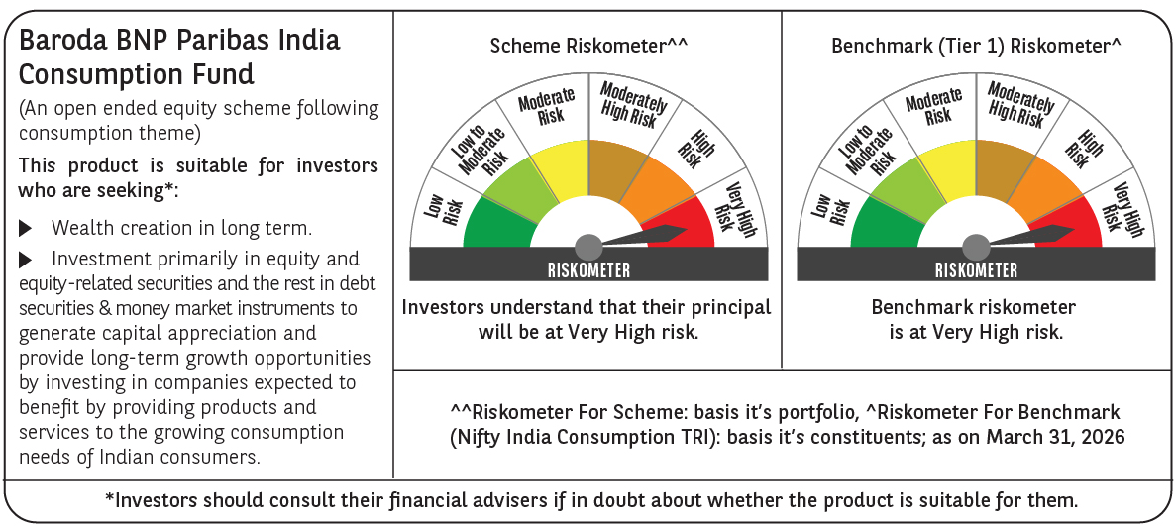
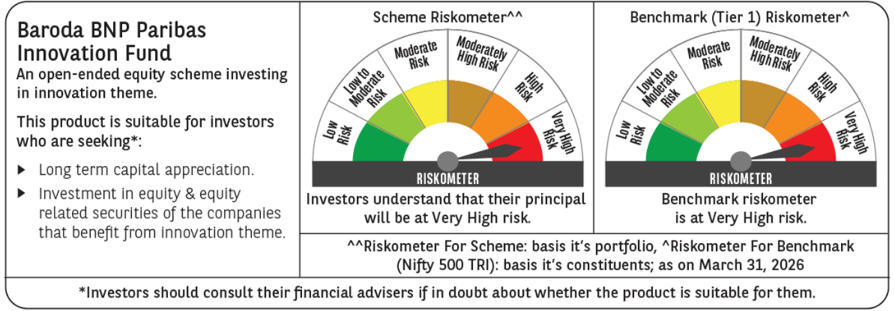
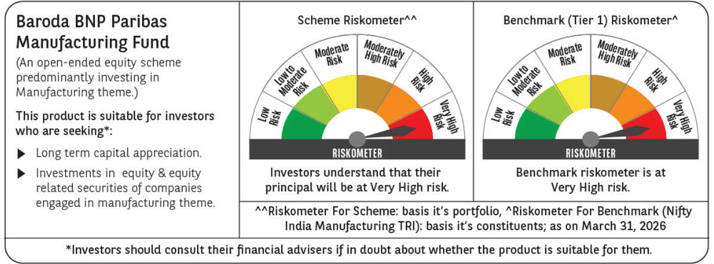
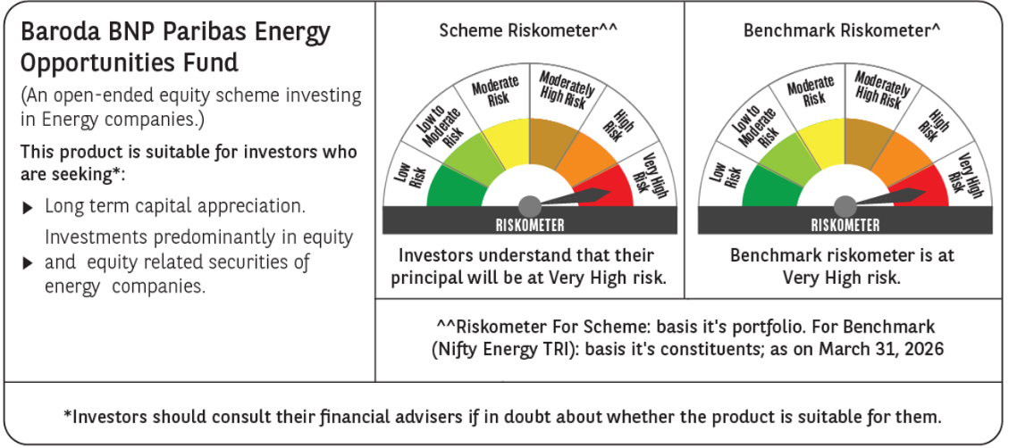
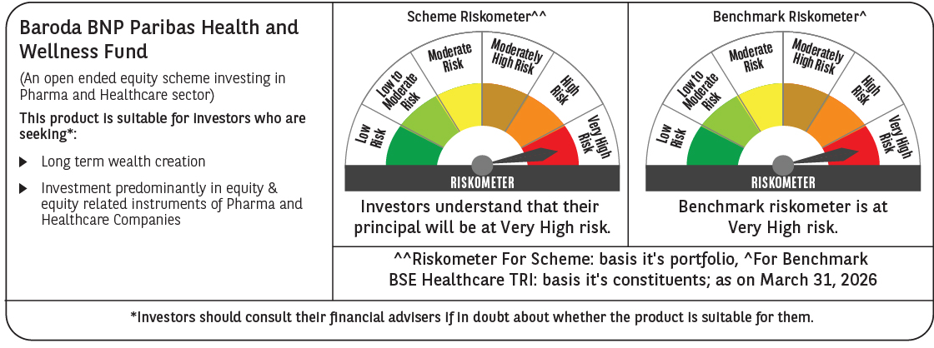
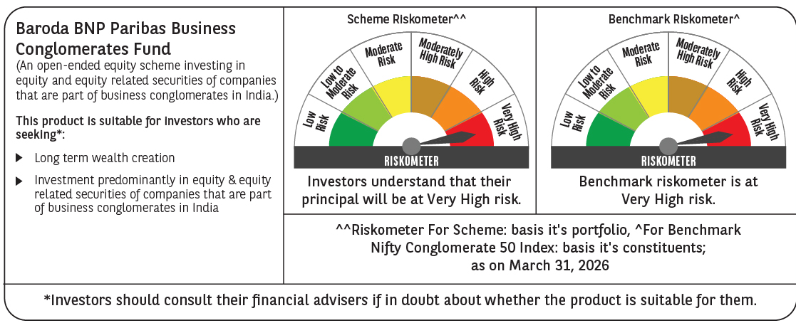
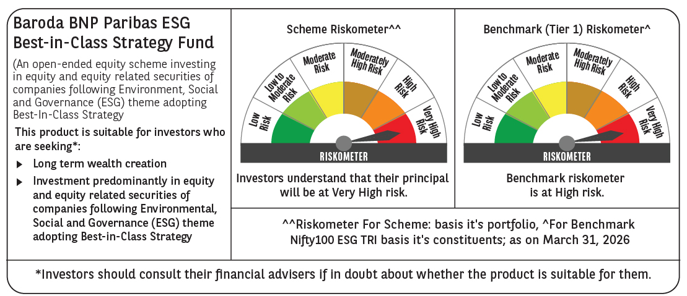
 |  |  |  |  |  |  |  |  |  |  |  |  |  |  |  |  |  |  |  |  |  |  |  |  |  |  |  |  |  |  |  |  |  |  |  |  |  |  |  |  |  |  |  |  |  |  |  |  |  |  |  |  |  |  |  |  |  |  |  |  |  |  |  |  |  |  |  |  |  |  |  |  |  |  |  |  |  |  |  |  |  |  |  |  |  |  |  |  |  |  |  |  |  |  |  |  |  |  |  |  |  |  |  |  |  |  |  |  |  |  |  |  |  |  |  |  |  |  |  |  | 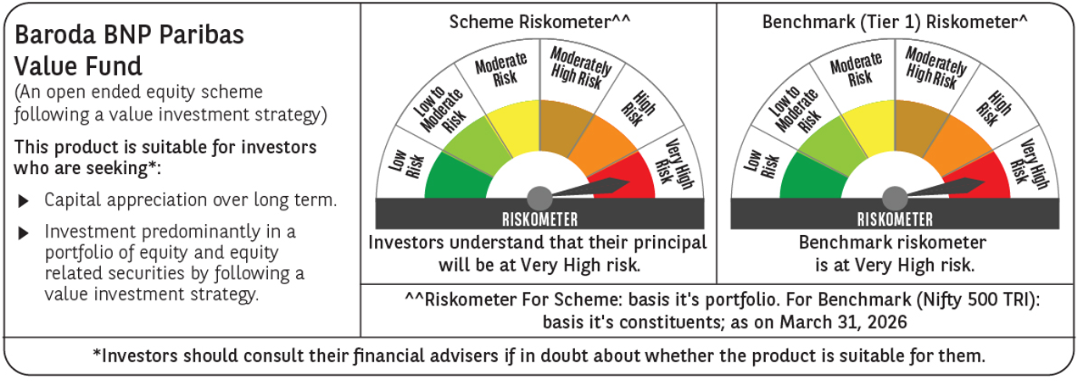
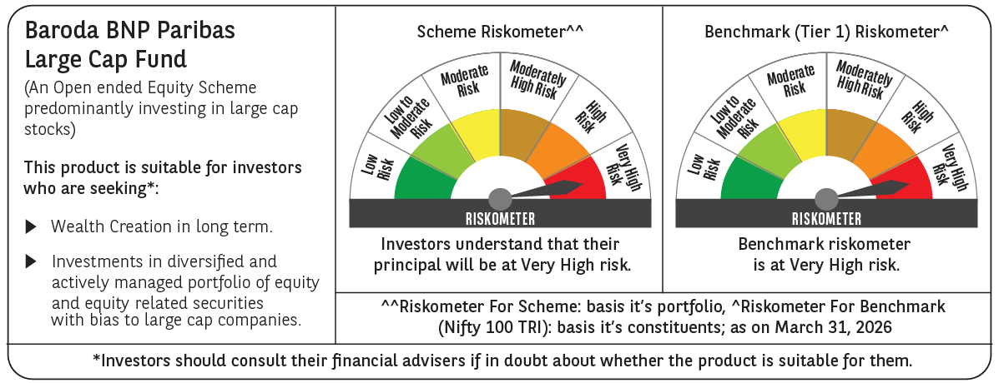
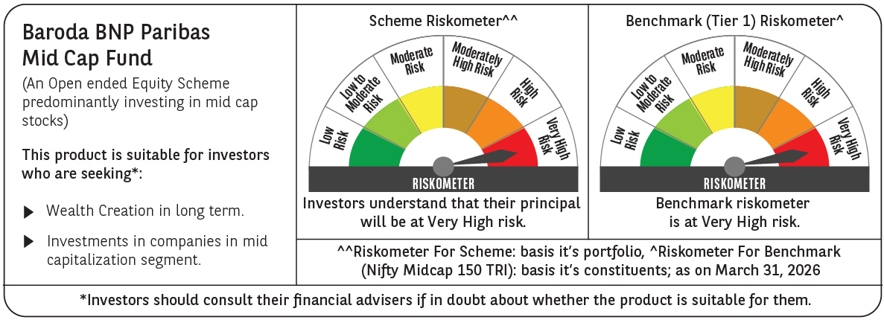
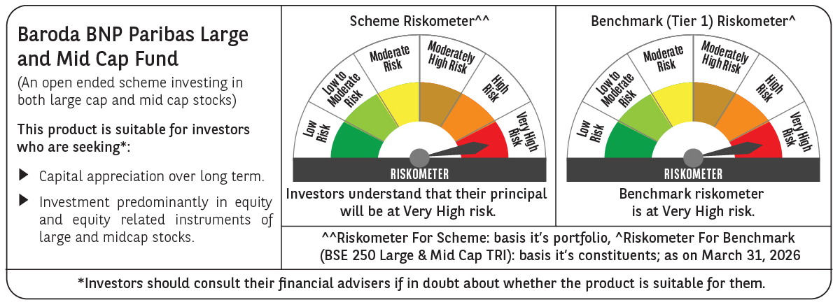
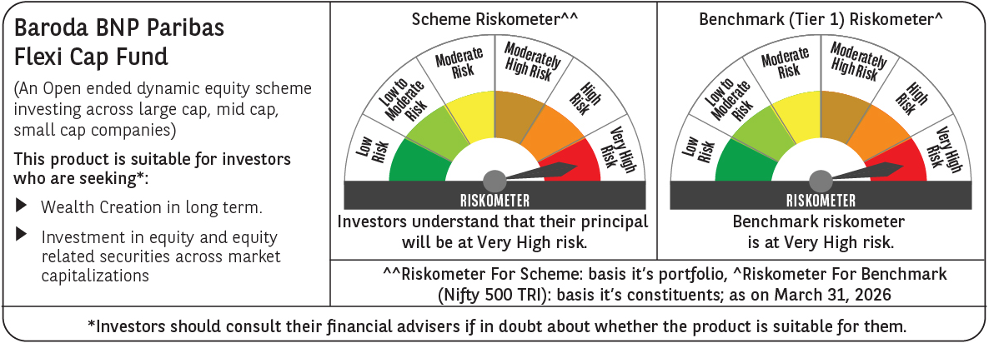
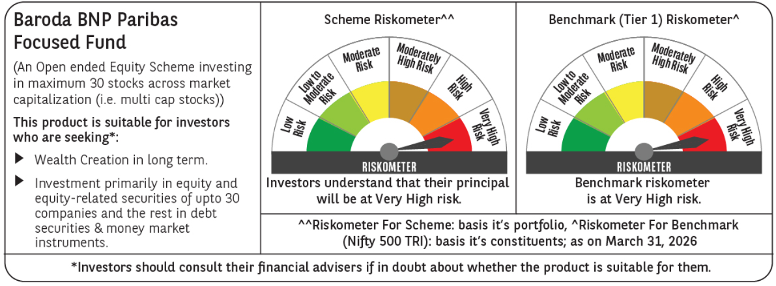
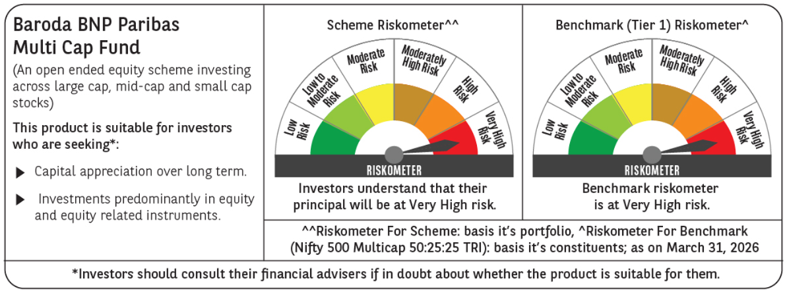
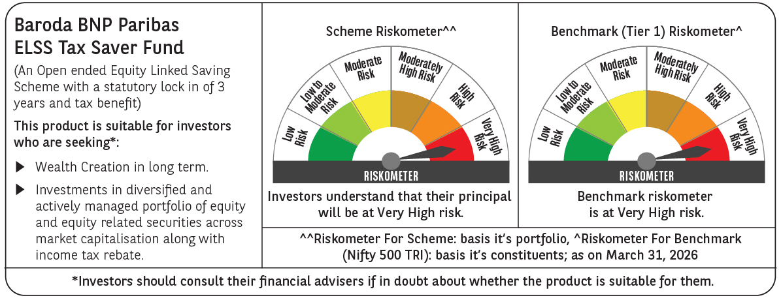
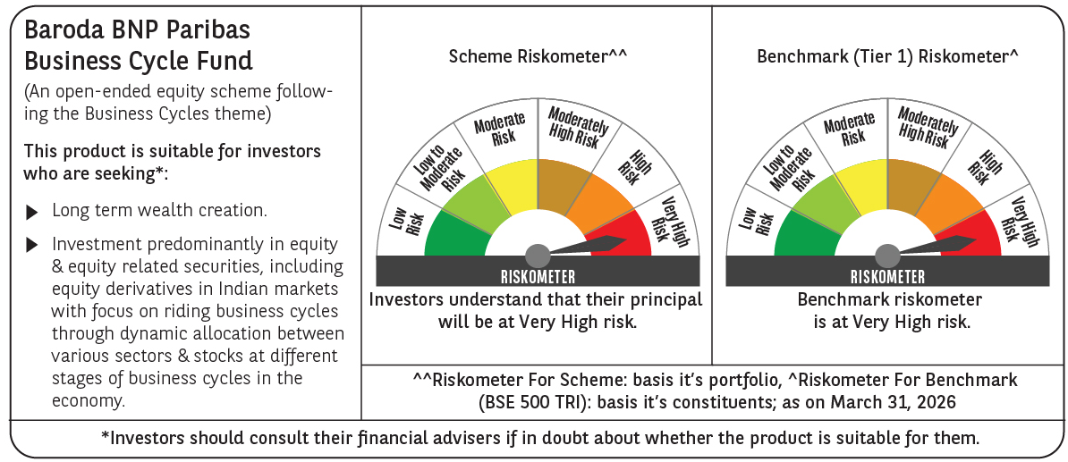
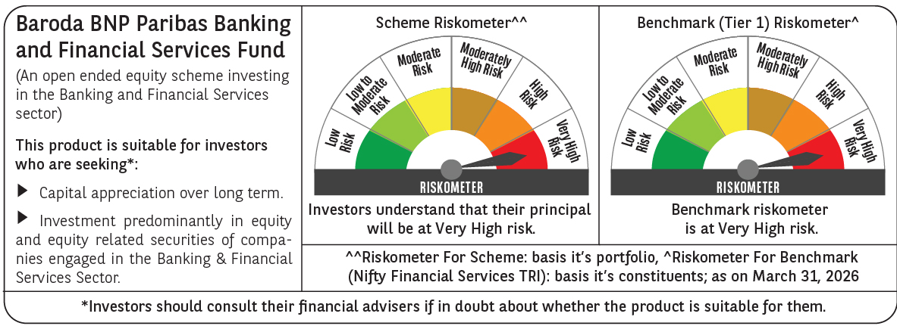
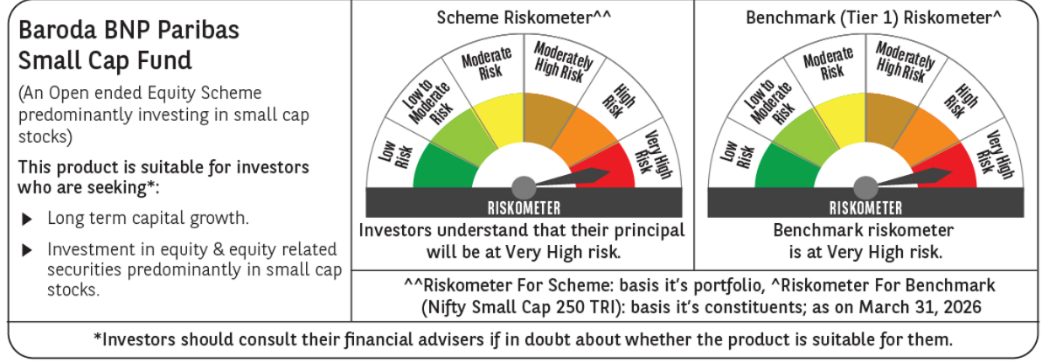
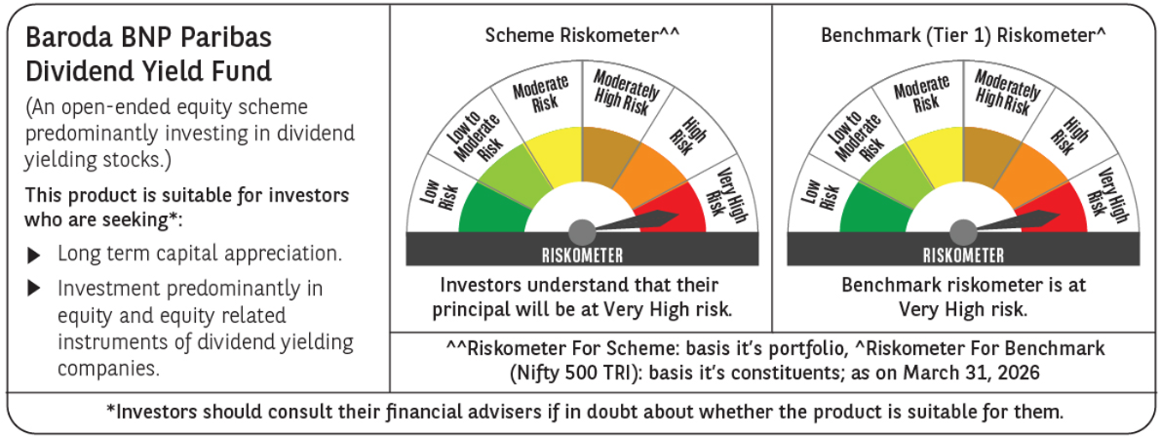

 | Past performance may or may not be sustained in future and should not be used as a basis of comparison with other investments. Returns do not take into account the load and taxes, if any. Returns are for growth option. Different plans shall have a different expense structure. Where scheme performance for last 3 and 5 years is not available, the same has not been shown. Returns in INR show the value of 10,000/- invested for last 1 year, last 3 years, last 5 years and since inception respectively ~The scheme is a ‘Transferee Scheme’, and accordingly, the performance is being provided in accordance with provisions of the SEBI Circular No- SEBI/HO/IMD/DF3/CIR/P/2018/69 dated April 12, 2018 whereby the weighted average performance of both the Transferor Scheme and Transferee Scheme has been considered

Hybrid & FOF
...
 |  |  |  |  |  |  |  |  |  |  |  |  | BARODA BNP PARIBAS AGGRESSIVE HYBRID FUND |  |  |  |  |  |  |  |  |  |  |  | Baroda BNP Paribas Equity Savings Fund |  |  |  |  |  |  |  |  |  |  |  | BARODA BNP PARIBAS CONSERVATIVE HYBRID FUND |  |  |  |  |  |  |  |  |  |  |  | BARODA BNP PARIBAS ARBITRAGE FUND |  |  |  |  |  |  |  |  |  |  |  | Baroda BNP Paribas Aqua Fund of Fund |  |  |  |  |  |  |  |  |  |  |  | Baroda BNP Paribas Multi Asset Fund |  |  |  |  |  |  |  |  |  |  |  | Baroda BNP Paribas Income Plus Arbitrage Active Fund of Fund |  |  |  |  |  |  |  |  |  |  |  |  |  | Baroda BNP Paribas Multi Asset Active Fund of Funds |  |  |  |  |  |  |  |  |  |  |  |  |  | Baroda BNP Paribas Gold ETF Fund of Funds
 |  |  |  |  |  |  |  |  |  |  |  |  | 1,145.57 |  |  |  |  |  |  |  |  |  |  |  | 268.37 |  |  |  |  |  |  |  |  |  |  |  | 790.59 |  |  |  |  |  |  |  |  |  |  |  | 1,276.21 |  |  |  |  |  |  |  |  |  |  |  | 32.76 |  |  |  |  |  |  |  |  |  |  |  | 1,292.28 |  |  |  |  |  |  |  |  |  |  |  | 66.44 |  |  |  |  |  |  |  |  |  |  |  |  |  | 122.36 |  |  |  |  |  |  |  |  |  |  |  |  |  | 196.36
Expense ratio | Regular Plan (%) : 1.88%, Direct Plan (%) : 0.75% |  |  |  |  |  |  |  |  |  |  |  | Regular Plan (%) : 2.11%, Direct Plan (%) : 0.52% |  |  |  |  |  |  |  |  |  |  |  | Regular Plan (%) : 2.50%, Direct Plan (%) : 1.40% |  |  |  |  |  |  |  |  |  |  |  | Regular Plan (%) : 1.99%, Direct Plan (%) : 0.51% |  |  |  |  |  |  |  |  |  |  |  | Regular Plan (%) : 1.11%, Direct Plan (%) : 0.31% |  |  |  |  |  |  |  |  |  |  |  | Regular Plan (%) : 1.58%, Direct Plan (%) : 0.61% |  |  |  |  |  |  |  |  |  |  |  | Regular Plan (%) : 2.05%, Direct Plan (%) : 0.89% |  |  |  |  |  |  |  |  |  |  |  | Regular Plan (%) : 0.25%, Direct Plan (%) : 0.05% |  |  |  |  |  |  |  |  |  |  |  |  |  | Regular Plan (%) : 0.99%, Direct Plan (%) : 0.09% |  |  |  |  |  |  |  |  |  |  |  |  |  | Regular Plan (%) :0.55%, Direct Plan (%) : 0.15%
Performance as on March 31, 2026 | Baroda BNP Paribas Balanced Advantage Fund | Last 1 Year |  | Last 3 years |  | Last 5 years |  | Since Inception - Regular/Distributor |  | Since Inception - Direct |  | Date of Inception of the Scheme | BARODA BNP PARIBAS AGGRESSIVE HYBRID FUND | Last 1 Year |  | Last 3 years |  | Last 5 years |  | Since Inception - Regular/Distributor |  | Since Inception - Direct |  | Date of Inception of the Scheme | Baroda BNP Paribas Equity Savings Fund | Last 1 Year |  | Last 3 years |  | Last 5 years |  | Since Inception - Regular/Distributor |  | Since Inception - Direct |  | Date of Inception of the Scheme | BARODA BNP PARIBAS CONSERVATIVE HYBRID FUND~ | Last 1 Year |  | Last 3 years |  | Last 5 years |  | Since Inception - Regular/Distributor |  | Since Inception - Direct |  | Date of Inception of the Scheme | BARODA BNP PARIBAS ARBITRAGE FUND | Last 1 Year |  | Last 3 years |  | Last 5 years |  | Since Inception - Regular/Distributor |  | Since Inception - Direct |  | Date of Inception of the Scheme | Baroda BNP Paribas Funds Aqua Fund of Fund | Last 1 Year |  | Last 3 years |  | Last 5 years |  | Since Inception - Regular/Distributor |  | Since Inception - Direct |  | Date of Inception of the Scheme | Baroda BNP Paribas Multi Asset Fund | Last 1 Year |  | Last 3 years |  | Last 5 years |  | Since Inception - Regular/Distributor |  | Since Inception - Direct |  | Date of Inception of the Scheme | Baroda BNP Paribas Income Plus Arbitrage Active Fund of Fund | Last 6 Months |  | Last 1 Year |  | Last 3 years |  | Last 5 years |  | Since Inception - Regular/Distributor |  | Since Inception - Direct |  | Date of Inception of the Scheme | Baroda BNP Paribas Multi Asset Active Fund of Fund | Last 6 Months |  | Last 1 Year |  | Last 3 years |  | Last 5 years |  | Since Inception - Regular/Distributor |  | Since Inception - Direct |  | Date of Inception of the Scheme | Baroda BNP Paribas Multi Asset Active Fund of Fund | Last 6 Months |  | Last 1 Year |  | Last 3 years |  | Last 5 years |  | Since Inception - Regular/Distributor |  | Since Inception - Direct |  | Date of Inception of the Scheme
 |  | Returns In INR* | CAGR | Returns In INR* | CAGR | Returns In INR* | CAGR | Returns In INR* | CAGR | Returns In INR* | CAGR |  |  | Returns In INR* | CAGR | Returns In INR* | CAGR | Returns In INR* | CAGR | Returns In INR* | CAGR | Returns In INR* | CAGR |  |  | Returns In INR* | CAGR | Returns In INR* | CAGR | Returns In INR* | CAGR | Returns In INR* | CAGR | Returns In INR* | CAGR |  |  | Returns In INR* | CAGR | Returns In INR* | CAGR | Returns In INR* | CAGR | Returns In INR* | CAGR | Returns In INR* | CAGR |  |  | Returns In INR* | CAGR | Returns In INR* | CAGR | Returns In INR* | CAGR | Returns In INR* | CAGR | Returns In INR* | CAGR |  |  | Returns In INR* | CAGR | Returns In INR* | CAGR | Returns In INR* | CAGR | Returns In INR* | CAGR | Returns In INR* | CAGR |  |  | Returns In INR* | CAGR | Returns In INR* | CAGR | Returns In INR* | CAGR | Returns In INR* | CAGR | Returns In INR* | CAGR |  |  | Returns In INR* | CAGR | Returns In INR* | CAGR | Returns In INR* | CAGR | Returns In INR* | CAGR | Returns In INR* | CAGR | Returns In INR* | CAGR |  |  | Returns In INR* | CAGR | Returns In INR* | CAGR | Returns In INR* | CAGR | Returns In INR* | CAGR | Returns In INR* | CAGR | Returns In INR* | CAGR |  |  | Returns In INR* | CAGR | Returns In INR* | CAGR | Returns In INR* | CAGR | Returns In INR* | CAGR | Returns In INR* | CAGR | Returns In INR* | CAGR
 | Distributor Plan | 10108.93 | 1.08 | 13816.95 | 11.38 | 15939.35 | 9.77 | 22968.60 | 11.93 | - | - | 14-Nov-18 | Regular Plan | 9814.76 | -1.84 | 13831.19 | 11.42 | 16338.52 | 10.32 | 25686.60 | 11.07 | - | - | 7-Apr-17 | Regular Plan | 10284.81 | 2.83 | 12809.77 | 8.60 | 13939.93 | 6.87 | 16267.90 | 7.55 | - | - | 25-Jul-19 | Distributor Plan | 10231.66 | 2.30 | 12362.21 | 7.32 | 13418.87 | 6.06 | 42911.02 | 7.00 | - | - | 23-Sep-04 | Regular Plan | 10587.14 | 5.84 | 12196.83 | 6.84 | 13214.20 | 5.73 | 16737.10 | 5.72 | - | - | 28-Dec-16 | Regular Plan | 11891.10 | 18.80 | 13744.67 | 11.18 | N.A. | N.A. | 14376.10 | 7.69 | - | - | 7-May-21 | Regular Plan | 10636.04 | 6.32 | 14843.54 | 14.07 | N.A. | N.A. | 14837.60 | 12.79 | - | - | 19-Dec-22 | Regular Plan | 10236.90 | 4.78 | N.A. | N.A. | N.A. | N.A. | N.A. | N.A. | 10412.74 | 4.86 | - | - | 23-May-25 | Regular Plan | 10429.82 | 8.67 | N.A. | N.A. | N.A. | N.A. | N.A. | N.A. | 10875.58 | 10.60 | - | - | 30-May-25 | Regular Plan | 12492.64 | 50.27 | N.A. | N.A. | N.A. | N.A. | N.A. | N.A. | 14044.34 | 74.79 | - | - | 2025-08-20
 | Direct Plan | 10225.07 | 2.24 | 14309.47 | 12.69 | 16965.59 | 11.15 | - | - | 25295.70 | 13.40 | 14-Nov-18 | Direct Plan | 9973.50 | -0.26 | 14518.49 | 13.23 | 17741.65 | 12.15 | - | - | 29691.90 | 12.88 | 7-Apr-17 | Direct Plan | 10401.38 | 3.99 | 13237.76 | 9.80 | 14713.62 | 8.03 | - | - | 17494.50 | 8.73 | 25-Jul-19 | Direct Plan | 10385.49 | 3.83 | 12939.66 | 8.97 | 14492.27 | 7.70 | - | - | 31522.47 | 9.05 | 1-Jan-13 | Direct Plan | 10672.77 | 6.69 | 12473.51 | 7.65 | 13693.49 | 6.49 | - | - | 17785.10 | 6.42 | 28-Dec-16 | Direct Plan | 12013.07 | 20.01 | 14174.71 | 12.33 | N.A. | N.A. | - | - | 15144.40 | 8.84 | 7-May-21 | Direct Plan | 10763.19 | 7.59 | 15455.58 | 15.62 | N.A. | N.A. | - | - | 15525.90 | 14.36 | 19-Dec-22 | Direct Plan | 10247.04 | 4.98 | N.A. | N.A. | N.A. | N.A. | N.A. | N.A. | - | - | 10430.41 | 5.07 | 23-May-25 | Direct Plan | 10476.50 | 9.61 | N.A. | N.A. | N.A. | N.A. | N.A. | N.A. | - | - | 10955.56 | 11.58 | 30-May-25 | Direct Plan | 12505.13 | 50.52 | N.A. | N.A. | N.A. | N.A. | N.A. | N.A. | - | - | 14061.45 | 75.14 | 2025-08-20
 | NIFTY 50 Hybrid Composite Debt 50:50 Index | 9937.21 | -0.62 | 12735.63 | 8.39 | 14689.79 | 7.99 | 20241.54 | 10.03 | 20241.54 | 10.03 |  | CRISIL Hybrid 35+65 - Aggressive Index | 9938.70 | -0.61 | 13579.70 | 10.74 | 15835.12 | 9.63 | 25046.39 | 10.76 | 25046.39 | 10.76 |  | NIFTY Equity Savings Index TRI | 10312.80 | 3.11 | 12824.04 | 8.64 | 14596.47 | 7.86 | 17485.48 | 8.72 | 17485.48 | 8.72 |  | CRISIL Hybrid 85+15 - Conservative Index | 10268.61 | 2.67 | 12527.36 | 7.80 | 13832.96 | 6.70 | 56327.00 | 8.36 | 29660.03 | 8.55 |  | Nifty 50 Arbitrage Index | 10728.56 | 7.24 | 12486.77 | 7.68 | 13643.49 | 6.41 | 16435.51 | 5.51 | 16435.51 | 5.51 |  | MSCI World Index | 13150.34 | 31.30 | 18330.79 | 22.38 | N.A. | N.A. | 19711.09 | 14.86 | 19711.09 | 14.86 |  | 65% of Nifty 500 TRI + 20% of NIFTY Composite Debt Index + 15% of INR Price of Gold | 10698.09 | 6.94 | 15328.08 | 15.30 | N.A. | N.A. | 14844.60 | 12.80 | 14844.60 | 12.80 |  | Nifty Composite Debt Index 60% + Nifty Arbitrage Index 40% Total Return Index | 10146.58 | 2.96 | N.A. | N.A. | N.A. | N.A. | N.A. | N.A. | 10223.97 | 2.63 | 10223.97 | 2.63 |  | 60% of NIFTY Composite Debt Index TRI + 20% Nifty 500 TRI + 20% of INR Price of Gold | 10339.73 | 6.85 | N.A. | N.A. | N.A. | N.A. | N.A. | N.A. | 10726.41 | 8.78 | 10726.41 | 8.78 |  | Domestic Price of Gold | 12733.07 | 55.11 | N.A. | N.A. | N.A. | N.A. | N.A. | N.A. | 14289.39 | 79.83 | 14289.39 | 79.83
 | Additional Benchmark Nifty 50 TRI Index | 9601.00 | -3.97 | 13320.41 | 10.03 | 16113.47 | 10.01 | 22983.31 | 11.94 | 22983.31 | 11.94 |  | Additional Benchmark Nifty 50 TRI | 9601.00 | -3.97 | 13320.41 | 10.03 | 16113.47 | 10.01 | 27054.42 | 11.72 | 27054.42 | 11.72 |  | Additional Benchmark CRISIL 10 Year Gilt Index | 10212.42 | 2.11 | 12178.09 | 6.79 | 12731.40 | 4.95 | 13994.64 | 5.16 | 13994.64 | 5.16 |  | Additional Benchmark CRISIL 10 year Gilt Index | 10212.42 | 2.11 | 12178.09 | 6.79 | 12731.40 | 4.95 | 34637.22 | 5.94 | 22539.70 | 6.33 |  | Additional Benchmark CRISIL 1 Year T-Bill Index | 10533.25 | 5.30 | 12134.46 | 6.66 | 13156.03 | 5.64 | 17099.30 | 5.97 | 17099.30 | 5.97 |  | Additional Benchmark Nifty 50 TRI | 9601.00 | -3.97 | 13320.41 | 10.03 | N.A. | N.A. | 15962.35 | 10.02 | 15962.35 | 10.02 |  | Additional Benchmark Nifty 50 TRI | 9601.00 | -3.97 | 13320.41 | 10.03 | N.A. | N.A. | 12565.18 | 7.21 | 12565.18 | 7.21 |  |  | 9097.86 | -18.19 | N.A. | N.A. | N.A. | N.A. | N.A. | N.A. | 9071.31 | -10.81 | 9071.31 | -10.81 |  | Additional Benchmark Nifty 50 TRI | 9097.86 | -18.19 | N.A. | N.A. | N.A. | N.A. | N.A. | N.A. | 9094.39 | -10.77 | 9094.39 | -10.77 |  | Additional Benchmark Nifty 50 TRI | 9097.86 | -18.19 | N.A. | N.A. | N.A. | N.A. | N.A. | N.A. | 8901.43 | -17.41 | 8901.43 | -17.41
Portfolio details | Click Here |  |  |  |  |  |  |  |  |  |  |  | Click Here |  |  |  |  |  |  |  |  |  |  |  | Click Here |  |  |  |  |  |  |  |  |  |  |  | Click Here |  |  |  |  |  |  |  |  |  |  |  | Click Here |  |  |  |  |  |  |  |  |  |  |  | Click Here |  |  |  |  |  |  |  |  |  |  |  | Click Here |  |  |  |  |  |  |  |  |  |  |  | Click Here |  |  |  |  |  |  |  |  |  |  |  |  |  | Click Here |  |  |  |  |  |  |  |  |  |  |  |  |  | Click Here
Riskometer (as on Date) | Very High |  |  |  |  |  |  |  |  |  |  |  | Very High |  |  |  |  |  |  |  |  |  |  |  | Moderately High |  |  |  |  |  |  |  |  |  |  |  | Moderately High |  |  |  |  |  |  |  |  |  |  |  | Low |  |  |  |  |  |  |  |  |  |  |  | Very High |  |  |  |  |  |  |  |  |  |  |  | Click Here
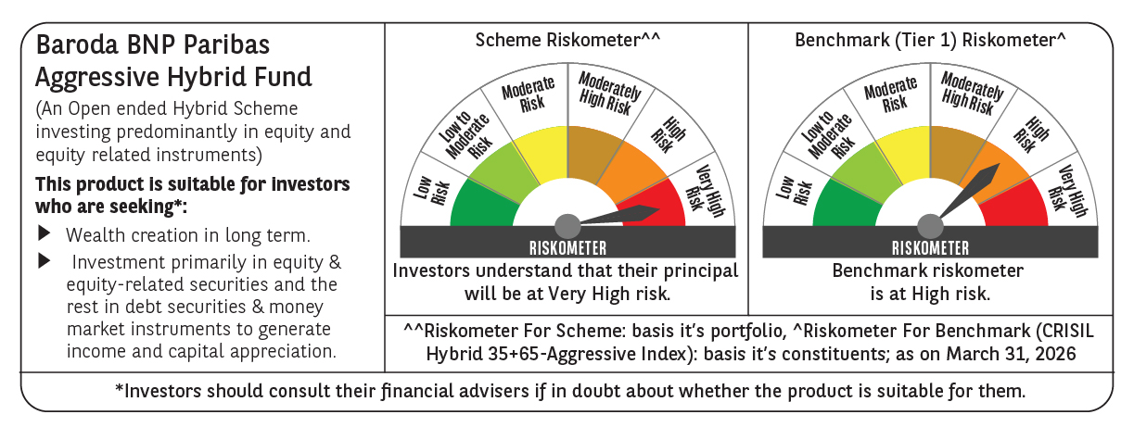
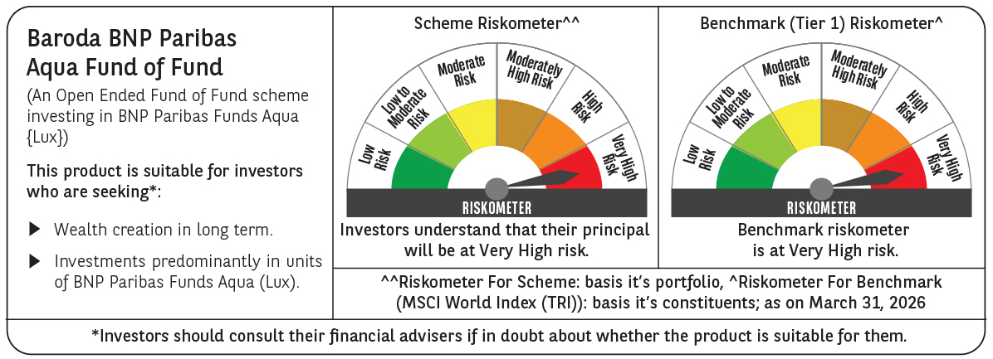
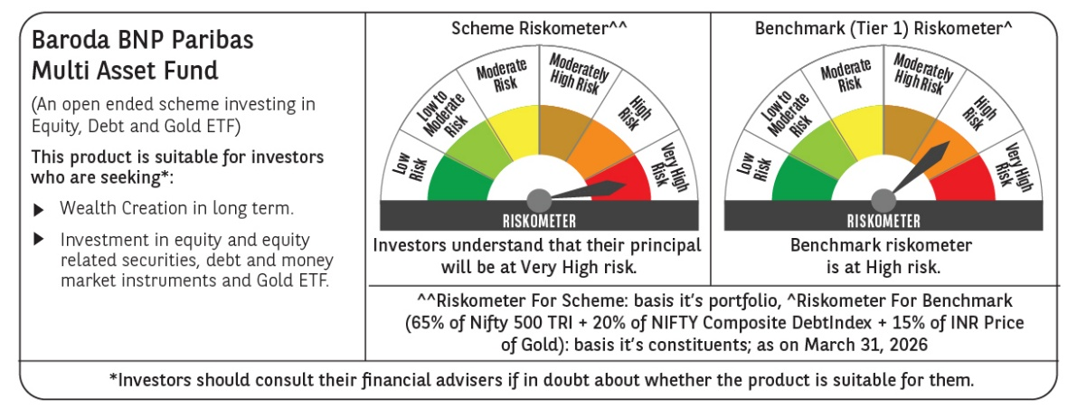
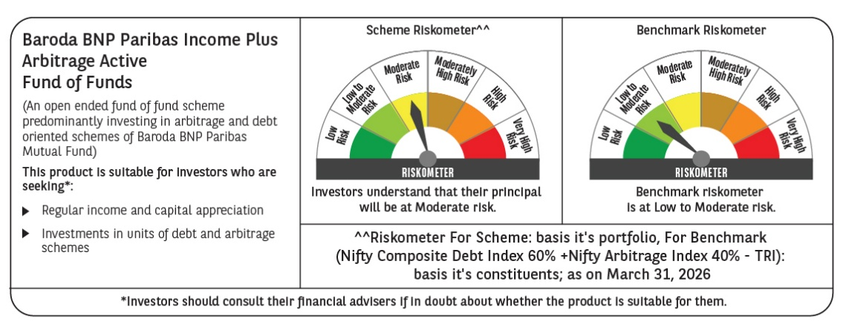
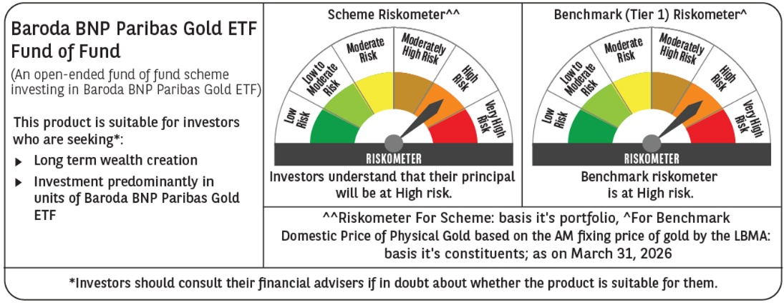
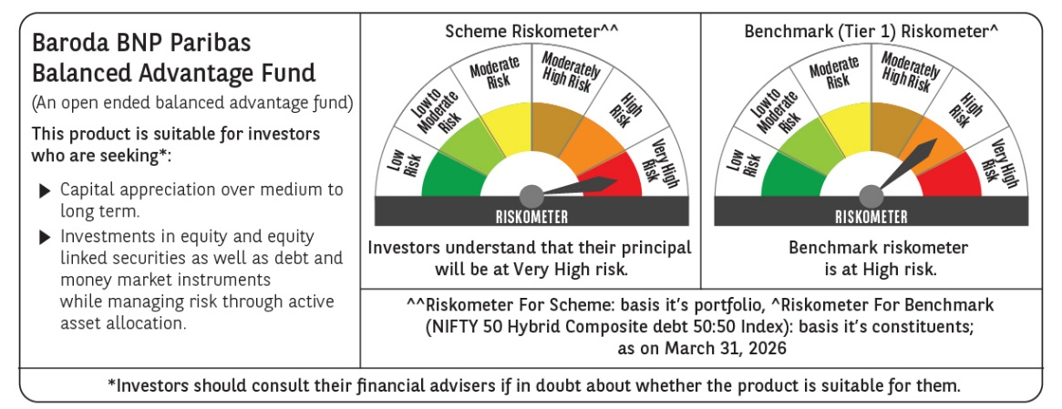
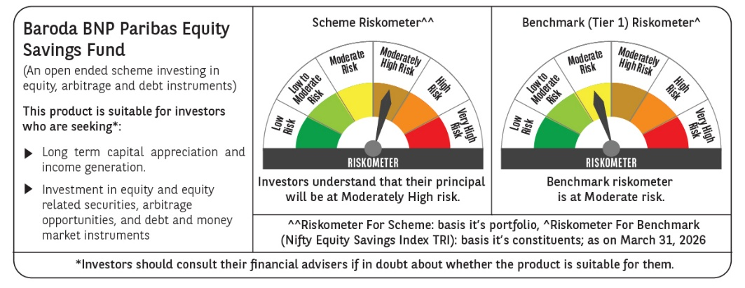
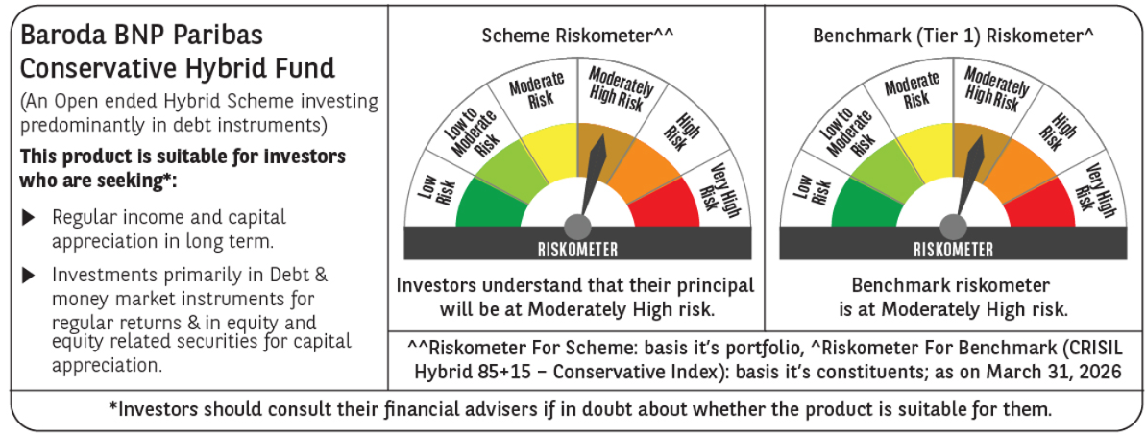
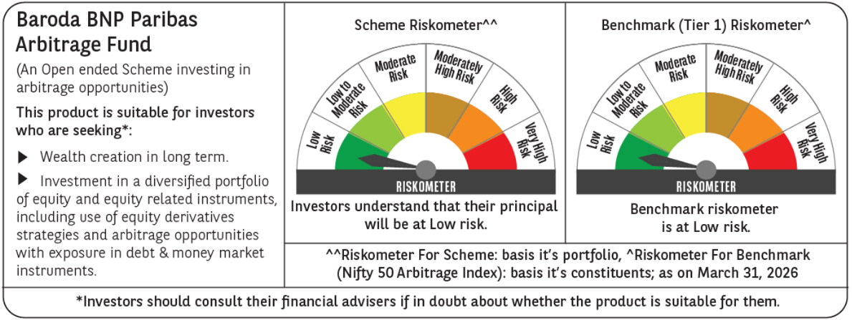
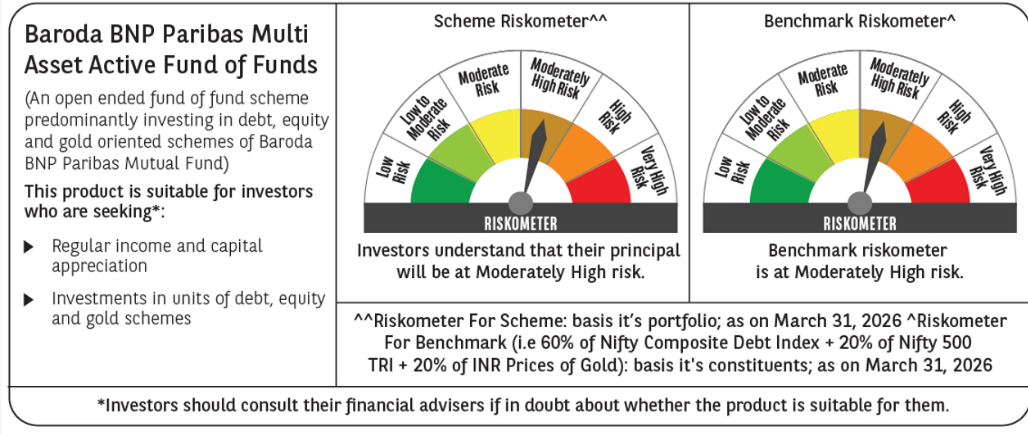

 | Past performance may or may not be sustained in future and should not be used as a basis of comparison with other investments. Returns do not take into account the load and taxes, if any. Returns are for growth option. Different plans shall have a different expense structure.
 | Where scheme performance for last 3 and 5 years is not available, the same has not been shown. Performance of Baroda BNP Paribas Flexi cap Fund is not provided as the scheme has not completed 6 months.
 | Returns in INR show the value of 10,000/- invested for last 1 year, last 3 years, last 5 years and since inception respectively
 | ~The scheme is a ‘Transferee Scheme’, and accordingly, the performance is being provided in accordance with provisions of the SEBI Circular No- SEBI/HO/IMD/DF3/CIR/P/2018/69 dated April 12, 2018 whereby the weighted average performance of both the Transferor Scheme and Transferee Scheme has been considered

Debt
...
Scheme Name | Baroda BNP Paribas Ultra Short Duration Fund |  |  |  |  |  |  |  |  |  |  |  | Baroda BNP Paribas Money Market Fund |  |  |  |  |  |  |  |  |  |  |  | Baroda BNP Paribas Overnight Fund |  |  |  |  |  |  |  |  |  |  |  | BARODA BNP PARIBAS LOW DURATION FUND |  |  |  |  |  |  |  |  |  |  |  | Baroda BNP Paribas Dynamic Bond Fund |  |  |  |  |  |  |  |  |  |  |  | BARODA BNP PARIBAS CORPORATE BOND FUND |  |  |  |  |  |  |  |  |  |  |  | Baroda BNP Paribas Short Duration Fund |  |  |  |  |  |  |  |  |  |  |  | BARODA BNP PARIBAS LIQUID FUND |  |  |  |  |  |  |  |  |  |  |  | BARODA BNP PARIBAS GILT FUND |  |  |  |  |  |  |  |  |  |  |  | Baroda BNP Paribas Credit Risk Fund (scheme has two segregated portfolios)
Scheme AUM (in crores) | 705.16 |  |  |  |  |  |  |  |  |  |  |  | 4,364.97 |  |  |  |  |  |  |  |  |  |  |  | 389.24 |  |  |  |  |  |  |  |  |  |  |  | 259.93 |  |  |  |  |  |  |  |  |  |  |  | 134.03 |  |  |  |  |  |  |  |  |  |  |  | 273.50 |  |  |  |  |  |  |  |  |  |  |  | 279.76 |  |  |  |  |  |  |  |  |  |  |  | 8,599.38 |  |  |  |  |  |  |  |  |  |  |  | 807.60 |  |  |  |  |  |  |  |  |  |  |  | 174.61
Expense ratio | Regular Plan (%) : 0.48%, Direct Plan (%) : 0.30% |  |  |  |  |  |  |  |  |  |  |  | Regular Plan (%) : 0.37%, Direct Plan (%) : 0.16% |  |  |  |  |  |  |  |  |  |  |  | Regular Plan (%) : 0.13%, Direct Plan (%) : 0.05% |  |  |  |  |  |  |  |  |  |  |  | Regular Plan (%) : 1.04%, Direct Plan (%) : 0.27% |  |  |  |  |  |  |  |  |  |  |  | Regular Plan (%) : 1.70%, Direct Plan (%) : 0.70% |  |  |  |  |  |  |  |  |  |  |  | Regular Plan (%) : 0.58%, Direct Plan (%) : 0.20% |  |  |  |  |  |  |  |  |  |  |  | Regular Plan (%) : 1.08%, Direct Plan (%) : 0.44% |  |  |  |  |  |  |  |  |  |  |  | Regular Plan (%) : 0.26%, Direct Plan (%) : 0.14% |  |  |  |  |  |  |  |  |  |  |  | Regular Plan (%) : 0.45%, Direct Plan (%) : 0.14% |  |  |  |  |  |  |  |  |  |  |  | Regular Plan (%) : 1.61%, Direct Plan (%) : 0.85%
Performance as on March 31, 2026 | Baroda BNP Paribas Ultra Short Duration Fund | Last 1 Year |  | Last 3 years |  | Last 5 years |  | Since Inception - Regular/Distributor |  | Since Inception - Direct |  | Date of Inception of the Scheme | Baroda BNP Paribas Money Market Fund | Last 1 Year |  | Last 3 years |  | Last 5 years |  | Since Inception - Regular/Distributor |  | Since Inception - Direct |  | Date of Inception of the Scheme | Baroda BNP Paribas Overnight Fund~ | Last 1 Year |  | Last 3 years |  | Last 5 years |  | Since Inception - Regular/Distributor |  | Since Inception - Direct |  | Date of Inception of the Scheme | BARODA BNP PARIBAS LOW DURATION FUND | Last 1 Year |  | Last 3 years |  | Last 5 years |  | Since Inception - Regular/Distributor |  | Since Inception - Direct |  | Date of Inception of the Scheme | Baroda BNP Paribas Dynamic Bond Fund~ | Last 1 Year |  | Last 3 years |  | Last 5 years |  | Since Inception - Regular/Distributor |  | Since Inception - Direct |  | Date of Inception of the Scheme | BARODA BNP PARIBAS CORPORATE BOND FUND | Last 1 Year |  | Last 3 years |  | Last 5 years |  | Since Inception - Regular/Distributor |  | Since Inception - Direct |  | Date of Inception of the Scheme^ | Baroda BNP Paribas Short Duration Fund~ | Last 1 Year |  | Last 3 years |  | Last 5 years |  | Since Inception - Regular/Distributor |  | Since Inception - Direct |  | Date of Inception of the Scheme | BARODA BNP PARIBAS LIQUID FUND~ | Last 1 Year |  | Last 3 years |  | Last 5 years |  | Since Inception - Regular/Distributor |  | Since Inception - Direct |  | Date of Inception of the Scheme | BARODA BNP PARIBAS GILT FUND | Last 1 Year |  | Last 3 years |  | Last 5 years |  | Since Inception - Regular/Distributor |  | Since Inception - Direct |  | Date of Inception of the Scheme | **Baroda BNP Paribas Credit Risk Fund (scheme has one segregated portfolio)) | Last 1 Year |  | Last 3 years |  | Last 5 years |  | Since Inception - Regular/Distributor |  | Since Inception - Direct |  | Date of Inception of the Scheme
 |  | Returns In INR* | CAGR | Returns In INR* | CAGR | Returns In INR* | CAGR | Returns In INR* | CAGR | Returns In INR* | CAGR |  |  | Returns In INR* | CAGR | Returns In INR* | CAGR | Returns In INR* | CAGR | Returns In INR* | CAGR | Returns In INR* | CAGR |  |  | Returns In INR* | CAGR | Returns In INR* | CAGR | Returns In INR* | CAGR | Returns In INR* | CAGR | Returns In INR* | CAGR |  |  | Returns In INR* | CAGR | Returns In INR* | CAGR | Returns In INR* | CAGR | Returns In INR* | CAGR | Returns In INR* | CAGR |  |  | Returns In INR* | CAGR | Returns In INR* | CAGR | Returns In INR* | CAGR | Returns In INR* | CAGR | Returns In INR* | CAGR |  |  | Returns In INR* | CAGR | Returns In INR* | CAGR | Returns In INR* | CAGR | Returns In INR* | CAGR | Returns In INR* | CAGR |  |  | Returns In INR* | CAGR | Returns In INR* | CAGR | Returns In INR* | CAGR | Returns In INR* | CAGR | Returns In INR* | CAGR |  |  | Returns In INR* | CAGR | Returns In INR* | CAGR | Returns In INR* | CAGR | Returns In INR* | CAGR | Returns In INR* | CAGR |  |  | Returns In INR* | CAGR | Returns In INR* | CAGR | Returns In INR* | CAGR | Returns In INR* | CAGR | Returns In INR* | CAGR |  |  | Returns In INR* | CAGR | Returns In INR* | CAGR | Returns In INR* | CAGR | Returns In INR* | CAGR | Returns In INR* | CAGR
 | Distributor Plan | 10637.03 | 6.33 | 12263.24 | 7.04 | 13463.63 | 6.13 | 16095.18 | 6.26 | - | - | 1-Jun-18 | Regular Plan | 10650.09 | 6.46 | 12247.86 | 6.99 | 13271.29 | 5.82 | 14399.74 | 5.52 | - | - | 19-Jun-19 | Distributor Plan | 10541.12 | 5.41 | 11990.57 | 6.23 | 13042.56 | 5.45 | 14074.83 | 5.05 | - | - | 25-Apr-19 | Distributor Plan | 10598.39 | 5.95 | 12118.08 | 6.61 | 13109.14 | 5.56 | 41645.00 | 7.22 | - | - | 21-Oct-05 | Distributor Plan | 10049.62 | 0.49 | 11718.29 | 5.43 | 12642.28 | 4.80 | 44764.03 | 7.21 | - | - | 23-Sep-04 | Regular Plan | 10631.42 | 6.28 | 12407.47 | 7.46 | 13143.80 | 5.62 | 28465.56 | 6.80 | - | - | 10-May-10 | Distributor Plan | 10555.26 | 5.52 | 12208.54 | 6.88 | 13195.94 | 5.70 | 30490.87 | 7.33 | - | - | 30-Jun-10 | Distributor Plan | 10606.31 | 6.06 | 12192.81 | 6.83 | 13331.96 | 5.92 | 31419.72 | 6.90 | - | - | 5-Feb-09 | Regular Plan | 10101.39 | 1.01 | 11999.56 | 6.26 | 12819.03 | 5.09 | 42330.50 | 6.19 | - | - | 21-Mar-02 | Regular Plan | 10705.99 | 7.02 | 12476.52 | 7.65 | 14944.74 | 8.37 | 23192.60 | 7.81 | - | - | 23-Jan-15
 | Direct Plan | 10656.33 | 6.53 | 12331.89 | 7.24 | 13584.90 | 6.32 | - | - | 16326.32 | 6.46 | 1-Jun-18 | Direct Plan | 10672.73 | 6.69 | 12320.37 | 7.20 | 13411.94 | 6.05 | - | - | 14632.35 | 5.77 | 19-Jun-19 | Direct Plan | 10549.57 | 5.50 | 12019.12 | 6.32 | 13089.43 | 5.53 | - | - | 14146.74 | 5.13 | 25-Apr-19 | Direct Plan | 10679.23 | 6.75 | 12397.25 | 7.43 | 13617.75 | 6.37 | - | - | 26278.88 | 7.56 | 1-Jan-13 | Direct Plan | 10146.50 | 1.46 | 12060.72 | 6.44 | 13293.87 | 5.86 | - | - | 26081.56 | 7.50 | 1-Jan-13 | Direct Plan | 10654.34 | 6.51 | 12521.19 | 7.78 | 13391.52 | 6.01 | - | - | 24397.90 | 6.96 | 1-Jan-13 | Direct Plan | 10623.41 | 6.20 | 12453.90 | 7.59 | 13647.80 | 6.42 | - | - | 27133.03 | 7.82 | 1-Jan-13 | Direct Plan | 10619.62 | 6.20 | 12238.95 | 6.96 | 13406.70 | 6.04 | - | - | 24100.52 | 6.86 | 1-Jan-13 | Direct Plan | 10132.92 | 1.32 | 12111.89 | 6.60 | 13130.08 | 5.60 | - | - | 27237.30 | 7.86 | 1-Jan-13 | Direct Plan | 10786.73 | 7.82 | 12770.57 | 8.49 | 15535.24 | 9.21 | - | - | 25672.30 | 8.79 | 23-Jan-15
 | CRISIL Ultra Short Duration Debt A-I Index | 10647.29 | 6.44 | 12316.19 | 7.19 | 13538.41 | 6.25 | 16328.24 | 6.46 | 16328.24 | 6.46 |  | CRISIL Money Market A-I Index | 10611.14 | 6.08 | 12244.53 | 6.98 | 13458.05 | 6.12 | 14811.22 | 5.96 | 14811.22 | 5.96 |  | CRISIL Liquid Overnight Index | 10546.79 | 5.47 | 12020.85 | 6.32 | 13111.44 | 5.56 | 14168.54 | 5.15 | 14168.54 | 5.15 |  | CRISIL Low Duration Debt A-I Index | 10639.79 | 6.36 | 12315.59 | 7.19 | 13492.50 | 6.17 | 41802.91 | 7.24 | 25797.26 | 7.41 |  | CRISIL Dynamic Bond A-III Index | 10311.48 | 3.10 | 12121.16 | 6.62 | 13130.14 | 5.60 | 47843.79 | 7.54 | 26369.39 | 7.59 |  | CRISIL Corporate Debt A-II Index | 10633.49 | 6.30 | 12340.28 | 7.26 | 13432.02 | 6.08 | 33892.19 | 7.98 | 27667.60 | 7.98 |  | CRISIL Short Duration Debt A-II Index | 10619.65 | 6.16 | 12336.05 | 7.25 | 13442.28 | 6.09 | 31451.24 | 7.54 | 26169.53 | 7.53 |  | CRISIL Liquid Debt A-I Index | 10606.84 | 6.07 | 12204.52 | 6.86 | 13372.69 | 5.98 | 30337.15 | 6.68 | 23658.57 | 6.71 |  | CRISIL Dynamic Gilt Index | 10205.29 | 2.04 | 12180.23 | 6.80 | 13230.24 | 5.76 | 54730.86 | 7.33 | 25495.99 | 7.32 |  | CRISIL Credit Risk Debt B-II Index | 10757.70 | 7.53 | 12619.61 | 8.06 | 14173.22 | 7.22 | 24035.98 | 8.15 | 24035.98 | 8.15
 | Additional Benchmark CRISIL 1 Year T-Bill Index | 10533.25 | 5.30 | 12134.46 | 6.66 | 13156.03 | 5.64 | 15775.77 | 5.99 | 15775.77 | 5.99 |  | Additional Benchmark CRISIL 1 Year T-Bill Index | 10533.25 | 5.30 | 12134.46 | 6.66 | 13156.03 | 5.64 | 14574.37 | 5.71 | 14574.37 | 5.71 |  | Additional Benchmark CRISIL 1 Year T-Bill Index | 10529.57 | 5.30 | 12138.40 | 6.67 | 13159.95 | 5.64 | 14755.71 | 5.77 | 14755.71 | 5.77 |  | Additional Benchmark CRISIL 1 Year T-Bill Index | 10533.25 | 5.30 | 12134.46 | 6.66 | 13156.03 | 5.64 | 33701.39 | 6.12 | 22802.23 | 6.42 |  | Additional Benchmark CRISIL 10 year Gilt Index | 10212.42 | 2.11 | 12178.09 | 6.79 | 12731.40 | 4.95 | 34637.22 | 5.94 | 22539.70 | 6.33 |  | Additional Benchmark CRISIL 10 year Gilt Index | 10212.42 | 2.11 | 12178.09 | 6.79 | 12731.40 | 4.95 | 26401.07 | 6.30 | 22539.70 | 6.33 |  | Additional Benchmark CRISIL 1 Year T-Bill Index | 10533.25 | 5.30 | 12134.46 | 6.66 | 13156.03 | 5.64 | 26678.86 | 6.42 | 22802.23 | 6.42 |  | Additional Benchmark CRISIL 1 Year T-Bill Index | 10529.57 | 5.30 | 12138.40 | 6.67 | 13159.95 | 5.64 | 27600.32 | 6.10 | 22805.60 | 6.42 |  | Additional Benchmark CRISIL 10 Year Gilt Index | 10212.42 | 2.11 | 12178.09 | 6.79 | 12731.40 | 4.95 | 44004.82 | 6.36 | 22539.70 | 6.33 |  | Additional Benchmark CRISIL 10 Year Gilt Index | 10212.42 | 2.11 | 12178.09 | 6.79 | 12731.40 | 4.95 | 19672.88 | 6.23 | 19672.88 | 6.23
Portfolio details | Click Here |  |  |  |  |  |  |  |  |  |  |  | Click Here |  |  |  |  |  |  |  |  |  |  |  | Click Here |  |  |  |  |  |  |  |  |  |  |  | Click Here |  |  |  |  |  |  |  |  |  |  |  | Click Here |  |  |  |  |  |  |  |  |  |  |  | Click Here |  |  |  |  |  |  |  |  |  |  |  | Click Here |  |  |  |  |  |  |  |  |  |  |  | Click Here |  |  |  |  |  |  |  |  |  |  |  | Click Here |  |  |  |  |  |  |  |  |  |  |  | Click Here
Riskometer (as on Date) | Low to Moderate |  |  |  |  |  |  |  |  |  |  |  | Low to Moderate |  |  |  |  |  |  |  |  |  |  |  | Low |  |  |  |  |  |  |  |  |  |  |  | Low to Moderate |  |  |  |  |  |  |  |  |  |  |  | Moderate |  |  |  |  |  |  |  |  |  |  |  | Moderate |  |  |  |  |  |  |  |  |  |  |  | Moderate |  |  |  |  |  |  |  |  |  |  |  | Low to Moderate |  |  |  |  |  |  |  |  |  |  |  | Moderately High |  |  |  |  |  |  |  |  |  |  |  | Moderately High
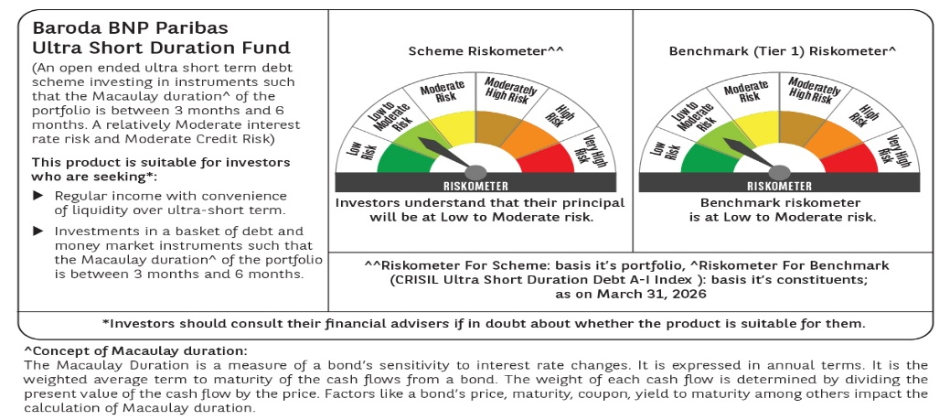
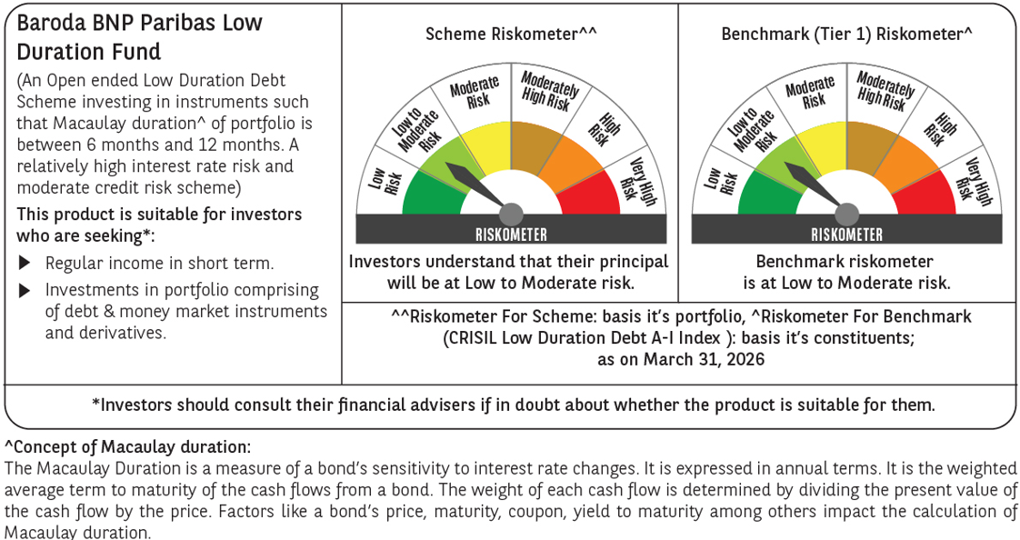
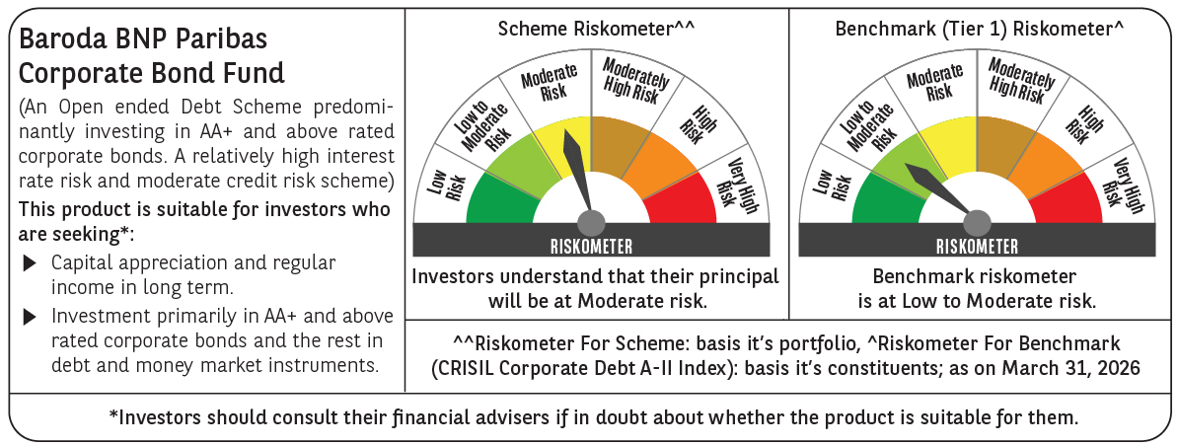
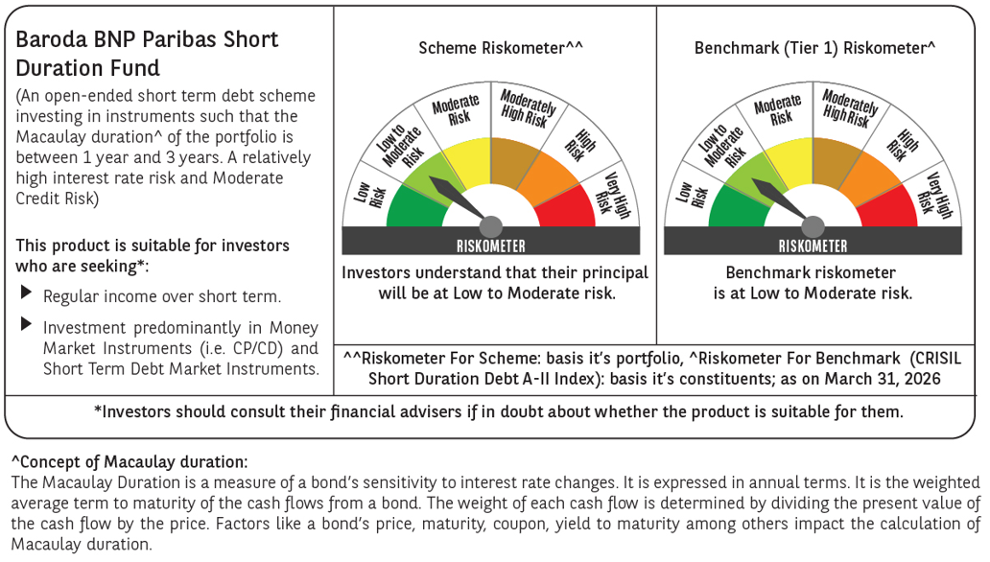
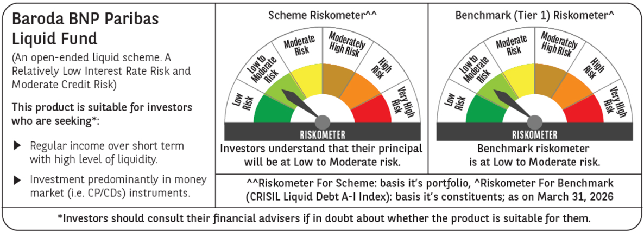
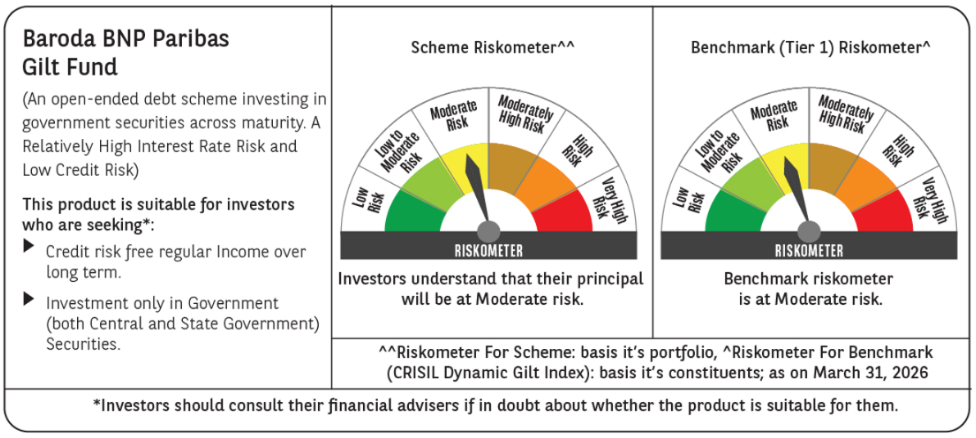
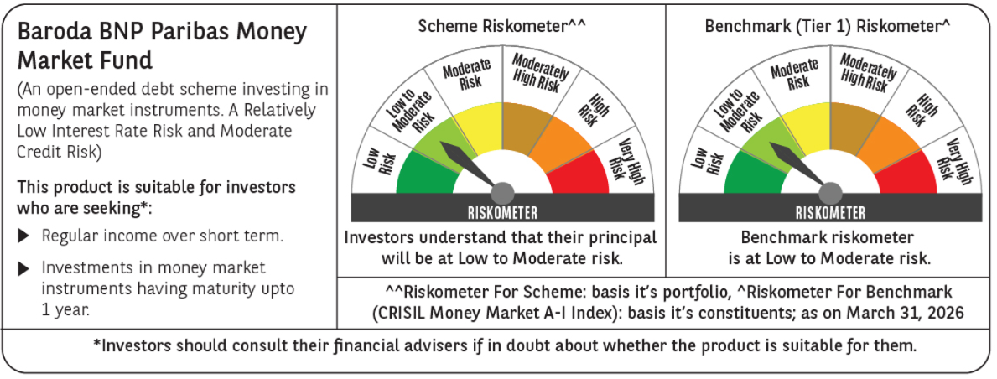
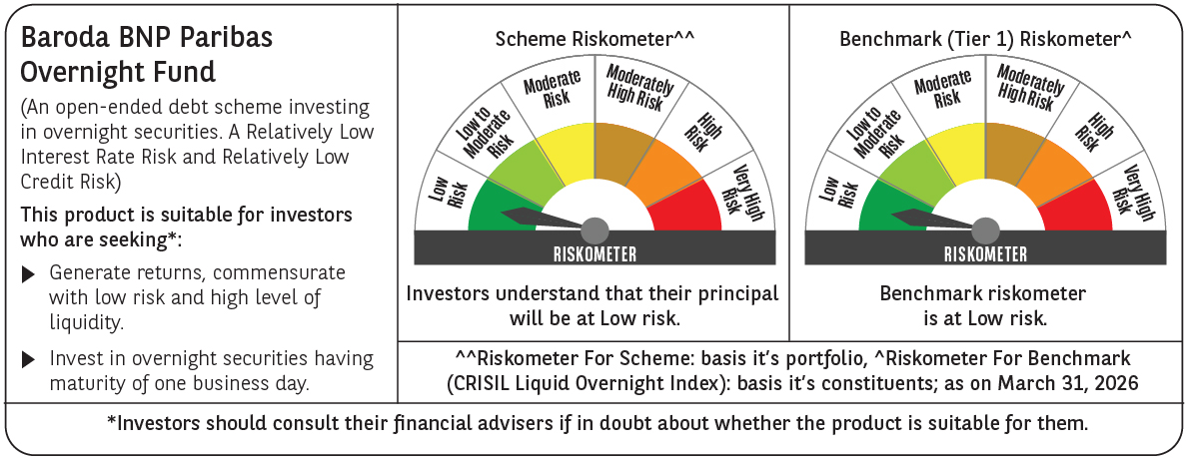
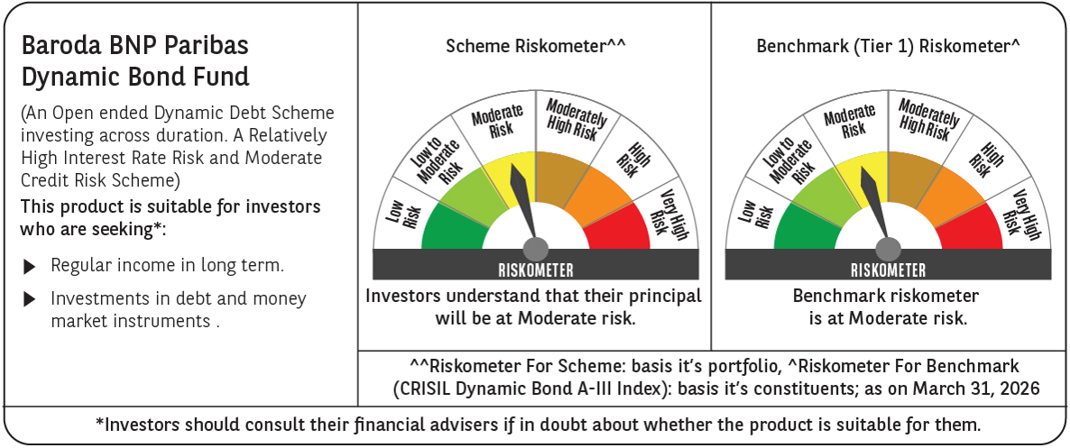
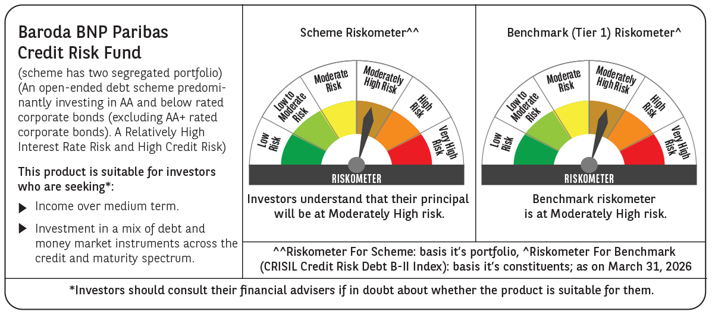

 | Potential Risk Class (PRC) matrix* |  |  |  |  |  |  |  |  |  |  |  | Potential Risk Class (PRC) matrix* |  |  |  |  |  |  |  |  |  |  |  | Potential Risk Class (PRC) matrix* |  |  |  |  |  |  |  |  |  |  |  | Potential Risk Class (PRC) matrix* |  |  |  |  |  |  |  |  |  |  |  | Potential Risk Class (PRC) matrix* |  |  |  |  |  |  |  |  |  |  |  | Potential Risk Class (PRC) matrix* |  |  |  |  |  |  |  |  |  |  |  | Potential Risk Class (PRC) matrix* |  |  |  |  |  |  |  |  |  |  |  | Potential Risk Class (PRC) matrix* |  |  |  |  |  |  |  |  |  |  |  | Potential Risk Class (PRC) matrix* |  |  |  |  |  |  |  |  |  |  |  | Potential Risk Class (PRC) matrix*
 | Credit Risk (Max)→ |  |  | Relatively Low: Class A (CRV>=12) |  |  | Moderate: Class B (CRV>=10) |  |  | Relatively High: Class C (CRV<10) |  |  | Credit Risk (Max)→ |  |  | Relatively Low: Class A (CRV>=12) |  |  | Moderate: Class B (CRV>=10) |  |  | Relatively High: Class C (CRV<10) |  |  | Credit Risk (Max)→ |  |  | Relatively Low: Class A (CRV>=12) |  |  | Moderate: Class B (CRV>=10) |  |  | Relatively High: Class C (CRV<10) |  |  | Credit Risk (Max)→ |  |  | Relatively Low: Class A (CRV>=12) |  |  | Moderate: Class B (CRV>=10) |  |  | Relatively High: Class C (CRV<10) |  |  | Credit Risk (Max)→ |  |  | Relatively Low: Class A (CRV>=12) |  |  | Moderate: Class B (CRV>=10) |  |  | Relatively High: Class C (CRV<10) |  |  | Credit Risk (Max)→ |  |  | Relatively Low: Class A (CRV>=12) |  |  | Moderate: Class B (CRV>=10) |  |  | Relatively High: Class C (CRV<10) |  |  | Credit Risk (Max)→ |  |  | Relatively Low: Class A (CRV>=12) |  |  | Moderate: Class B (CRV>=10) |  |  | Relatively High: Class C (CRV<10) |  |  | Credit Risk (Max)→ |  |  | Relatively Low: Class A (CRV>=12) |  |  | Moderate: Class B (CRV>=10) |  |  | Relatively High: Class C (CRV<10) |  |  | Credit Risk (Max)→ |  |  | Relatively Low: Class A (CRV>=12) |  |  | Moderate: Class B (CRV>=10) |  |  | Relatively High: Class C (CRV<10) |  |  | Credit Risk (Max)→ |  |  | Relatively Low: Class A (CRV>=12) |  |  | Moderate: Class B (CRV>=10) |  |  | Relatively High: Class C (CRV<10)
 | Interest Rate Risk (Max)↓ |  |  |  |  |  |  |  |  |  |  |  | Interest Rate Risk (Max)↓ |  |  |  |  |  |  |  |  |  |  |  | Interest Rate Risk (Max)↓ |  |  |  |  |  |  |  |  |  |  |  | Interest Rate Risk (Max)↓ |  |  |  |  |  |  |  |  |  |  |  | Interest Rate Risk (Max)↓ |  |  |  |  |  |  |  |  |  |  |  | Interest Rate Risk (Max)↓ |  |  |  |  |  |  |  |  |  |  |  | Interest Rate Risk (Max)↓ |  |  |  |  |  |  |  |  |  |  |  | Interest Rate Risk (Max)↓ |  |  |  |  |  |  |  |  |  |  |  | Interest Rate Risk (Max)↓ |  |  |  |  |  |  |  |  |  |  |  | Interest Rate Risk (Max)↓
 | Relatively Low: Class I (MD<=1 year) |  |  |  |  |  |  |  |  |  |  |  | Relatively Low: Class I (MD<=1 year) |  |  |  |  |  | B-I |  |  |  |  |  | Relatively Low: Class I (MD<=1 year) |  |  | A-1 |  |  |  |  |  |  |  |  | Relatively Low: Class I (MD<=1 year) |  |  |  |  |  |  |  |  |  |  |  | Relatively Low: Class I (MD<=1 year) |  |  |  |  |  |  |  |  |  |  |  | Relatively Low: Class I (MD<=1 year) |  |  |  |  |  |  |  |  |  |  |  | Relatively Low: Class I (MD<=1 year) |  |  |  |  |  |  |  |  |  |  |  | Relatively Low: Class I (MD<=1 year) |  |  |  |  |  | B-I |  |  |  |  |  | Relatively Low: Class I (MD<=1 year) |  |  |  |  |  |  |  |  |  |  |  | Relatively Low: Class I (MD<=1 year)
 | Moderate: Class II (MD<=3 year) |  |  |  |  |  | B-II |  |  |  |  |  | Moderate: Class II (MD<=3 year) |  |  |  |  |  |  |  |  |  |  |  | Moderate: Class II (MD<=3 year) |  |  |  |  |  |  |  |  |  |  |  | Moderate: Class II (MD<=3 year) |  |  |  |  |  |  |  |  |  |  |  | Moderate: Class II (MD<=3 year) |  |  |  |  |  |  |  |  |  |  |  | Moderate: Class II (MD<=3 year) |  |  |  |  |  |  |  |  |  |  |  | Moderate: Class II (MD<=3 year) |  |  |  |  |  |  |  |  |  |  |  | Moderate: Class II (MD<=3 year) |  |  |  |  |  |  |  |  |  |  |  | Moderate: Class II (MD<=3 year) |  |  |  |  |  |  |  |  |  |  |  | Moderate: Class II (MD<=3 year)

 | Relatively High: Class III (Any MD) |  |  |  |  |  |  |  |  |  |  |  | Relatively High: Class III (Any MD) |  |  |  |  |  |  |  |  |  |  |  | Relatively High: Class III (Any MD) |  |  |  |  |  |  |  |  |  |  |  | Relatively High: Class III (Any MD) |  |  |  |  |  | B-III |  |  |  |  |  | Relatively High: Class III (Any MD) |  |  |  |  |  | B-III |  |  |  |  |  | Relatively High: Class III (Any MD) |  |  |  |  |  | B-III |  |  |  |  |  | Relatively High: Class III (Any MD) |  |  |  |  |  | B-III |  |  |  |  |  | Relatively High: Class III (Any MD) |  |  |  |  |  |  |  |  |  |  |  | Relatively High: Class III (Any MD) |  |  | A-III |  |  |  |  |  |  |  |  | Relatively High: Class III (Any MD) |  |  |  |  |  |  |  |  | C-III

 | MD=Macaulay Duration, CRV=Credit Risk Value. |  |  |  |  |  |  |  |  |  |  |  | MD=Macaulay Duration, CRV=Credit Risk Value |  |  |  |  |  |  |  |  |  |  |  | *The PRC matrix denotes the maximum risk that the respective Scheme can take i.e. maximum interest rate risk (measured by MD of the Scheme) and maximum credit risk (measured by CRV of the Scheme) |  |  |  |  |  |  |  |  |  |  |  | MD=Macaulay Duration, CRV=Credit Risk Value. |  |  |  |  |  |  |  |  |  |  |  | MD=Macaulay Duration, CRV=Credit Risk Value. |  |  |  |  |  |  |  |  |  |  |  | MD=Macaulay Duration, CRV=Credit Risk Value. |  |  |  |  |  |  |  |  |  |  |  | *The PRC matrix denotes the maximum risk that the respective Scheme can take i.e. maximum interest rate risk (measured by MD of the Scheme) and maximum credit risk (measured by CRV of the Scheme) |  |  |  |  |  |  |  |  |  |  |  | *The PRC matrix denotes the maximum risk that the respective Scheme can take i.e. maximum interest rate risk (measured by MD of the Scheme) and maximum credit risk (measured by CRV of the Scheme) |  |  |  |  |  |  |  |  |  |  |  | *The PRC matrix denotes the maximum risk that the respective Scheme can take i.e. maximum interest rate risk (measured by MD of the Scheme) and maximum credit risk (measured by CRV of the Scheme) |  |  |  |  |  |  |  |  |  |  |  | MD=Macaulay Duration, CRV=Credit Risk Value.
 | *The PRC matrix denotes the maximum risk that the respective Scheme can take i.e. maximum interest rate risk (measured by MD of the Scheme) and maximum credit risk (measured by CRV of the Scheme) |  |  |  |  |  |  |  |  |  |  |  | *The PRC matrix denotes the maximum risk that the respective Scheme can take i.e. maximum interest rate risk (measured by MD of the Scheme) and maximum credit risk (measured by CRV of the Scheme) |  |  |  |  |  |  |  |  |  |  |  |  |  |  |  |  |  |  |  |  |  |  |  | *The PRC matrix denotes the maximum risk that the respective Scheme can take i.e. maximum interest rate risk (measured by MD of the Scheme) and maximum credit risk (measured by CRV of the Scheme) |  |  |  |  |  |  |  |  |  |  |  | *The PRC matrix denotes the maximum risk that the respective Scheme can take i.e. maximum interest rate risk (measured by MD of the Scheme) and maximum credit risk (measured by CRV of the Scheme) |  |  |  |  |  |  |  |  |  |  |  | *The PRC matrix denotes the maximum risk that the respective Scheme can take i.e. maximum interest rate risk (measured by MD of the Scheme) and maximum credit risk (measured by CRV of the Scheme) |  |  |  |  |  |  |  |  |  |  |  |  |  |  |  |  |  |  |  |  |  |  |  |  |  |  |  |  |  |  |  |  |  |  |  |  |  |  |  |  |  |  |  |  |  |  |  | *The PRC matrix denotes the maximum risk that the respective Scheme can take i.e. maximum interest rate risk (measured by MD of the Scheme) and maximum credit risk (measured by CRV of the Scheme)
...

Other Funds
...
 |  |  |  |  |  |  |  |  |  |  |  |  |  |  |  |  |  |  |  |  |  |  |  |  | Baroda BNP Paribas Gold ETF |  |  |  |  |  |  |  |  |  |  |  | Baroda BNP Paribas Nifty 50 Index Fund
 |  |  |  |  |  |  |  |  |  |  |  |  |  |  |  |  |  |  |  |  |  |  |  |  | BBNP/O/O/GET/23/09/0037 |  |  |  |  |  |  |  |  |  |  |  | BBNP/O/O/EIN/23/10/0038
 |  |  |  |  |  |  |  |  |  |  |  |  |  |  |  |  |  |  |  |  |  |  |  |  | Mr. Gurvinder Singh Wasan (Managing Since October 21, 2024) & Mr. Madhav Vyas (Managing Since January 01, 2025) |  |  |  |  |  |  |  |  |  |  |  | Mr. Neeraj Saxena (managing since January 29, 2024)
Scheme AUM (in crores) | 29.28 |  |  |  |  |  |  |  |  |  |  |  | 132.47 |  |  |  |  |  |  |  |  |  |  |  | 324.35 |  |  |  |  |  |  |  |  |  |  |  | 54.34 |  |  |  |  |  |  |  |  |  |  |  | 3.47 |  |  |  |  |  |  |  |  |  |  |  | 19.88 |  |  |  |  |  |  |  |  |  |  |  | 8.50
Expense ratio | Regular Plan (%) : 0.49%, Direct Plan (%) : 0.19% |  |  |  |  |  |  |  |  |  |  |  | Regular Plan (%) : 0.49%, Direct Plan (%) : 0.19% |  |  |  |  |  |  |  |  |  |  |  | 0.59% |  |  |  |  |  |  |  |  |  |  |  | Regular Plan (%) : 0.56% Direct Plan: 0.16% |  |  |  |  |  |  |  |  |  |  |  | 0.09% |  |  |  |  |  |  |  |  |  |  |  | Regular Plan (%) : 1.10% Direct Plan: 0.47% |  |  |  |  |  |  |  |  |  |  |  | Regular Plan (%) : 1.08% Direct Plan: 0.39%
Performance as on March 31, 2026 | Baroda BNP Paribas Nifty SDL December 2028 Index Fund | Last 1 Year |  | Last 3 years |  | Last 5 years |  | Since Inception - Regular/Distributor |  | Since Inception - Direct |  | Date of Inception of the Scheme | Baroda BNP Paribas Nifty SDL December 2026 Index Fund Fund | Last 1 Year |  | Last 3 years |  | Last 5 years |  | Since Inception - Regular/Distributor |  | Since Inception - Direct |  | Date of Inception of the Scheme | Baroda BNP Paribas Gold ETF | Last 1 Year |  | Last 3 years |  | Last 5 years |  | Since Inception - Regular/Distributor |  | Since Inception - Direct |  | Date of Inception of the Scheme | Baroda BNP Paribas Nifty 50 Index Fund | Last 1 Year |  | Last 3 years |  | Last 5 years |  | Since Inception - Regular/Distributor |  | Since Inception - Direct |  | Date of Inception of the Scheme | Baroda BNP Paribas Nifty Bank ETF | Last 1 Year |  | Last 3 years |  | Last 5 years |  | Since Inception - Regular/Distributor |  | Since Inception - Direct |  | Date of Inception of the Scheme | Baroda BNP Paribas Nifty 200 Momentum 30 Index Fund | Last 1 Year |  | Last 3 years |  | Last 5 years |  | Since Inception - Regular/Distributor |  | Since Inception - Direct |  | Date of Inception of the Scheme | Baroda BNP Paribas Nifty Midcap 150 Index Fund | Last 1 Year |  | Last 3 years |  | Last 5 years |  | Since Inception - Regular/Distributor |  | Since Inception - Direct |  | Date of Inception of the Scheme
 |  | Returns In INR* | CAGR | Returns In INR* | CAGR | Returns In INR* | CAGR | Returns In INR* | CAGR | Returns In INR* | CAGR |  |  | Returns In INR* | CAGR | Returns In INR* | CAGR | Returns In INR* | CAGR | Returns In INR* | CAGR | Returns In INR* | CAGR |  |  | Returns In INR* | CAGR | Returns In INR* | CAGR | Returns In INR* | CAGR | Returns In INR* | CAGR | Returns In INR* | CAGR |  |  | Returns In INR* | CAGR | Returns In INR* | CAGR | Returns In INR* | CAGR | Returns In INR* | CAGR | Returns In INR* | CAGR |  |  | Returns In INR* | CAGR | Returns In INR* | CAGR | Returns In INR* | CAGR | Returns In INR* | CAGR | Returns In INR* | CAGR |  |  | Returns In INR* | CAGR | Returns In INR* | CAGR | Returns In INR* | CAGR | Returns In INR* | CAGR | Returns In INR* | CAGR |  |  | Returns In INR* | CAGR | Returns In INR* | CAGR | Returns In INR* | CAGR | Returns In INR* | CAGR | Returns In INR* | CAGR
 | Regular Plan | 10652.50 | 6.49 | 12414.36 | 7.48 | N.A. | N.A. | 12498.90 | 7.67 | - | - | 24-Mar-23 | Regular Plan | 10668.34 | 6.65 | 12312.30 | 7.18 | N.A. | N.A. | 12468.30 | 7.19 | - | - | 25-Jan-23 | Regular Plan | 16205.15 | 61.62 | N.A. | N.A. | N.A. | N.A. | 23180.86 | 44.22 | - | - | 13-Dec-23 | Regular Plan | 9532.61 | -4.65 | N.A. | N.A. | N.A. | N.A. | 10389.40 | 1.78 | - | - | 29-Jan-24 | Regular Plan | 9812.07 | -1.87 | N.A. | N.A. | N.A. | N.A. | 10013.64 | 0.08 | - | - | 18-Jun-24 | Regular Plan | 9475.44 | -5.22 | N.A. | N.A. | N.A. | N.A. | 7091.80 | -21.04 | - | - | 15-Oct-24 | Regular Plan | 10103.68 | 1.03 | N.A. | N.A. | N.A. | N.A. | 9277.20 | -5.22 | - | - | 4-Nov-24
 | Direct Plan | 10684.74 | 6.81 | 12526.52 | 7.80 | N.A. | N.A. | - | - | 12612.70 | 7.99 | 24-Mar-23 | Direct Plan | 10700.54 | 6.97 | 12423.56 | 7.50 | N.A. | N.A. | - | - | 12587.80 | 7.51 | 25-Jan-23 | Domestic Price of Gold | 16475.85 | 64.30 | N.A. | N.A. | N.A. | N.A. | 23979.45 | 46.37 | 23979.45 | 46.37 |  | Direct Plan | 9571.10 | -4.27 | N.A. | N.A. | N.A. | N.A. | - | - | 10479.40 | 2.18 | 29-Jan-24 | Nifty Bank TRI | 9827.37 | -1.72 | N.A. | N.A. | N.A. | N.A. | 10080.32 | 0.45 | 10080.32 | 0.45 |  | Nifty 200 Momentum 30 TRI | 9661.07 | -3.37 | N.A. | N.A. | N.A. | N.A. | 7274.76 | -19.64 | 7274.76 | -19.64 |  | Direct Plan | 10173.55 | 1.73 | N.A. | N.A. | N.A. | N.A. | - | - | 9367.30 | -4.56 | 4-Nov-24
 | NIFTY SDL December 2028 Index | 10699.02 | 6.95 | 12620.65 | 8.07 | N.A. | N.A. | 12708.05 | 8.26 | 12708.05 | 8.26 |  | NIFTY SDL December 2026 Index | 10746.06 | 7.42 | 12521.72 | 7.78 | N.A. | N.A. | 12675.86 | 7.75 | 12675.86 | 7.75 |  | Click Here |  |  |  |  |  |  |  |  |  |  |  | Nifty 50 TRI | 9601.00 | -3.97 | N.A. | N.A. | N.A. | N.A. | 10531.46 | 2.42 | 10531.46 | 2.42 |  | Additional Benchmark Nifty 50 TRI | 9601.00 | -3.97 | N.A. | N.A. | N.A. | N.A. | 9657.99 | -1.94 | 9657.99 | -1.94 |  | Additional Benchmark Nifty 50 TRI | 9601.00 | -3.97 | N.A. | N.A. | N.A. | N.A. | 9047.96 | -6.65 | 9047.96 | -6.65 |  | Nifty Midcap 150 TRI | 10226.90 | 2.26 | N.A. | N.A. | N.A. | N.A. | 9430.92 | -4.10 | 9430.92 | -4.10
 | Additional Benchmark CRISIL 1 Year T-Bill Index | 10533.25 | 5.30 | 12134.46 | 6.66 | N.A. | N.A. | 12152.36 | 6.67 | 12152.36 | 6.67 |  | Additional Benchmark CRISIL 1-year T-bill Index | 10533.25 | 5.30 | 12134.46 | 6.66 | N.A. | N.A. | 12254.82 | 6.61 | 12254.82 | 6.61 |  | High |  |  |  |  |  |  |  |  |  |  |  | Additional Benchmark BSE SENSEX TRI | 9399.16 | -5.98 | N.A. | N.A. | N.A. | N.A. | 10249.50 | 1.14 | 10249.50 | 1.14 |  |  |  |  |  |  |  |  |  |  |  |  |  |  |  |  |  |  |  |  |  |  |  |  |  | Additional Benchmark Nifty 50 TRI | 9601.00 | -3.97 | N.A. | N.A. | N.A. | N.A. | 9438.11 | -4.05 | 9438.11 | -4.05
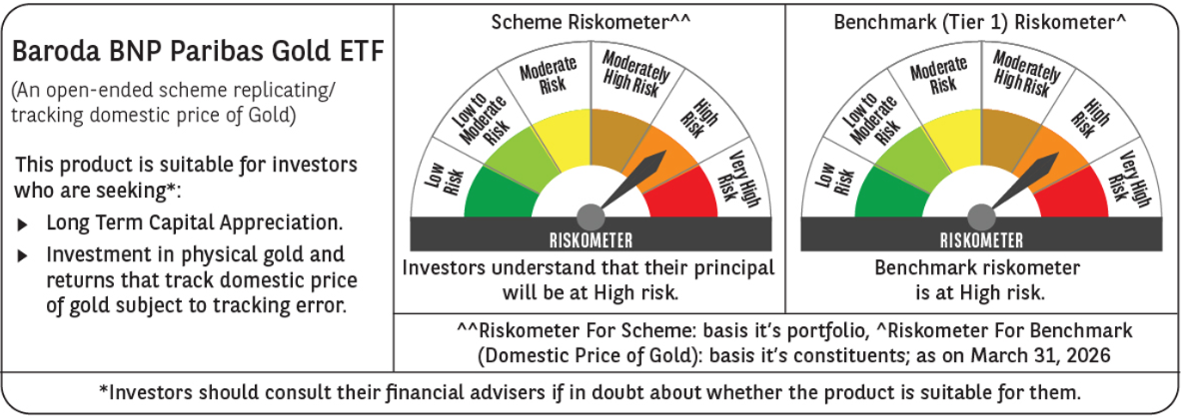
Portfolio details | Click Here |  |  |  |  |  |  |  |  |  |  |  | Click Here |  |  |  |  |  |  |  |  |  |  |  |  |  |  |  |  |  |  |  |  |  |  |  | Click Here |  |  |  |  |  |  |  |  |  |  |  | Click Here |  |  |  |  |  |  |  |  |  |  |  | Click Here |  |  |  |  |  |  |  |  |  |  |  | Click Here
Riskometer (as on Date) | Moderate |  |  |  |  |  |  |  |  |  |  |  | Low To Moderate |  |  |  |  |  |  |  |  |  |  |  |  |  |  |  |  |  |  |  |  |  |  |  | Very High |  |  |  |  |  |  |  |  |  |  |  | Very High |  |  |  |  |  |  |  |  |  |  |  | Very High |  |  |  |  |  |  |  |  |  |  |  | Very High
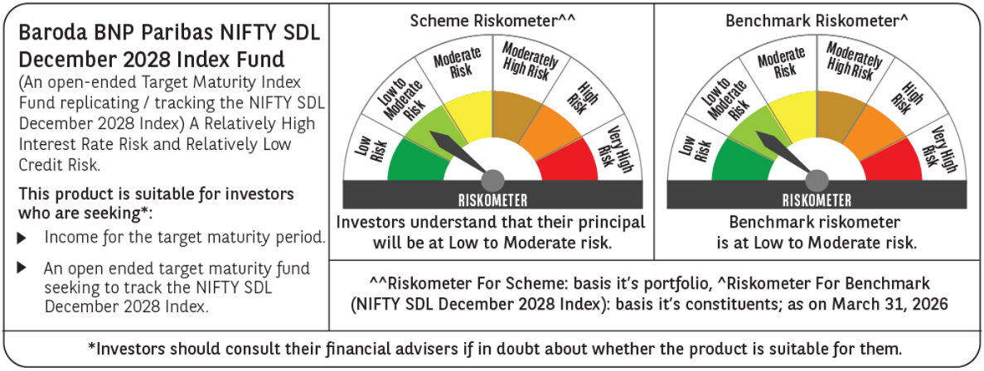
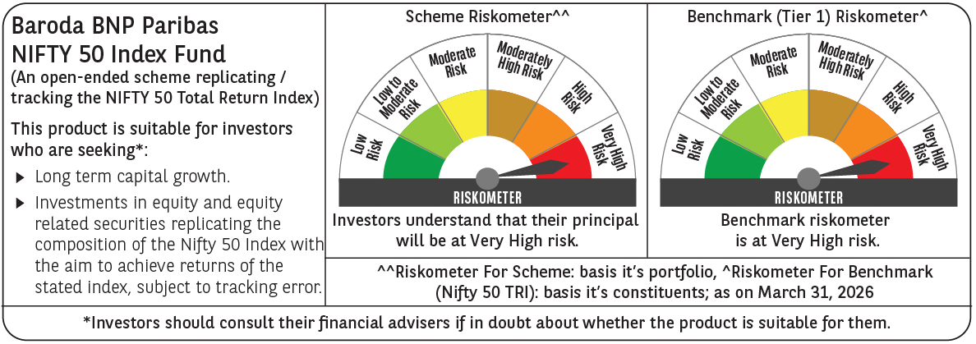
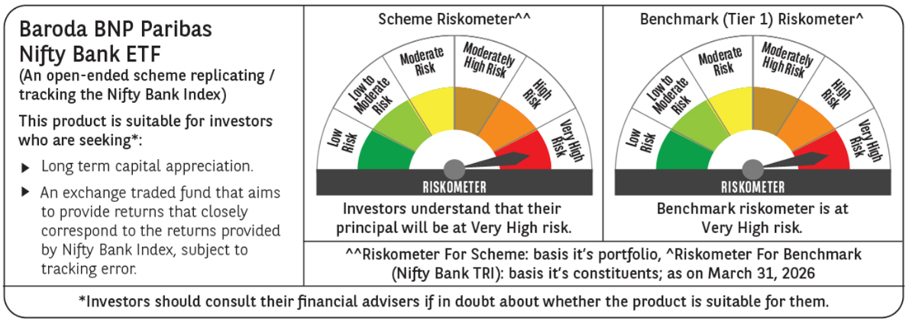
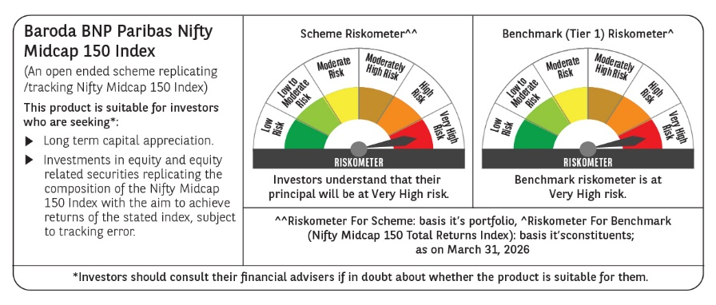
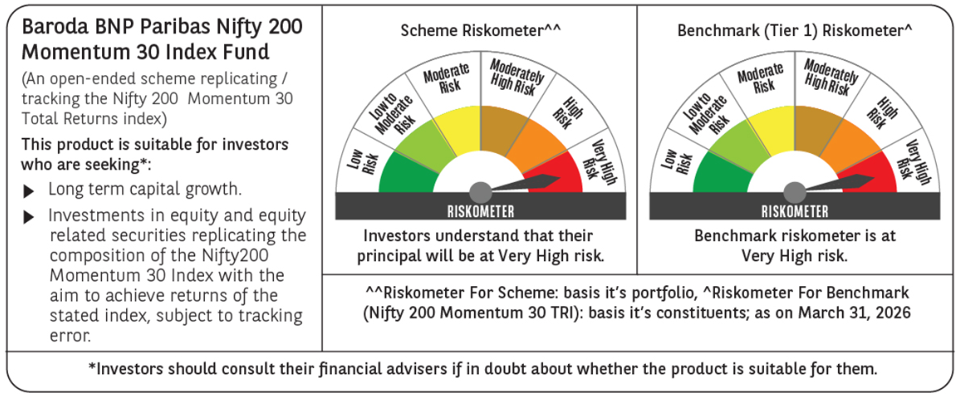

Solution Oriented Fund
...
Scheme Name | Baroda BNP Paribas Retirement Fund |  |  |  |  |  |  |  |  |  |  |  | Baroda BNP Paribas Children's Fund
Scheme AUM (in crores) | 355.01 |  |  |  |  |  |  |  |  |  |  |  | 103.58
Expense ratio | Regular Plan (%) : 2.38% Direct Plan: 0.97% |  |  |  |  |  |  |  |  |  |  |  | Regular Plan (%) : 2.34% Direct Plan: 0.42%
Performance as on March 31, 2026 | Baroda BNP Paribas Retirement Fund | Last 1 Year |  | Last 3 years |  | Last 5 years |  | Since Inception - Regular/Distributor |  | Since Inception - Direct |  | Date of Inception of the Scheme | Baroda BNP Paribas Children's Fund | Last 1 Year |  | Last 3 years |  | Last 5 years |  | Since Inception - Regular/Distributor |  | Since Inception - Direct |  | Date of Inception of the Scheme
 |  | Returns In INR* | CAGR | Returns In INR* | CAGR | Returns In INR* | CAGR | Returns In INR* | CAGR | Returns In INR* | CAGR |  |  | Returns In INR* | CAGR | Returns In INR* | CAGR | Returns In INR* | CAGR | Returns In INR* | CAGR | Returns In INR* | CAGR
 | Regular Plan | 9980.20 | -0.20 | N.A. | N.A. | N.A. | N.A. | 10334.30 | 1.80 | - | - | 28-May-24 | Regular Plan | 10295.76 | 2.94 | N.A. | N.A. | N.A. | N.A. | 9889.70 | -0.88 | - | - | 27-Dec-24
 | Direct Plan | 10123.82 | 1.23 | N.A. | N.A. | N.A. | N.A. | - | - | 10661.40 | 3.55 | 28-May-24 | Direct Plan | 10499.37 | 4.97 | N.A. | N.A. | N.A. | N.A. | - | - | 10136.20 | 1.08 | 27-Dec-24
 | CRISIL Hybrid 35+65 - Aggressive Index | 9938.70 | -0.61 | N.A. | N.A. | N.A. | N.A. | 10297.16 | 1.61 | 10297.16 | 1.61 |  | Nifty 500 TRI | 9711.60 | -2.87 | N.A. | N.A. | N.A. | N.A. | 9251.41 | -6.01 | 9251.41 | -6.01
 | Additional Benchmark | 9601.00 | -3.97 | N.A. | N.A. | N.A. | N.A. | 9963.12 | -0.20 | 9963.12 | -0.20 |  | Additional Benchmark Nifty 50 TRI | 9601.00 | -3.97 | N.A. | N.A. | N.A. | N.A. | 9505.44 | -3.96 | 9505.44 | -3.96
Portfolio details | Click Here |  |  |  |  |  |  |  |  |  |  |  | Click Here
Riskometer (as on Date) | Very High |  |  |  |  |  |  |  |  |  |  |  | Very High
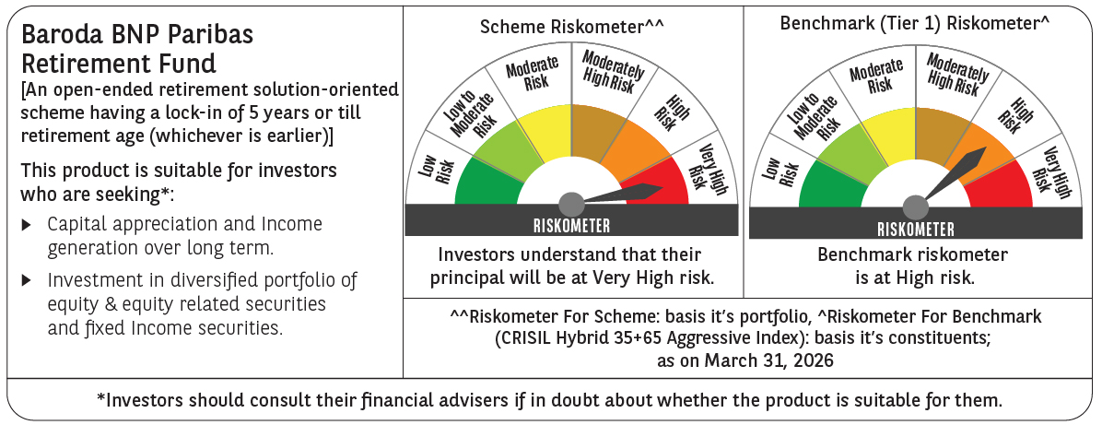
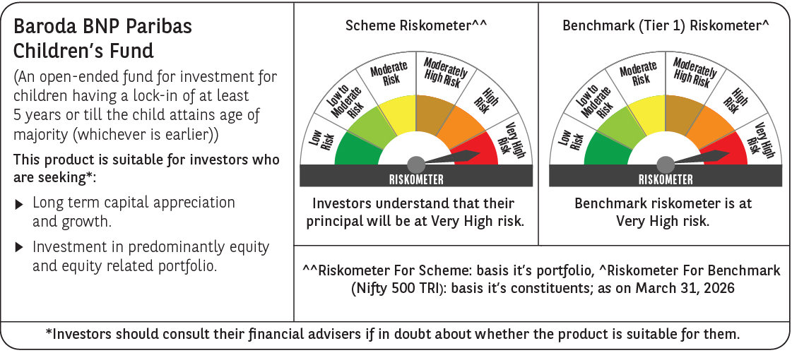

Product Labelling
