Monthly Portfolio
 | Baroda BNP Paribas NIFTY SDL December 2026 Index Fund

 | Monthly Portfolio Statement as on September 30, 2025
 | Name of the Instrument | ISIN | Rating | Quantity | Market/Fair Value (Rs. in Lakhs) | % to Net Assets | YTM~ | YTC^ | null
 | Debt Instruments
 | (a) Listed / awaiting listing on Stock Exchange
GOI2505 | 7.24% State Government Securities (28/12/2026) | IN1520160160 | Sovereign | 5,000,000 | 5,067.69 | 42.87% | 6.17%
GOI2497 | 7.08% State Government Securities (14/12/2026) | IN1920160059 | Sovereign | 2,000,000 | 2,022.69 | 17.11% | 6.17%
GOI2070 | 7.27% State Government Securities (28/12/2026) | IN1920160067 | Sovereign | 1,500,000 | 1,520.90 | 12.87% | 6.17%
GOI1686 | 7.25% State Government Securities (28/12/2026) | IN2220160120 | Sovereign | 1,000,000 | 1,013.64 | 8.57% | 6.17%
GOI2529 | 7.07% State Government Securities (14/12/2026) | IN3120160152 | Sovereign | 1,000,000 | 1,011.19 | 8.55% | 6.17%
GOI6803 | 7.25% State Government Securities (28/12/2026) | IN1020160413 | Sovereign | 500,000 | 506.69 | 4.29% | 6.20%
 | Sub Total |  |  |  | 11,142.80 | 94.26%
 | (b) Privately placed / Unlisted |  |  |  | NIL | NIL
 | Sub Total |  |  |  | NIL | NIL
 | Total |  |  |  | 11,142.80 | 94.26%
 | Reverse Repo / TREPS
TRP_011025 | Clearing Corporation of India Ltd |  |  |  | 455.82 | 3.86% | 5.53%
 | Sub Total |  |  |  | 455.82 | 3.86%
 | (b) Privately placed / Unlisted |  |  |  | NIL | NIL
 | Sub Total |  |  |  | NIL | NIL
 | Total |  |  |  | 455.82 | 3.86%
 | Net Receivables / (Payables) |  |  |  | 222.40 | 1.88%
 | GRAND TOTAL |  |  |  | 11,821.02 | 100.00%

 | Issuer | Index Weight | Portfolio Weight | Replication Factor
 | G-Secs / T-Bills | 0% | 0% | 0%
 | SDLs | 100% | 94% | 94%
 | Cash & Cash Equivalents | 0% | 6% | 0%
 | Total | 100% | 100% | 94%

 | ~ YTM as on September 30, 2025
 | ^ YTC represents Yield to Call provided by valuation agencies as on September 30, 2025. It is disclosed for Perpetual Bond issued by Banks (i.e. AT-1 Bond / Tier 1 Bond / Tier 2 Bond), as per AMFI Best Practices Guidelines Circular no. 135/BP/91/2020-21 read with SEBI circular No. SEBI/HO/IMD/DF4/CIR/P/2021/034 on Valuation of AT-1 Bonds and Tier 2 Bonds.

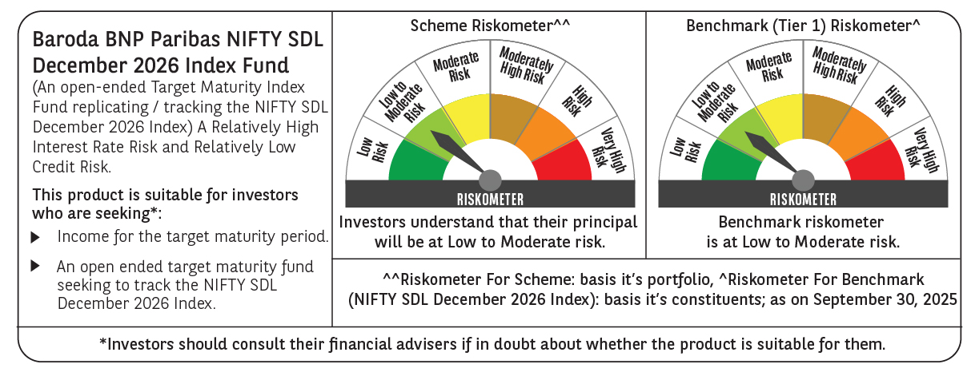

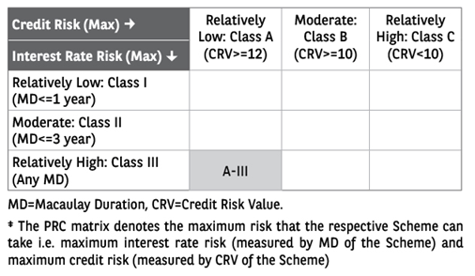

 | Monthly Performance Link: https://www.barodabnpparibasmf.in/assets/download_documents/Performance_of_Schemes_September_14618.pdf

