T0MD27
 | Baroda BNP Paribas NIFTY SDL December 2026 Index Fund

 | Monthly Portfolio Statement as on February 28, 2026
 | Name of the Instrument | ISIN | Rating | Quantity | Market/Fair Value (Rs. in Lakhs) | % to Net Assets | YTM~ | YTC^ | null
 | Debt Instruments
 | (a) Listed / awaiting listing on Stock Exchange
GOI1686 | 7.25% State Government Securities (28/12/2026) | IN2220160120 | Sovereign | 3,100,000 | 3,135.39 | 27.47% | 5.88%
GOI2505 | 7.24% State Government Securities (28/12/2026) | IN1520160160 | Sovereign | 2,500,000 | 2,528.34 | 22.15% | 5.88%
GOI2497 | 7.08% State Government Securities (14/12/2026) | IN1920160059 | Sovereign | 2,500,000 | 2,523.97 | 22.12% | 5.88%
GOI2070 | 7.27% State Government Securities (28/12/2026) | IN1920160067 | Sovereign | 1,500,000 | 1,517.36 | 13.30% | 5.88%
GOI2529 | 7.07% State Government Securities (14/12/2026) | IN3120160152 | Sovereign | 1,000,000 | 1,009.51 | 8.85% | 5.88%
GOI6803 | 7.25% State Government Securities (28/12/2026) | IN1020160413 | Sovereign | 500,000 | 505.47 | 4.43% | 5.94%
 | Sub Total |  |  |  | 11,220.04 | 98.32%
 | (b) Privately placed / Unlisted |  |  |  | NIL | NIL
 | Sub Total |  |  |  | NIL | NIL
 | Total |  |  |  | 11,220.04 | 98.32%
 | Reverse Repo / TREPS
TRP_020326 | Clearing Corporation of India Ltd |  |  |  | 41.76 | 0.37% | 4.93%
 | Sub Total |  |  |  | 41.76 | 0.37%
 | (b) Privately placed / Unlisted |  |  |  | NIL | NIL
 | Sub Total |  |  |  | NIL | NIL
 | Total |  |  |  | 41.76 | 0.37%
 | Net Receivables / (Payables) |  |  |  | 150.55 | 1.31%
 | GRAND TOTAL |  |  |  | 11,412.35 | 100.00%

 | Issuer | Index Weight | Portfolio Weight | Replication Factor
 | G-Secs / T-Bills | 0% | 0% | 0%
 | SDLs | 100% | 98% | 98%
 | Cash & Cash Equivalents | 0% | 2% | 0%
 | Total | 100% | 100% | 98%

 | ~ YTM as on February 28, 2026
 | ^ YTC represents Yield to Call provided by valuation agencies as on February 28, 2026. It is disclosed for Perpetual Bond issued by Banks (i.e. AT-1 Bond / Tier 1 Bond / Tier 2 Bond), as per AMFI Best Practices Guidelines Circular no. 135/BP/91/2020-21 read with SEBI circular No. SEBI/HO/IMD/DF4/CIR/P/2021/034 on Valuation of AT-1 Bonds and Tier 2 Bonds.

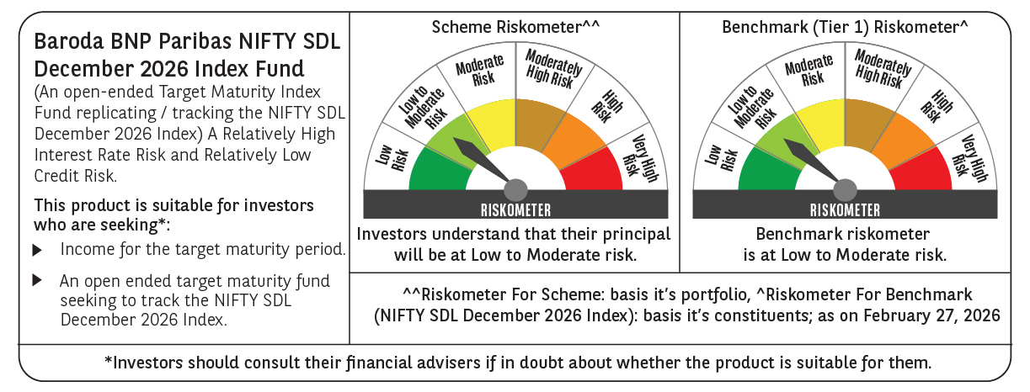

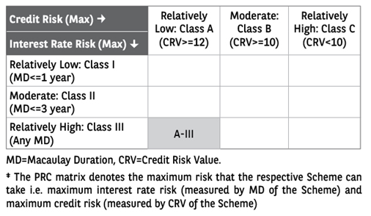

 | Monthly Performance Link: https://www.barodabnpparibasmf.in/assets/download_documents/Performance_of_Schemes_17049.pdf

