Monthly Portfolio
 | Baroda BNP Paribas NIFTY SDL December 2028 Index Fund

 | Monthly Portfolio Statement as on September 30, 2025
 | Name of the Instrument | ISIN | Rating | Quantity | Market/Fair Value (Rs. in Lakhs) | % to Net Assets | YTM~ | YTC^ | null
 | Debt Instruments
 | (a) Listed / awaiting listing on Stock Exchange
GOI2167 | 8.08% State Government Securities (26/12/2028) | IN2220180052 | Sovereign | 1,272,700 | 1,326.88 | 45.38% | 6.70%
GOI2183 | 8.08% State Government Securities (26/12/2028) | IN3120180200 | Sovereign | 798,100 | 832.08 | 28.46% | 6.70%
GOI2171 | 8.08% State Government Securities (26/12/2028) | IN1920180115 | Sovereign | 350,000 | 364.90 | 12.48% | 6.70%
GOI2168 | 8.08% State Government Securities (26/12/2028) | IN1520180234 | Sovereign | 255,000 | 265.86 | 9.09% | 6.70%
 | Sub Total |  |  |  | 2,789.72 | 95.41%
 | (b) Privately placed / Unlisted |  |  |  | NIL | NIL
 | Sub Total |  |  |  | NIL | NIL
 | Total |  |  |  | 2,789.72 | 95.41%
 | Reverse Repo / TREPS
TRP_011025 | Clearing Corporation of India Ltd |  |  |  | 76.01 | 2.60% | 5.53%
 | Sub Total |  |  |  | 76.01 | 2.60%
 | (b) Privately placed / Unlisted |  |  |  | NIL | NIL
 | Sub Total |  |  |  | NIL | NIL
 | Total |  |  |  | 76.01 | 2.60%
 | Net Receivables / (Payables) |  |  |  | 58.17 | 1.99%
 | GRAND TOTAL |  |  |  | 2,923.90 | 100.00%

 | Issuer | Index Weight | Portfolio Weight | Replication Factor
 | G-Secs / T-Bills | 0% | 0% | 0%
 | SDLs | 100% | 95% | 95%
 | Cash & Cash Equivalents | 0% | 5% | 0%
 | Total | 100% | 100% | 95%

 | ~ YTM as on September 30, 2025
 | ^ YTC represents Yield to Call provided by valuation agencies as on September 30, 2025. It is disclosed for Perpetual Bond issued by Banks (i.e. AT-1 Bond / Tier 1 Bond / Tier 2 Bond), as per AMFI Best Practices Guidelines Circular no. 135/BP/91/2020-21 read with SEBI circular No. SEBI/HO/IMD/DF4/CIR/P/2021/034 on Valuation of AT-1 Bonds and Tier 2 Bonds.

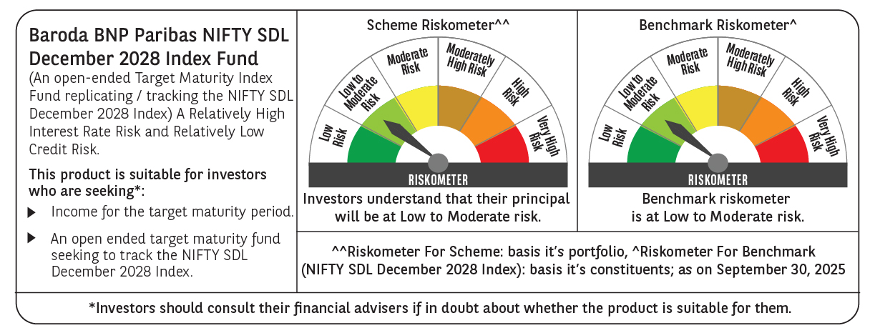

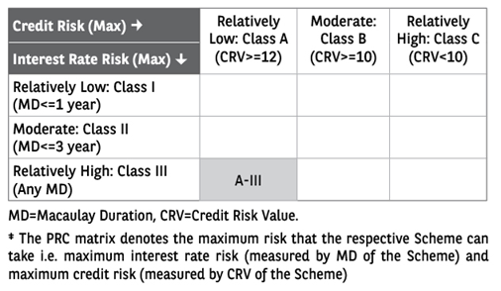

 | Monthly Performance Link: https://www.barodabnpparibasmf.in/assets/download_documents/Performance_of_Schemes_September_14618.pdf

