YR15
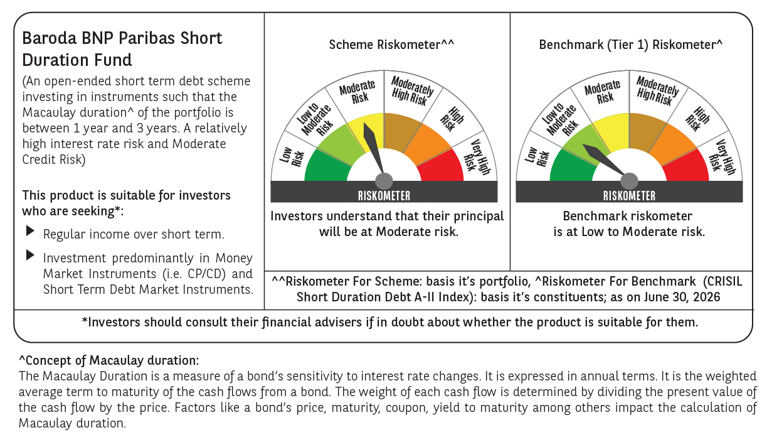
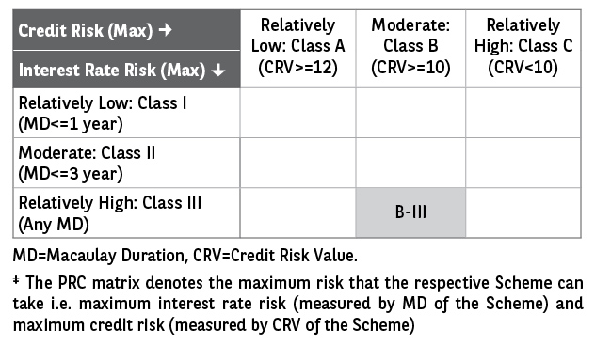
 | Baroda BNP Paribas Short Duration Fund

 | Fortnightly Portfolio Statement as on July 15, 2026
 | Name of the Instrument | ISIN | Rating | Quantity | Market/Fair Value (Rs. in Lakhs) | % to Net Assets | YTM~ | YTC^ | null
 | Debt Instruments
 | (a) Listed / awaiting listing on Stock Exchange
NHBA331 | 7.59% National Housing Bank (08/09/2027) ** | INE557F08FZ1 | CRISIL AAA | 1,500 | 1,507.25 | 5.87% | 7.16%
HPEC300 | 7.64% Hindustan Petroleum Corporation Limited (04/11/2027) ** | INE094A08135 | CRISIL AAA | 120 | 1,206.14 | 4.70% | 7.17%
RECL437 | 7.46% REC Limited (30/06/2028) ** | INE020B08EK4 | CRISIL AAA | 1,200 | 1,203.56 | 4.69% | 7.29%
SHTR526 | 8.7% Shriram Finance Limited (09/04/2028) | INE721A07SL9 | CRISIL AAA | 1,000 | 1,012.16 | 3.94% | 7.88%
LARS419 | 7.725% Larsen & Toubro Limited (28/04/2028) ** | INE018A08BE9 | CRISIL AAA | 1,000 | 1,007.32 | 3.92% | 7.25%
LICH680 | 7.74% LIC Housing Finance Limited (11/02/2028) | INE115A07QW5 | CRISIL AAA | 1,000 | 1,001.46 | 3.90% | 7.59%
ULCC169 | 7.34% UltraTech Cement Limited (03/03/2028) ** | INE481G08123 | CRISIL AAA | 1,000 | 1,000.20 | 3.89% | 7.29%
IRLY303 | 7.27% Indian Railway Finance Corporation Limited (15/06/2027) ** | INE053F07AB5 | CRISIL AAA | 100 | 999.68 | 3.89% | 7.29%
IOIC673 | 7.25% Indian Oil Corporation Limited (05/01/2030) ** | INE242A08569 | CRISIL AAA | 800 | 802.01 | 3.12% | 7.15%
PHFP225 | 8.15% PNB Housing Finance Limited (29/07/2027) ** | INE572E07183 | CARE AAA | 750 | 753.16 | 2.93% | 7.70%
EXIM794 | 7.35% Export Import Bank of India (27/07/2028) ** | INE514E08GE8 | CRISIL AAA | 700 | 701.61 | 2.73% | 7.22%
HPEC303 | 7.74% Hindustan Petroleum Corporation Limited (02/03/2028) ** | INE094A08150 | CRISIL AAA | 650 | 655.12 | 2.55% | 7.17%
RECL473 | 6.87% REC Limited (31/05/2030) ** | INE020B08FU0 | ICRA AAA | 600 | 591.20 | 2.30% | 7.31%
GOI5379 | 7.32% Government of India (13/11/2030) | IN0020230135 | Sovereign | 500,000 | 516.25 | 2.01% | 6.55%
GOI5228 | 7.18% Government of India (14/08/2033) | IN0020230085 | Sovereign | 500,000 | 513.63 | 2.00% | 6.80%
RUPL50 | 7.90% Jamnagar Utilities & Power Private Limited (10/08/2028) ** | INE936D07182 | CRISIL AAA | 500 | 502.97 | 1.96% | 7.57%
MKIP21 | 7.97% Mankind Pharma Limited (16/11/2027) ** | INE634S07033 | CRISIL AA+ | 500 | 501.77 | 1.95% | 7.83%
NCIP36 | 8.50% Nomura Capital India Pvt Limited (21/10/2026) ** | INE357L07457 | FITCH AAA | 500 | 500.52 | 1.95% | 7.68%
NBAR805 | 7.53% National Bank For Agriculture and Rural Development (24/03/2028) | INE261F08EM1 | ICRA AAA | 500 | 500.26 | 1.95% | 7.46%
NBAR838 | 7.48% National Bank For Agriculture and Rural Development (15/09/2028) | INE261F08EO7 | CRISIL AAA | 500 | 500.10 | 1.95% | 7.45%
EOPR38 | 7.21% Embassy Office Parks REIT (17/03/2028) ** | INE041007167 | CRISIL AAA | 500 | 497.37 | 1.94% | 7.75%
MEBP36 | 7% Mindspace Business Parks REIT (14/09/2027) ** | INE0CCU07165 | CRISIL AAA | 500 | 497.15 | 1.94% | 7.73%
TOPH25 | 7.45% Torrent Pharmaceuticals Limited (19/01/2028) ** | INE685A07132 | ICRA AA+ | 500 | 497.14 | 1.94% | 7.82%
BHAT85 | 7.35% Bharti Telecom Limited (15/10/2027) | INE403D08272 | CRISIL AAA | 500 | 496.01 | 1.93% | 8.00%
GOI6900 | 6.28% Government of India (14/07/2032) | IN0020250059 | Sovereign | 500,000 | 492.93 | 1.92% | 6.68%
BAFL990 | 7.07% Bajaj Finance Limited (21/09/2028) | INE296A07TN6 | CRISIL AAA | 500 | 492.37 | 1.92% | 7.83%
IRLY323 | 8.35% Indian Railway Finance Corporation Limited (13/03/2029) ** | INE053F07BC1 | CRISIL AAA | 40 | 410.98 | 1.60% | 7.18%
GOI7629 | 6.94% Government of India (11/05/2036) | IN0020260025 | Sovereign | 400,000 | 404.63 | 1.58% | 6.89%
SIDB657 | 7.22% Small Industries Dev Bank of India (10/04/2029) ** | INE556F08LC0 | CRISIL AAA | 400 | 398.17 | 1.55% | 7.39%
SIDB674 | 7.4% Small Industries Dev Bank of India (18/06/2031) ** | INE556F08LF3 | CRISIL AAA | 300 | 300.07 | 1.17% | 7.39%
NHBA329 | 7.59% National Housing Bank (14/07/2027) ** | INE557F08FY4 | CRISIL AAA | 250 | 250.89 | 0.98% | 7.21%
GOI3079 | 7.11% State Government Securities (17/03/2031) | IN1520200297 | Sovereign | 200,000 | 200.68 | 0.78% | 7.14%
SIDB598 | 7.39% Small Industries Dev Bank of India (21/03/2030) ** | INE556F08KY6 | CRISIL AAA | 200 | 199.82 | 0.78% | 7.40%
BSNL21 | 6.79% Bharat Sanchar Nigam Limited (23/09/2030) ** | INE103D08021 | CRISIL AAA(CE) | 20 | 194.58 | 0.76% | 7.70%
PGCI456 | 7.56% Power Grid Corporation of India Limited (31/03/2033) ** | INE752E08692 | CRISIL AAA | 250 | 177.34 | 0.69% | 7.30%
POWF543 | 7.44% Power Finance Corporation Limited (15/01/2030) ** | INE134E08NO0 | CRISIL AAA | 100 | 100.44 | 0.39% | 7.28%
GOI7336 | 6.68% Government of India (27/01/2033) | IN0020250133 | Sovereign | 100,000 | 100.20 | 0.39% | 6.75%
GOI7411 | 6.36% Government of India (16/02/2031) | IN0020250141 | Sovereign | 50,000 | 49.81 | 0.19% | 6.56%
 | Sub Total |  |  |  | 21,736.95 | 84.65%
 | (b) Privately placed / Unlisted |  |  |  | NIL | NIL
 | Sub Total |  |  |  | NIL | NIL
 | (c) Securitised Debt
VAJR28 | Vajra Trust (20/01/2029) ** | INE20NI15039 | CRISIL AAA(SO) | 9 | 897.10 | 3.49% | 10.02%
IUNT24 | India Universal Trust (21/11/2027) ** | INE1CBK15029 | CRISIL AAA(SO) | 5 | 313.17 | 1.22% | 8.21%
 | Sub Total |  |  |  | 1,210.27 | 4.71%
 | (b) Privately placed / Unlisted |  |  |  | NIL | NIL
 | Sub Total |  |  |  | NIL | NIL
 | Total |  |  |  | 22,947.22 | 89.36%
 | Money Market Instruments
 | Certificate of Deposit
IBCL1180 | ICICI Bank Limited (27/01/2027) ** # | INE090AD6279 | ICRA A1+ | 200 | 963.38 | 3.75% | 7.11%
 | Sub Total |  |  |  | 963.38 | 3.75%
 | Total |  |  |  | 963.38 | 3.75%
 | Others
 | Corporate Debt Market Development Fund
CDMD50ME | Corporate Debt Market Development Fund # | INF0RQ622028 |  | 867 | 103.12 | 0.40% | 5.57%
 | Sub Total |  |  |  | 103.12 | 0.40%
 | Total |  |  |  | 103.12 | 0.40%
 | Reverse Repo / TREPS
TRP_160726 | Clearing Corporation of India Ltd |  |  |  | 520.13 | 2.03% | 5.12%
 | Sub Total |  |  |  | 520.13 | 2.03%
 | (b) Privately placed / Unlisted |  |  |  | NIL | NIL
 | Sub Total |  |  |  | NIL | NIL
 | Total |  |  |  | 520.13 | 2.03%
 | Net Receivables / (Payables) |  |  |  | 1,145.85 | 4.46%
 | GRAND TOTAL |  |  |  | 25,679.70 | 100.00%

 | ** Thinly Traded / Non Traded Security
 | # Unlisted Security
 | ~ YTM as on July 15, 2026
 | ^ YTC represents Yield to Call provided by valuation agencies as on July 15, 2026. It is disclosed for Perpetual Bond issued by Banks (i.e. AT-1 Bond / Tier 1 Bond / Tier 2 Bond), as per AMFI Best Practices Guidelines Circular no. 135/BP/91/2020-21 read with SEBI circular No. SEBI/HO/IMD/DF4/CIR/P/2021/034 on Valuation of AT-1 Bonds and Tier 2 Bonds.

 | Notes & Symbols :-
 | # -> Less Than 0.005% ; A** -> Awaiting Listing on Stock Exchanges ; T** -> Thinly Traded Securities ; N** -> Non Traded Securities ; I** -> Illiquid Shares ; R** -> Rights Entitlement ; P** Preference Shares ; W** Warrants ; B** -> Below Investment Grade Security ; PP* -> Partly Paid;S** --> Suspended forTrading.
 | ^ -> Industry classification as recommended by AMFI and wherever not available, internal classification has been used ; D**->Does not include notional exposures to derivative instruments.
 | (1) Non Convertible Debentures and Bonds are considered as Traded based on information provided by external agencies.
 | (2) The Name of the Industry is in accordance with Industry Classification as recommended by AMFI.
 | (3) $ Yield based on aggregated yields as per Crisil's and ICRA's SLV price feeds and TREPS yield as per the trade.
 | (4) All corporate ratings are assigned by rating agencies like CRISIL; CARE; ICRA; IND; BRW.
 | (5) The provision made for securities classified as below investment grade or default as of July 15, 2026 is Rs Nil and its percentage to Net Asset Value is Nil .
 | (6) Aggregate value of illiquid shares of the fund amounts to Rs. Nil and their percentage to Net Asset value is Nil.
 | (7) Plan/option wise per unit Net Asset Value are as follows:
 | Plan/Option |  | As on June 30, 2026 | As on July 15, 2026
 | Regular Plan - Monthly IDCW Option |  | 10.1786 | 10.1772
 | Regular Plan - Growth Option |  | 30.8130 | 30.8087
 | Regular Plan - Quarterly IDCW Option |  | 10.5516 | 10.5501
 | Direct Plan - Monthly IDCW Option |  | 10.4647 | 10.4658
 | Direct Plan - Growth Option |  | 33.6537 | 33.6572
 | Direct Plan - Quarterly IDCW Option |  | 11.1579 | 11.1591

 | (8) No Dividend declared during the period ended July 15, 2026
 | (9) There were no investments made in derivative instruments and no such derivative instrument was squared off/ expired /exercised during the period ended July 15, 2026. Further there are no investments in derivative instruments as on July 15, 2026.
 | (10) Total Market value of investments in Foreign Securities/American Depositary Receipts/Global Depositary Receipts as at July 15, 2026 is Rs. Nil.
 | (11) The Average Maturity period of the portfolio has been 810 days.
 | (12) Details of repo transaction in corporate debt securities for the period ended July 15, 2026 is Nil.
 | (13) Investments in debt instruments having structured obligations or credit enhancement features as at July 15, 2026 is Rs. 1,404.85 Lacs.
 | (14) Investment in Partly paid Debentures during the periodly ended July 15, 2026 and as on July 15, 2026 is Rs. Nil.
 | (15) RATIONALE FOR DEVIATION FROM VALUATION AGENCY PRICE
 | Rationale for deviation from valuation price provided by the valuation agencies as per SEBI Circular dated 22nd March 2019 and 24th September 2019
 | during the period there were no cases of deviation from valuation agency price
 | To view the previous cases of deviation kindly refer the following link:
 | <<https://www.barodabnpparibasmf.in/statutory-disclosures/update-on-credit-events>>
 | (16) Transactions in Credit Default Swaps during period ended July 15, 2026 : Rs. Nil
 | (17) Macaulay Duration of the portfolio has been 696 days.
 | (18) Annualised Portfolio YTM has been 7.3.

 | †Concept of Macaulay duration: The Macaulay Duration is a measure of a bond’s sensitivity to interest rate changes. It is expressed in annual terms. It is the weighted average term to maturity of the cash flows from a bond. The weight of each cash flow is determined by dividing the present value of the cash flow by the price. Factors like a bond’s price, maturity, coupon, yield to maturity among others impact the calculation of Macaulay duration.

