YR15
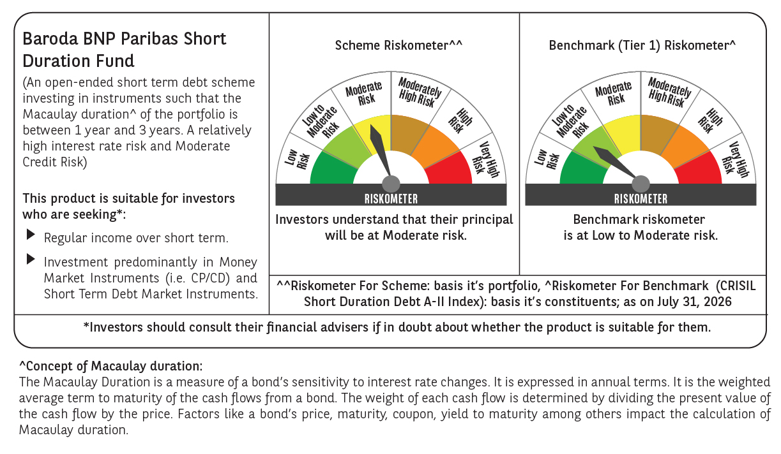
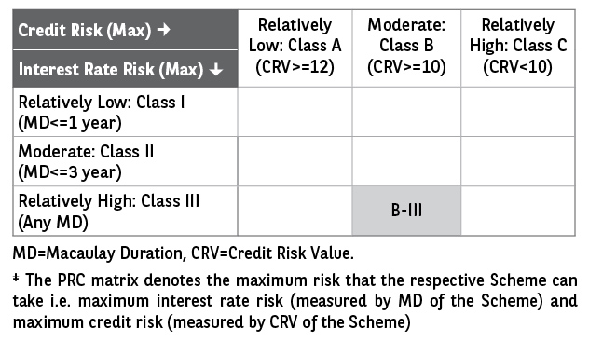
 | Baroda BNP Paribas Short Duration Fund

 | Fortnightly Portfolio Statement as on August 15, 2026
 | Name of the Instrument | ISIN | Rating | Quantity | Market/Fair Value (Rs. in Lakhs) | % to Net Assets | YTM~ | YTC^ | null
 | Debt Instruments
 | (a) Listed / awaiting listing on Stock Exchange
NHBA331 | 7.59% National Housing Bank (08/09/2027) ** | INE557F08FZ1 | CRISIL AAA | 1,500 | 1,506.06 | 5.95% | 7.19%
RECL437 | 7.46% REC Limited (30/06/2028) | INE020B08EK4 | CRISIL AAA | 1,400 | 1,406.15 | 5.55% | 7.18%
HPEC300 | 7.64% Hindustan Petroleum Corporation Limited (04/11/2027) ** | INE094A08135 | CRISIL AAA | 120 | 1,209.12 | 4.78% | 6.93%
SHTR526 | 8.7% Shriram Finance Limited (09/04/2028) ** | INE721A07SL9 | CRISIL AAA | 1,000 | 1,013.44 | 4.00% | 7.75%
LARS419 | 7.725% Larsen & Toubro Limited (28/04/2028) ** | INE018A08BE9 | CRISIL AAA | 1,000 | 1,008.95 | 3.99% | 7.11%
LICH680 | 7.74% LIC Housing Finance Limited (11/02/2028) ** | INE115A07QW5 | CRISIL AAA | 1,000 | 1,003.53 | 3.96% | 7.43%
ULCC169 | 7.34% UltraTech Cement Limited (03/03/2028) ** | INE481G08123 | CRISIL AAA | 1,000 | 1,002.65 | 3.96% | 7.11%
IRLY303 | 7.27% Indian Railway Finance Corporation Limited (15/06/2027) ** | INE053F07AB5 | CRISIL AAA | 100 | 1,000.78 | 3.95% | 7.14%
IOIC673 | 7.25% Indian Oil Corporation Limited (05/01/2030) ** | INE242A08569 | CRISIL AAA | 800 | 805.04 | 3.18% | 7.02%
ULCC183 | 7.22% UltraTech Cement Limited (02/02/2029) ** | INE481G08156 | CRISIL AAA | 800 | 801.14 | 3.16% | 7.18%
PHFP225 | 8.15% PNB Housing Finance Limited (29/07/2027) ** | INE572E07183 | CARE AAA | 750 | 754.23 | 2.98% | 7.49%
EXIM794 | 7.35% Export Import Bank of India (27/07/2028) ** | INE514E08GE8 | CRISIL AAA | 700 | 703.77 | 2.78% | 7.04%
HPEC303 | 7.74% Hindustan Petroleum Corporation Limited (02/03/2028) ** | INE094A08150 | CRISIL AAA | 650 | 657.04 | 2.60% | 6.93%
GOI5379 | 7.32% Government of India (13/11/2030) | IN0020230135 | Sovereign | 500,000 | 517.51 | 2.04% | 6.46%
GOI5228 | 7.18% Government of India (14/08/2033) | IN0020230085 | Sovereign | 500,000 | 515.95 | 2.04% | 6.71%
RUPL50 | 7.90% Jamnagar Utilities & Power Private Limited (10/08/2028) ** | INE936D07182 | CRISIL AAA | 500 | 504.21 | 1.99% | 7.42%
MKIP21 | 7.97% Mankind Pharma Limited (16/11/2027) ** | INE634S07033 | CRISIL AA+ | 500 | 502.65 | 1.99% | 7.65%
KOMP1770 | 7.97% Kotak Mahindra Prime Limited (24/08/2029) ** | INE916DA7TM9 | CRISIL AAA | 500 | 502.43 | 1.98% | 7.79%
NBAR805 | 7.53% National Bank For Agriculture and Rural Development (24/03/2028) ** | INE261F08EM1 | ICRA AAA | 500 | 501.44 | 1.98% | 7.29%
NCIP36 | 8.50% Nomura Capital India Pvt Limited (21/10/2026) ** | INE357L07457 | FITCH AAA | 500 | 500.89 | 1.98% | 7.07%
TOPH25 | 7.45% Torrent Pharmaceuticals Limited (19/01/2028) ** | INE685A07132 | ICRA AA+ | 500 | 498.85 | 1.97% | 7.58%
BHFL167 | 7.53% Bajaj Housing Finance Limited (28/09/2029) | INE377Y07672 | CRISIL AAA | 500 | 498.77 | 1.97% | 7.63%
MEBP36 | 7% Mindspace Business Parks REIT (14/09/2027) ** | INE0CCU07165 | CRISIL AAA | 500 | 498.34 | 1.97% | 7.53%
EOPR38 | 7.21% Embassy Office Parks REIT (17/03/2028) ** | INE041007167 | CRISIL AAA | 500 | 497.73 | 1.97% | 7.72%
BHAT85 | 7.35% Bharti Telecom Limited (15/10/2027) ** | INE403D08272 | CRISIL AAA | 500 | 497.13 | 1.96% | 7.85%
GOI6900 | 6.28% Government of India (14/07/2032) | IN0020250059 | Sovereign | 500,000 | 495.50 | 1.96% | 6.57%
BAFL990 | 7.07% Bajaj Finance Limited (21/09/2028) | INE296A07TN6 | CRISIL AAA | 500 | 493.76 | 1.95% | 7.72%
GOI6889 | 6.68% Government of India (07/07/2040) | IN0020250042 | Sovereign | 500,000 | 488.08 | 1.93% | 7.07%
IRLY323 | 8.35% Indian Railway Finance Corporation Limited (13/03/2029) ** | INE053F07BC1 | CRISIL AAA | 40 | 411.47 | 1.63% | 7.10%
POWF543 | 7.44% Power Finance Corporation Limited (15/01/2030) | INE134E08NO0 | CRISIL AAA | 350 | 351.60 | 1.39% | 7.27%
GOI3079 | 7.11% State Government Securities (17/03/2031) | IN1520200297 | Sovereign | 200,000 | 201.10 | 0.79% | 7.09%
SIDB598 | 7.39% Small Industries Dev Bank of India (21/03/2030) ** | INE556F08KY6 | CRISIL AAA | 200 | 200.23 | 0.79% | 7.33%
BSNL21 | 6.79% Bharat Sanchar Nigam Limited (23/09/2030) ** | INE103D08021 | CRISIL AAA(CE) | 20 | 195.01 | 0.77% | 7.65%
PGCI456 | 7.56% Power Grid Corporation of India Limited (31/03/2033) ** | INE752E08692 | CRISIL AAA | 250 | 177.58 | 0.70% | 7.24%
GOI7336 | 6.68% Government of India (27/01/2033) | IN0020250133 | Sovereign | 100,000 | 100.65 | 0.40% | 6.66%
 | Sub Total |  |  |  | 22,022.78 | 86.99%
 | (b) Privately placed / Unlisted |  |  |  | NIL | NIL
 | Sub Total |  |  |  | NIL | NIL
 | (c) Securitised Debt
VAJR28 | Vajra Trust (20/01/2029) ** | INE20NI15039 | CRISIL AAA(SO) | 9 | 897.76 | 3.55% | 9.97%
IUNT24 | India Universal Trust (21/11/2027) ** | INE1CBK15029 | CRISIL AAA(SO) | 5 | 304.29 | 1.20% | 8.14%
 | Sub Total |  |  |  | 1,202.05 | 4.75%
 | (b) Privately placed / Unlisted |  |  |  | NIL | NIL
 | Sub Total |  |  |  | NIL | NIL
 | Total |  |  |  | 23,224.83 | 91.74%
 | Money Market Instruments
 | Certificate of Deposit
IBCL1180 | ICICI Bank Limited (27/01/2027) ** # | INE090AD6279 | ICRA A1+ | 200 | 970.90 | 3.84% | 6.67%
 | Sub Total |  |  |  | 970.90 | 3.84%
 | Total |  |  |  | 970.90 | 3.84%
 | Others
 | Corporate Debt Market Development Fund
CDMD50ME | Corporate Debt Market Development Fund # | INF0RQ622028 |  | 867 | 103.62 | 0.41% | 5.54%
 | Sub Total |  |  |  | 103.62 | 0.41%
 | Total |  |  |  | 103.62 | 0.41%
 | Reverse Repo / TREPS
TRP_170826 | Clearing Corporation of India Ltd |  |  |  | 1,011.46 | 4.00% | 5.06%
 | Sub Total |  |  |  | 1,011.46 | 4.00%
 | (b) Privately placed / Unlisted |  |  |  | NIL | NIL
 | Sub Total |  |  |  | NIL | NIL
 | Total |  |  |  | 1,011.46 | 4.00%
 | Net Receivables / (Payables) |  |  |  | 3.41 | 0.01%
 | GRAND TOTAL |  |  |  | 25,314.22 | 100.00%

 | ** Thinly Traded / Non Traded Security
 | # Unlisted Security
 | ~ YTM as on August 15, 2026
 | ^ YTC represents Yield to Call provided by valuation agencies as on August 15, 2026. It is disclosed for Perpetual Bond issued by Banks (i.e. AT-1 Bond / Tier 1 Bond / Tier 2 Bond), as per AMFI Best Practices Guidelines Circular no. 135/BP/91/2020-21 read with SEBI circular No. SEBI/HO/IMD/DF4/CIR/P/2021/034 on Valuation of AT-1 Bonds and Tier 2 Bonds.

 | Notes & Symbols :-
 | # -> Less Than 0.005% ; A** -> Awaiting Listing on Stock Exchanges ; T** -> Thinly Traded Securities ; N** -> Non Traded Securities ; I** -> Illiquid Shares ; R** -> Rights Entitlement ; P** Preference Shares ; W** Warrants ; B** -> Below Investment Grade Security ; PP* -> Partly Paid;S** --> Suspended forTrading.
 | ^ -> Industry classification as recommended by AMFI and wherever not available, internal classification has been used ; D**->Does not include notional exposures to derivative instruments.
 | (1) Non Convertible Debentures and Bonds are considered as Traded based on information provided by external agencies.
 | (2) The Name of the Industry is in accordance with Industry Classification as recommended by AMFI.
 | (3) $ Yield based on aggregated yields as per Crisil's and ICRA's SLV price feeds and TREPS yield as per the trade.
 | (4) All corporate ratings are assigned by rating agencies like CRISIL; CARE; ICRA; IND; BRW.
 | (5) The provision made for securities classified as below investment grade or default as of August 15, 2026 is Rs Nil and its percentage to Net Asset Value is Nil .
 | (6) Aggregate value of illiquid shares of the fund amounts to Rs. Nil and their percentage to Net Asset value is Nil.
 | (7) Plan/option wise per unit Net Asset Value are as follows:
 | Plan/Option |  | As on July 31, 2026 | As on August 14, 2026
 | Regular Plan - Monthly IDCW Option |  | 10.1590 | 10.1956
 | Regular Plan - Growth Option |  | 30.9049 | 31.0163
 | Regular Plan - Quarterly IDCW Option |  | 10.5831 | 10.6213
 | Direct Plan - Monthly IDCW Option |  | 10.4512 | 10.4913
 | Direct Plan - Growth Option |  | 33.7713 | 33.9008
 | Direct Plan - Quarterly IDCW Option |  | 11.1969 | 11.2398

 | (8) No Dividend declared during the Fortnight ended August 15, 2026.
 | (9) There were no investments made in derivative instruments and no such derivative instrument was squared off/ expired /exercised during the Fortnight ended August 15, 2026. Further there are no investments in derivative instruments as on August 15, 2026.
 | (10) Total Market value of investments in Foreign Securities/American Depositary Receipts/Global Depositary Receipts as at August 15, 2026 is Rs. Nil.
 | (11) The Average Maturity period of the portfolio has been 799 days.
 | (12) Details of repo transaction in corporate debt securities for the Fortnight ended August 15, 2026 is Nil.
 | (13) Investments in debt instruments having structured obligations or credit enhancement features as at August 15, 2026 is Rs. 1,397.06 Lacs.
 | (14) Investment in Partly paid Debentures during the Fortnight ended August 15, 2026 and as on August 15, 2026 is Rs. Nil.
 | (15) RATIONALE FOR DEVIATION FROM VALUATION AGENCY PRICE
 | Rationale for deviation from valuation price provided by the valuation agencies as per SEBI Circular dated 22nd March 2019 and 24th September 2019
 | during the Fortnight there were no cases of deviation from valuation agency price
 | To view the previous cases of deviation kindly refer the following link:
 | <<https://www.barodabnpparibasmf.in/statutory-disclosures/update-on-credit-events>>
 | (16) Transactions in Credit Default Swaps during Fortnight ended August 15, 2026 : Rs. Nil
 | (17) Macaulay Duration of the portfolio has been 675 days.
 | (18) Annualised Portfolio YTM has been 7.22.

 | †Concept of Macaulay duration: The Macaulay Duration is a measure of a bond’s sensitivity to interest rate changes. It is expressed in annual terms. It is the weighted average term to maturity of the cash flows from a bond. The weight of each cash flow is determined by dividing the present value of the cash flow by the price. Factors like a bond’s price, maturity, coupon, yield to maturity among others impact the calculation of Macaulay duration.

