YR47
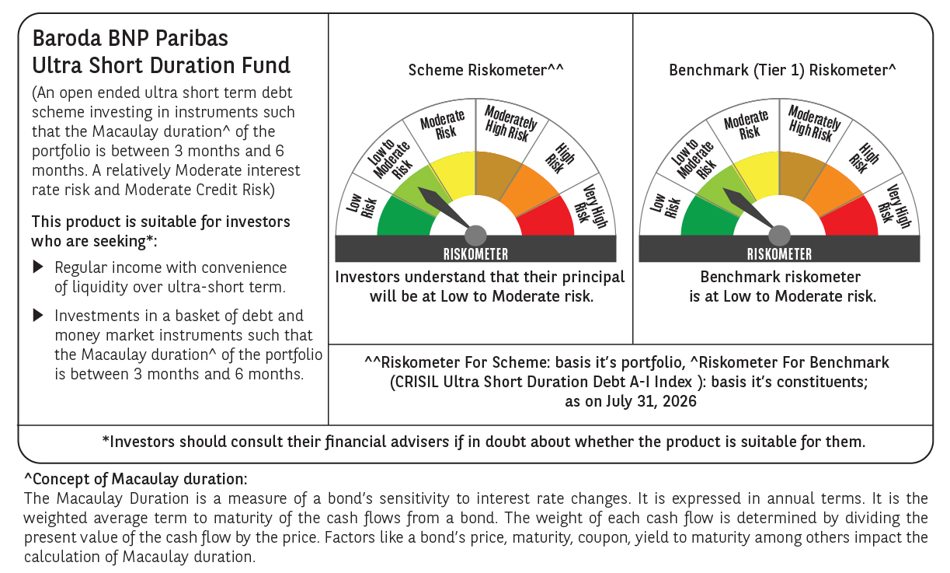
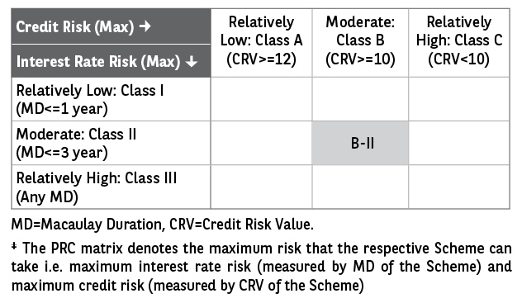
 | Baroda BNP Paribas Ultra Short Duration Fund

 | Fortnightly Portfolio Statement as on August 15, 2026
 | Name of the Instrument | ISIN | Rating | Quantity | Market/Fair Value (Rs. in Lakhs) | % to Net Assets | YTM~ | YTC^ | null
 | Debt Instruments
 | (a) Listed / awaiting listing on Stock Exchange
LICH659 | 6.4% LIC Housing Finance Limited (30/11/2026) ** | INE115A07PN6 | CRISIL AAA | 260 | 2,595.02 | 3.85% | 6.77%
PHFP219 | 8.28% PNB Housing Finance Limited (30/12/2026) ** | INE572E07167 | CARE AAA | 2,500 | 2,511.81 | 3.73% | 6.97%
SUFI755 | 7.75% Sundaram Finance Limited (11/12/2026) ** | INE660A07RU2 | ICRA AAA | 2,500 | 2,503.30 | 3.71% | 6.96%
MUFL464 | 8.05% Muthoot Finance Limited (25/11/2027) ** | INE414G07JQ6 | CRISIL AA+ | 2,500 | 2,489.64 | 3.69% | 8.35%
RECL312 | 7.54% REC Limited (30/12/2026) ** | INE020B08AC9 | CRISIL AAA | 200 | 2,003.36 | 2.97% | 6.76%
RECL443 | 7.77% REC Limited (30/09/2026) ** | INE020B08EP3 | CRISIL AAA | 1,700 | 1,701.69 | 2.53% | 6.51%
PFPL129 | 9% Piramal Finance Limited (28/06/2027) ** | INE202B07JT0 | ICRA AA+ | 1,500 | 1,506.79 | 2.24% | 8.40%
BHAT87 | 7.3% Bharti Telecom Limited (01/12/2027) ** | INE403D08306 | CRISIL AAA | 800 | 794.32 | 1.18% | 7.85%
MKIP21 | 7.97% Mankind Pharma Limited (16/11/2027) ** | INE634S07033 | CRISIL AA+ | 500 | 502.65 | 0.75% | 7.65%
IRLY372 | 7.41% Indian Railway Finance Corporation Limited (15/10/2026) ** | INE053F08312 | CRISIL AAA | 500 | 500.58 | 0.74% | 6.53%
GOI2505 | 7.24% State Government Securities (28/12/2026) | IN1520160160 | Sovereign | 300,000 | 301.75 | 0.45% | 5.55%
 | Sub Total |  |  |  | 17,410.91 | 25.84%
 | (b) Privately placed / Unlisted |  |  |  | NIL | NIL
 | Sub Total |  |  |  | NIL | NIL
 | (c) Securitised Debt
VAJR27 | Vajra Trust (20/01/2028) ** | INE20NI15021 | CRISIL AAA(SO) | 19 | 722.18 | 1.07% | 9.66%
IUNT23 | India Universal Trust (21/11/2026) ** | INE1CBK15011 | CRISIL AAA(SO) | 13 | 31.07 | 0.05% | 6.83%
 | Sub Total |  |  |  | 753.25 | 1.12%
 | (b) Privately placed / Unlisted |  |  |  | NIL | NIL
 | Sub Total |  |  |  | NIL | NIL
 | Total |  |  |  | 18,164.16 | 26.96%
 | Money Market Instruments
 | Certificate of Deposit
INBK521 | Indian Bank (04/12/2026) ** # | INE562A16QM0 | CRISIL A1+ | 900 | 4,412.83 | 6.55% | 6.56%
IIBL1010 | IndusInd Bank Limited (27/01/2027) ** # | INE095A169C7 | CRISIL A1+ | 600 | 2,909.35 | 4.32% | 6.94%
EXIM810 | Export Import Bank of India (11/11/2026) ** # | INE514E16CN1 | CRISIL A1+ | 560 | 2,758.06 | 4.09% | 6.38%
PUBA1162 | Punjab National Bank (02/09/2026) ** # | INE160A16UO1 | CRISIL A1+ | 500 | 2,492.80 | 3.70% | 6.20%
SIDB630 | Small Industries Dev Bank of India (10/11/2026) ** # | INE556F16BR2 | CARE A1+ | 500 | 2,462.58 | 3.65% | 6.45%
UTIB1381 | Axis Bank Limited (27/11/2026) # | INE238AD6BP3 | CRISIL A1+ | 500 | 2,454.77 | 3.64% | 6.53%
HDFB1039 | HDFC Bank Limited (14/12/2026) ** # | INE040A16IJ0 | CRISIL A1+ | 500 | 2,447.03 | 3.63% | 6.59%
NBAR874 | National Bank For Agriculture and Rural Development (28/01/2027) ** # | INE261F16AH2 | CRISIL A1+ | 500 | 2,425.50 | 3.60% | 6.80%
IBCL1181 | ICICI Bank Limited (12/02/2027) ** # | INE090AD6287 | ICRA A1+ | 500 | 2,420.39 | 3.59% | 6.67%
CANB1089 | Canara Bank (12/02/2027) ** # | INE476A16H01 | CRISIL A1+ | 500 | 2,420.27 | 3.59% | 6.68%
IBCL1182 | ICICI Bank Limited (08/03/2027) # | INE090AD6295 | ICRA A1+ | 500 | 2,410.15 | 3.58% | 6.67%
KMBK898 | Kotak Mahindra Bank Limited (21/12/2026) ** # | INE237AD6158 | CRISIL A1+ | 400 | 1,955.50 | 2.90% | 6.54%
SIDB649 | Small Industries Dev Bank of India (04/02/2027) ** # | INE556F16BY8 | CRISIL A1+ | 300 | 1,453.19 | 2.16% | 6.84%
HDFB1041 | HDFC Bank Limited (24/02/2027) ** # | INE040A16IO0 | CARE A1+ | 240 | 1,158.97 | 1.72% | 6.73%
HDFB1044 | HDFC Bank Limited (05/03/2027) ** # | INE040A16IU7 | CRISIL A1+ | 200 | 964.26 | 1.43% | 6.73%
CANB1100 | Canara Bank (15/09/2026) # | INE476A16I18 | ICRA A1+ | 100 | 497.47 | 0.74% | 6.19%
NBAR881 | National Bank For Agriculture and Rural Development (17/02/2027) ** # | INE261F16AK6 | CRISIL A1+ | 100 | 483.35 | 0.72% | 6.79%
 | Sub Total |  |  |  | 36,126.47 | 53.61%
 | Commercial Paper
SCIN342 | Standard Chartered Capital Limited (23/09/2026) ** | INE403G14TV4 | CRISIL A1+ | 500 | 2,482.43 | 3.68% | 6.80%
LICH705 | LIC Housing Finance Limited (11/03/2027) | INE115A14FT0 | CRISIL A1+ | 300 | 1,444.30 | 2.14% | 6.80%
MUFL472 | Muthoot Finance Limited (11/09/2026) ** | INE414G14UU1 | CRISIL A1+ | 100 | 497.56 | 0.74% | 6.88%
 | Sub Total |  |  |  | 4,424.29 | 6.56%
 | Total |  |  |  | 40,550.76 | 60.17%
 | Others
 | Corporate Debt Market Development Fund
CDMD50ME | Corporate Debt Market Development Fund # | INF0RQ622028 |  | 2,878 | 343.90 | 0.51% | 5.54%
 | Sub Total |  |  |  | 343.90 | 0.51%
 | Total |  |  |  | 343.90 | 0.51%
 | Reverse Repo / TREPS
TRP_170826 | Clearing Corporation of India Ltd |  |  |  | 7,329.90 | 10.88% | 5.06%
 | Sub Total |  |  |  | 7,329.90 | 10.88%
 | (b) Privately placed / Unlisted |  |  |  | NIL | NIL
 | Sub Total |  |  |  | NIL | NIL
 | Total |  |  |  | 7,329.90 | 10.88%
 | Net Receivables / (Payables) |  |  |  | 998.92 | 1.48%
 | GRAND TOTAL |  |  |  | 67,387.64 | 100.00%

 | ** Thinly Traded / Non Traded Security
 | # Unlisted Security
 | ~ YTM as on August 15, 2026
 | ^ YTC represents Yield to Call provided by valuation agencies as on August 15, 2026. It is disclosed for Perpetual Bond issued by Banks (i.e. AT-1 Bond / Tier 1 Bond / Tier 2 Bond), as per AMFI Best Practices Guidelines Circular no. 135/BP/91/2020-21 read with SEBI circular No. SEBI/HO/IMD/DF4/CIR/P/2021/034 on Valuation of AT-1 Bonds and Tier 2 Bonds.

 | Notes & Symbols :-
 | # -> Less Than 0.005% ; A** -> Awaiting Listing on Stock Exchanges ; T** -> Thinly Traded Securities ; N** -> Non Traded Securities ; I** -> Illiquid Shares ; R** -> Rights Entitlement ; P** Preference Shares ; W** Warrants ; B** -> Below Investment Grade Security ; PP* -> Partly Paid;S** --> Suspended forTrading.
 | ^ -> Industry classification as recommended by AMFI and wherever not available, internal classification has been used ; D**->Does not include notional exposures to derivative instruments.
 | (1) Non Convertible Debentures and Bonds are considered as Traded based on information provided by external agencies.
 | (2) The Name of the Industry is in accordance with Industry Classification as recommended by AMFI.
 | (3) $ Yield based on aggregated yields as per Crisil's and ICRA's SLV price feeds and TREPS yield as per the trade.
 | (4) All corporate ratings are assigned by rating agencies like CRISIL; CARE; ICRA; IND; BRW.
 | (5) The provision made for securities classified as below investment grade or default as of August 15, 2026 is Rs Nil and its percentage to Net Asset Value is Nil .
 | (6) Aggregate value of illiquid shares of the fund amounts to Rs. Nil and their percentage to Net Asset value is Nil.
 | (7) Plan/option wise per unit Net Asset Value are as follows:
 | Plan/Option |  | As on July 31, 2026 | As on August 14, 2026
 | Regular Plan - Daily IDCW Option |  | 1006.2583 | 1006.2583
 | Regular Plan - Growth Option |  | 1649.3320 | 1654.7262
 | Regular Plan - Weekly IDCW Option |  | 1001.4265 | 1002.2034
 | Direct Plan - Daily IDCW Option |  | 1007.0751 | 1007.0751
 | Direct Plan - Growth Option |  | 1673.8974 | 1679.4710
 | Direct Plan - Weekly IDCW Option |  | 1002.5235 | 1002.2239

 | (8) Details of Dividend declared per unit (In Rupees) during the Fortnight are as follows |  | Individuals/HUF | Others
 | Regular Plan - Daily IDCW Option |  | 3.2860 | 3.2860
 | Regular Plan - Weekly IDCW Option |  | 2.4929 | 2.4929
 | Direct Plan - Daily IDCW Option |  | 3.3484 | 3.3484
 | Direct Plan - Weekly IDCW Option |  | 3.6493 | 3.6493

 | (9) There were no investments made in derivative instruments and no such derivative instrument was squared off/ expired /exercised during the Fortnight ended August 15, 2026. Further there are no investments in derivative instruments as on August 15, 2026.
 | (10) Total Market value of investments in Foreign Securities/American Depositary Receipts/Global Depositary Receipts as at August 15, 2026 is Rs. Nil.
 | (11) The Average Maturity period of the portfolio has been 137 days.
 | (12) Details of repo transaction in corporate debt securities for the Fortnight ended August 15, 2026 is Nil.
 | (13) Investments in debt instruments having structured obligations or credit enhancement features as at August 15, 2026 is Rs. 753.25 Lacs.
 | (14) Investment in Partly paid Debentures during the Fortnight ended August 15, 2026 and as on August 15, 2026 is Rs. Nil.
 | (15) RATIONALE FOR DEVIATION FROM VALUATION AGENCY PRICE
 | Rationale for deviation from valuation price provided by the valuation agencies as per SEBI Circular dated 22nd March 2019 and 24th September 2019
 | during the Fortnight there were no cases of deviation from valuation agency price
 | To view the previous cases of deviation kindly refer the following link:
 | <<https://www.barodabnpparibasmf.in/statutory-disclosures/update-on-credit-events>>
 | (16) Transactions in Credit Default Swaps during Fortnight ended August 15, 2026 : Rs. Nil
 | (17) Macaulay Duration of the portfolio has been 131 days.
 | (18) Annualised Portfolio YTM has been 6.61.

 | †Concept of Macaulay duration: The Macaulay Duration is a measure of a bond’s sensitivity to interest rate changes. It is expressed in annual terms. It is the weighted average term to maturity of the cash flows from a bond. The weight of each cash flow is determined by dividing the present value of the cash flow by the price. Factors like a bond’s price, maturity, coupon, yield to maturity among others impact the calculation of Macaulay duration.

