YR51
 | Baroda BNP Paribas Overnight Fund

 | Monthly Portfolio Statement as on August 31, 2026
 | Name of the Instrument | ISIN | Rating | Quantity | Market/Fair Value (Rs. in Lakhs) | % to Net Assets | YTM~ | YTC^ | null
 | Money Market Instruments
 | Treasury Bill
TBIL2639 | 182 Days Tbill (MD 10/09/2026) | IN002025Y495 | Sovereign | 1,000,000 | 998.73 | 1.17% | 5.18%
TBIL2642 | 182 Days Tbill (MD 18/09/2026) | IN002025Y503 | Sovereign | 1,000,000 | 997.68 | 1.17% | 5.00%
 | Sub Total |  |  |  | 1,996.41 | 2.34%
 | Total |  |  |  | 1,996.41 | 2.34%
 | Reverse Repo / TREPS
REP5_310826 | Clearing Corporation of India Ltd |  |  |  | 49,999.43 | 58.67% | 5.15%
TRP_010926 | Clearing Corporation of India Ltd |  |  |  | 33,228.06 | 38.99% | 4.99%
 | Sub Total |  |  |  | 83,227.49 | 97.66%
 | Total |  |  |  | 83,227.49 | 97.66%
 | Net Receivables / (Payables) |  |  |  | (8.28) | 0.00%
 | GRAND TOTAL |  |  |  | 85,215.62 | 100.00%

 | ~ YTM as on August 31, 2026
 | ^ YTC represents Yield to Call provided by valuation agencies as on August 31, 2026. It is disclosed for Perpetual Bond issued by Banks (i.e. AT-1 Bond / Tier 1 Bond / Tier 2 Bond), as per AMFI Best Practices Guidelines Circular no. 135/BP/91/2020-21 read with SEBI circular No. SEBI/HO/IMD/DF4/CIR/P/2021/034 on Valuation of AT-1 Bonds and Tier 2 Bonds.

 | Notes & Symbols :-
 | # -> Less Than 0.005% ; A** -> Awaiting Listing on Stock Exchanges ; T** -> Thinly Traded Securities ; N** -> Non Traded Securities ; I** -> Illiquid Shares ; R** -> Rights Entitlement ; P** Preference Shares ; W** Warrants ; B** -> Below Investment Grade Security ; PP* -> Partly Paid;S** --> Suspended forTrading.
 | ^ -> Industry classification as recommended by AMFI and wherever not available, internal classification has been used ; D**->Does not include notional exposures to derivative instruments.
 | (1) Non Convertible Debentures and Bonds are considered as Traded based on information provided by external agencies.
 | (2) The Name of the Industry is in accordance with Industry Classification as recommended by AMFI.
 | (3) $ Yield based on aggregated yields as per Crisil's and ICRA's SLV price feeds and TREPS yield as per the trade.
 | (4) All corporate ratings are assigned by rating agencies like CRISIL; CARE; ICRA; IND; BRW.
 | (5) The provision made for securities classified as below investment grade or default as of August 31, 2026 is Rs Nil and its percentage to Net Asset Value is Nil .
 | (6) Aggregate value of illiquid shares of the fund amounts to Rs. Nil and their percentage to Net Asset value is Nil.
 | (7) Plan/option wise per unit Net Asset Value are as follows:
 | Plan/Option |  | As on July 31, 2026 | As on August 31, 2026
 | Unclaimed IDCW - Up to 3 Yrs |  | 1291.3179 | 1296.8493
 | Unclaimed IDCW - Greater than 3 years |  | 1000.0000 | 1000.0000
 | Unclaimed Redemption - Up to 3 Yrs |  | 1291.2877 | 1296.8189
 | Unclaimed Redemption - Greater than 3 years |  | 1000.0000 | 1000.0000
 | Regular Plan - Daily IDCW Option |  | 1000.0018 | 1000.0018
 | Regular Plan - Growth Option |  | 1432.3861 | 1438.4626
 | Regular Plan - Weekly IDCW Option |  | 1001.0146 | 1001.4180
 | Direct Plan - Daily IDCW Option |  | 1000.0028 | 1000.0028
 | Direct Plan - Growth Option |  | 1439.2317 | 1445.3968
 | Direct Plan - Weekly IDCW Option |  | 1000.5300 | 1000.9382

 | (8) Details of Dividend declared per unit (In Rupees) during the Month are as follows |  | Individuals/HUF | Others
 | Regular Plan - Daily IDCW Option |  | 4.2406 | 4.2406
 | Regular Plan - Weekly IDCW Option |  | 3.8416 | 3.8416
 | Direct Plan - Daily IDCW Option |  | 4.2844 | 4.2844
 | Direct Plan - Weekly IDCW Option |  | 3.8702 | 3.8702

 | (9) There were no investments made in derivative instruments and no such derivative instrument was squared off/ expired /exercised during the Month ended August 31, 2026. Further there are no investments in derivative instruments as on August 31, 2026.
 | (10) Total Market value of investments in Foreign Securities/American Depositary Receipts/Global Depositary Receipts as at August 31, 2026 is Rs. Nil.
 | (11) The Average Maturity period of the portfolio has been 1 days.
 | (12) Details of repo transaction in corporate debt securities for the Month ended August 31, 2026 is Nil.
 | (13) Investments in debt instruments having structured obligations or credit enhancement features as at August 31, 2026 is Rs. Nil.
 | (14) Investment in Partly paid Debentures during the Monthly ended August 31, 2026 and as on August 31, 2026 is Rs. Nil.
 | (15) RATIONALE FOR DEVIATION FROM VALUATION AGENCY PRICE
 | Rationale for deviation from valuation price provided by the valuation agencies as per SEBI Circular dated 22nd March 2019 and 24th September 2019
 | during the Month there were no cases of deviation from valuation agency price
 | To view the previous cases of deviation kindly refer the following link:
 | <<https://www.barodabnpparibasmf.in/statutory-disclosures/update-on-credit-events>>
 | (16) Transactions in Credit Default Swaps during Month ended August 31, 2026 : Rs. Nil
 | (17) Macaulay Duration of the portfolio has been 1 days.
 | (18) Annualised Portfolio YTM has been 5.09.

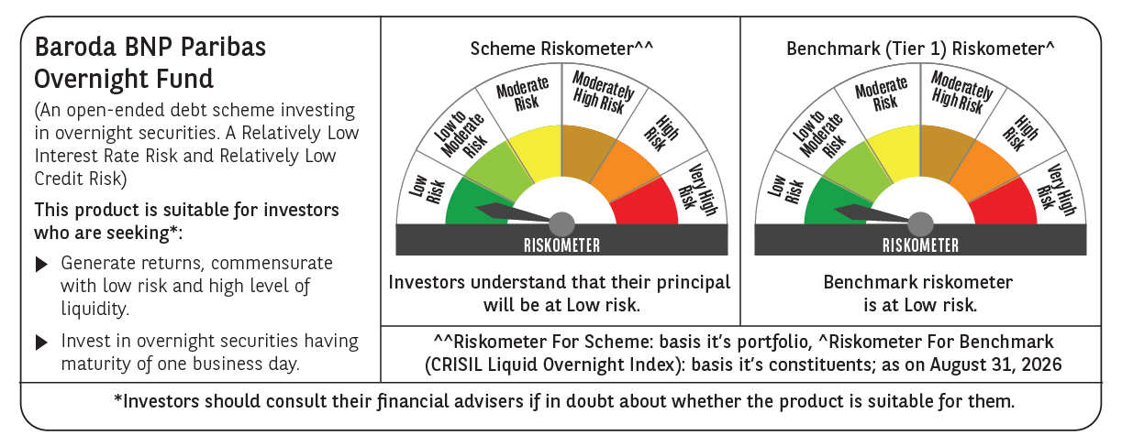

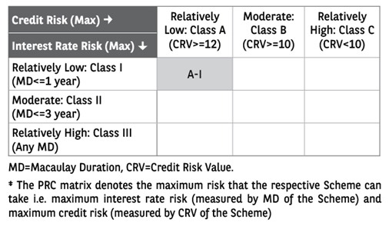

 | Monthly Performance Link: https://www.barodabnpparibasmf.in/assets/download_documents/Performance_of_Schemes-Aug_2026_19913.pdf

