YR56
 | Baroda BNP Paribas Business Cycle Fund

 | Monthly Portfolio Statement as on August 31, 2026
 | Name of the Instrument | ISIN | Industry / Rating | Quantity | Market/Fair Value (Rs. in Lakhs) | % to Net Assets | YTM~ | YTC^ | null
 | Equity & Equity related
 | (a) Listed / awaiting listing on Stock Exchanges
IBCL05 | ICICI Bank Limited | INE090A01021 | Banks | 225,000 | 3,271.50 | 5.70%
ABBP01 | Hitachi Energy India Limited | INE07Y701011 | Electrical Equipment | 9,000 | 3,038.40 | 5.30%
RIND01 | Reliance Industries Limited | INE002A01018 | Petroleum Products | 222,000 | 2,834.94 | 4.94%
HDFB03 | HDFC Bank Limited | INE040A01034 | Banks | 342,000 | 2,424.78 | 4.23%
LARS02 | Larsen & Toubro Limited | INE018A01030 | Construction | 58,500 | 2,366.27 | 4.13%
SPIL03 | Sun Pharmaceutical Industries Limited | INE044A01036 | Pharmaceuticals & Biotechnology | 94,500 | 1,875.64 | 3.27%
DIVI02 | Divi's Laboratories Limited | INE361B01024 | Pharmaceuticals & Biotechnology | 18,000 | 1,704.06 | 2.97%
BHAH02 | Bharat Heavy Electricals Limited | INE257A01026 | Electrical Equipment | 360,000 | 1,593.54 | 2.78%
SBAI02 | State Bank of India | INE062A01020 | Banks | 130,500 | 1,383.30 | 2.41%
SAEL02 | TVS Motor Company Limited | INE494B01023 | Automobiles | 31,500 | 1,367.51 | 2.38%
KOMA03 | Kotak Mahindra Bank Limited | INE237A01036 | Banks | 315,000 | 1,321.11 | 2.30%
WATE02 | Waterways Leisure Tourism Limited | INE0LZF01039 | Leisure Services | 1,216,860 | 1,261.28 | 2.20%
ZMPL01 | Eternal Limited | INE758T01015 | Retailing | 378,000 | 1,240.22 | 2.16%
NEST02 | Nestle India Limited | INE239A01024 | Food Products | 81,000 | 1,212.17 | 2.11%
PSYL02 | Persistent Systems Limited | INE262H01021 | IT - Software | 20,700 | 1,158.06 | 2.02%
BTVL02 | Bharti Airtel Limited | INE397D01024 | Telecom - Services | 63,000 | 1,141.50 | 1.99%
INFS02 | Infosys Limited | INE009A01021 | IT - Software | 100,000 | 1,133.80 | 1.98%
EIML02 | Eicher Motors Limited | INE066A01021 | Automobiles | 13,500 | 1,073.72 | 1.87%
WABT01 | ZF Commercial Vehicle Control Systems India Limited | INE342J01019 | Auto Components | 37,800 | 958.08 | 1.67%
PHMI02 | The Phoenix Mills Limited | INE211B01039 | Realty | 46,800 | 889.20 | 1.55%
IFEL01 | Oracle Financial Services Software Limited | INE881D01027 | IT - Software | 7,020 | 880.31 | 1.53%
FEBA02 | The Federal Bank Limited | INE171A01029 | Banks | 230,000 | 820.41 | 1.43%
AEQL01 | Aequs Limited | INE947N01017 | Aerospace & Defense | 335,000 | 818.54 | 1.43%
MOTI02 | Bosch Limited | INE323A01026 | Auto Components | 1,620 | 810.00 | 1.41%
BOCL01 | Linde India Limited | INE473A01011 | Chemicals & Petrochemicals | 12,600 | 804.57 | 1.40%
HZIN02 | Hindustan Zinc Limited | INE267A01025 | Non - Ferrous Metals | 135,000 | 803.86 | 1.40%
PINP01 | Pine Labs Limited | INE15B701018 | Financial Technology (Fintech) | 475,000 | 779.14 | 1.36%
SCLB01 | Leela Palaces Hotels & Resorts Limited | INE0AQ201015 | Leisure Services | 135,000 | 770.04 | 1.34%
SKFI01 | SKF India (Industrial) Ltd | INE2J8701016 | Industrial Products | 25,000 | 745.83 | 1.30%
MAUD01 | Maruti Suzuki India Limited | INE585B01010 | Automobiles | 5,400 | 731.54 | 1.28%
TMLC01 | Tata Motors Ltd | INE1TAE01010 | Agricultural, Commercial & Construction Vehicles | 153,000 | 720.78 | 1.26%
LGEL01 | LG Electronics India Ltd | INE324D01010 | Consumer Durables | 41,400 | 702.89 | 1.23%
UTIB02 | Axis Bank Limited | INE238A01034 | Banks | 54,000 | 702.00 | 1.22%
BFSL02 | Bajaj Finserv Limited | INE918I01026 | Finance | 34,200 | 691.18 | 1.21%
TWAT02 | Titan Company Limited | INE280A01028 | Consumer Durables | 13,500 | 688.82 | 1.20%
IIFM02 | 360 One WAM Limited | INE466L01038 | Capital Markets | 58,500 | 687.38 | 1.20%
BHEL02 | Bharat Electronics Limited | INE263A01024 | Aerospace & Defense | 162,000 | 671.41 | 1.17%
FRHL01 | Fortis Healthcare Limited | INE061F01013 | Healthcare Services | 74,000 | 671.11 | 1.17%
TCAL01 | Tata Capital Limited | INE976I01016 | Finance | 180,000 | 662.22 | 1.15%
TCSL01 | Tata Consultancy Services Limited | INE467B01029 | IT - Software | 27,000 | 647.81 | 1.13%
YESB03 | Yes Bank Limited | INE528G01035 | Banks | 2,790,000 | 636.96 | 1.11%
NHPC01 | NHPC Limited | INE848E01016 | Power | 828,000 | 635.24 | 1.11%
ICEM01 | The India Cements Limited | INE383A01012 | Cement & Cement Products | 166,541 | 617.28 | 1.08%
TOPH02 | Torrent Pharmaceuticals Limited | INE685A01028 | Pharmaceuticals & Biotechnology | 12,000 | 607.92 | 1.06%
ICII01 | JSW Dulux Limited | INE133A01011 | Consumer Durables | 19,000 | 601.26 | 1.05%
ITCL02 | ITC Limited | INE154A01025 | Diversified FMCG | 225,000 | 574.88 | 1.00%
TEMA02 | Tech Mahindra Limited | INE669C01036 | IT - Software | 35,000 | 569.80 | 0.99%
SOKO03 | Jtekt India Limited | INE643A01035 | Auto Components | 441,000 | 549.79 | 0.96%
VNBL03 | Varun Beverages Limited | INE200M01039 | Beverages | 126,000 | 504.57 | 0.88%
HDLI01 | HDFC Life Insurance Company Limited | INE795G01014 | Insurance | 90,000 | 489.02 | 0.85%
PGCI01 | Power Grid Corporation of India Limited | INE752E01010 | Power | 171,000 | 450.67 | 0.79%
PFIZ01 | Pfizer Limited | INE182A01018 | Pharmaceuticals & Biotechnology | 7,470 | 349.92 | 0.61%
SYMB02 | Symbiotec Pharmalab Limited | INE899I01028 | Pharmaceuticals & Biotechnology | 1,143 | 11.29 | 0.02%
 | Sub Total |  |  |  | 54,657.52 | 95.29%
 | (b) Unlisted |  |  |  | NIL | NIL
 | Sub Total |  |  |  | NIL | NIL
 | Total |  |  |  | 54,657.52 | 95.29%
 | Money Market Instruments
 | Treasury Bill
TBIL2600 | 364 Days Tbill (MD 10/12/2026) | IN002025Z377 | Sovereign | 500,000 | 492.84 | 0.86% | 5.30%
 | Sub Total |  |  |  | 492.84 | 0.86%
 | Total |  |  |  | 492.84 | 0.86%
 | Reverse Repo / TREPS
TRP_010926 | Clearing Corporation of India Ltd |  |  |  | 2,246.54 | 3.92% | 4.99%
 | Sub Total |  |  |  | 2,246.54 | 3.92%
 | Total |  |  |  | 2,246.54 | 3.92%
 | Net Receivables / (Payables) |  |  |  | (46.00) | (0.07)%
 | GRAND TOTAL |  |  |  | 57,350.90 | 100.00%

 | ~ YTM as on August 31, 2026
 | ^ YTC represents Yield to Call provided by valuation agencies as on August 31, 2026. It is disclosed for Perpetual Bond issued by Banks (i.e. AT-1 Bond / Tier 1 Bond / Tier 2 Bond), as per AMFI Best Practices Guidelines Circular no. 135/BP/91/2020-21 read with SEBI circular No. SEBI/HO/IMD/DF4/CIR/P/2021/034 on Valuation of AT-1 Bonds and Tier 2 Bonds.

 | Notes & Symbols :-
 | # -> Less Than 0.005% ; A** -> Awaiting Listing on Stock Exchanges ; T** -> Thinly Traded Securities ; N** -> Non Traded Securities ; I** -> Illiquid Shares ; R** -> Rights Entitlement ; P** Preference Shares ; W** Warrants ; B** -> Below Investment Grade Security ; PP* -> Partly Paid;S** --> Suspended forTrading.
 | ^ -> Industry classification as recommended by AMFI and wherever not available, internal classification has been used ; D**->Does not include notional exposures to derivative instruments.
 | (1) Non Convertible Debentures and Bonds are considered as Traded based on information provided by external agencies.
 | (2) The Name of the Industry is in accordance with Industry Classification as recommended by AMFI.
 | (3) $ Yield based on aggregated yields as per Crisil's and ICRA's SLV price feeds and TREPS yield as per the trade.
 | (4) All corporate ratings are assigned by rating agencies like CRISIL; CARE; ICRA; IND; BRW.
 | (5) The provision made for securities classified as below investment grade or default as of August 31, 2026 is Rs Nil and its percentage to Net Asset Value is Nil .
 | (6) Aggregate value of illiquid shares of the fund amounts to Rs. Nil and their percentage to Net Asset value is Nil.
 | (7) Plan/option wise per unit Net Asset Value are as follows:
 | Plan/Option |  | As on July 31, 2026 | As on August 31, 2026
 | Regular Plan - IDCW Option |  | 13.4127 | 13.7361
 | Regular Plan - Growth Option |  | 16.0560 | 16.4431
 | Direct Plan - IDCW Option |  | 14.4029 | 14.7685
 | Direct Plan - Growth Option |  | 17.2400 | 17.6777

 | (8) No Dividend declared during the Month ended August 31, 2026
 | (9) There were no investments made in derivative instruments and no such derivative instrument was squared off/ expired /exercised during the Month ended August 31, 2026. Further there are no investments in derivative instruments as on August 31, 2026.
 | (10) Total Market value of investments in Foreign Securities/American Depositary Receipts/Global Depositary Receipts as at August 31, 2026 is Rs. Nil.
 | (11) During the period, the portfolio turnover ratio is 0.51 times.
 | (12) Details of repo transaction in corporate debt securities for the Month ended August 31, 2026 is Nil.
 | (13) Investments in debt instruments having structured obligations or credit enhancement features as at August 31, 2026 is Rs. Nil.
 | (14) Investment in Partly paid Debentures during the Monthly ended August 31, 2026 and as on August 31, 2026 is Rs. Nil.
 | (15) RATIONALE FOR DEVIATION FROM VALUATION AGENCY PRICE
 | Rationale for deviation from valuation price provided by the valuation agencies as per SEBI Circular dated 22nd March 2019 and 24th September 2019
 | during the Month there were no cases of deviation from valuation agency price
 | To view the previous cases of deviation kindly refer the following link:
 | <<https://www.barodabnpparibasmf.in/statutory-disclosures/update-on-credit-events>>
 | (16) Transactions in Credit Default Swaps during Month ended August 31, 2026 : Rs. Nil

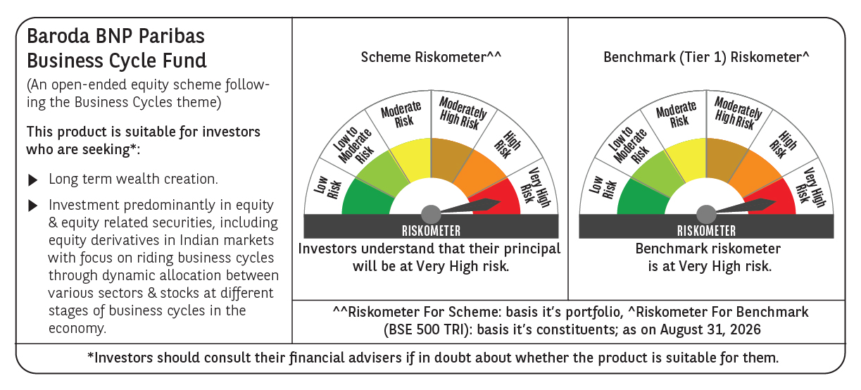

 | Monthly Performance Link: https://www.barodabnpparibasmf.in/assets/download_documents/Performance_of_Schemes-Aug_2026_19913.pdf

